FE4P20-25N完整版
255098501001 驱动系统/Drive system
 | 序号/NO | 编码/SN | Name | 名称 | 数量/QTY | 备注/Remarks
 | 1 | 255013515001 | Drive axle(AQ) | 驱动桥(AQ) | 1 | 选装/Optional | 新增安庆配置
 |  | 255013510001 | Drive axle(DW) | 驱动桥(DW) | 1 | 选装/Optional
 |  | 255013510002 | Drive axle(KD) | 驱动桥(KD) | 1 | 选装/Optional
 | 2 | 255013520003 | Adjusting shim 1 | 调整垫片1 | 1
 | 3 | 255013520002 | Nut M20x1.5 | 螺母M20x1.5 | 8
 | 4 | 910600100021 | Dowel pin GB119.2-8x25 | 圆柱销GB119.2-8x25 | 1
 | 5 | 910400100007 | Washer GB97.1-10-200HV | 平垫圈GB97.1-10-200HV | 12
 | 6 | 910400500007 | Washer GB93-10 | 弹簧垫圈GB93-10 | 12
 | 7 | 910100400004 | Bolt GB5786-M10x1.25x30-8.8 | 螺栓GB5786-M10x1.25x30-8.8 | 12
 | 8 | 910300900002 | Nut GB6178-M20-8 | 螺母GB6178-M20-8 | 1
 | 9 | 910400100009 | Washer GB97.1-14-200HV | 平垫圈GB97.1-14-200HV | 5
 | 10 | 910400500009 | Washer GB93-14 | 弹簧垫圈GB93-14 | 5
 | 11 | 910100200010 | Bolt GB5785-M14x1.5x50-8.8 | 螺栓GB5785-M14x1.5x50-8.8 | 5
 | 12 | 910600600037 | Split pin GB91-4x40 | 开口销GB91-4x40 | 1
 | 13 | 910400500012 | Washer GB93-20 | 弹簧垫圈GB93-20 | 9
 | 14 | 910400100012 | Washer GB97.1-20-200HV | 平垫圈GB97.1-20-200HV | 1
 | 15 | 910100500006 | BoltGB31.1-M20x90-8.8 | 螺栓GB31.1-M20x90-8.8 | 1
 | 16 | 910800100020 | O ring 90x2.65 | O形圈-内90x2.65 | 1
 | 17 | 920900100037 | Motor ( HP) | 电机(HP) | 1 | 选装/Optional
 |  | 920900100034 | Motor (WN) | 电机(WN) | 1 | 选装/Optional
 | 18 | 255014010002 | Gear box (ZN) | 变速箱(ZN) | 1 | 选装/Optional
 |  | 255014012002 | Gear box(JD) | 减速箱总成(JD) | 1 | 选装/Optional
 | 19 | 255013520005 | Seal washer | 密封垫 | 1
 | 20 | 255013520001 | Bolt M20x1.5x66 | 螺栓M20x1.5x66 | 1
 | 21 | 255013520004 | Adjusting washer 2 | 调整垫片2 | 1
 | 22 | 255098513251 | Encoder (HP) | 编码器(HP) | 1 | 选装/Optional
 |  | 255098513253 | Encoder (WN) | 编码器（WN） | 1 | 选装/Optional

255098501002 驱动桥(AQ)/Drive axle(AQ)
 | 序号/NO | 编码/SN | Name | 名称 | 数量/QTY | 备注/Remarks
 | 1 | 255098523560 | Hub nut Q03A4-21000 | 轮毂螺母Q03A4-21000 | 12 | 255013515001 | 新增安庆配置
 | 2 | 255098523561 | Half axis Q03A4-204000 | 半轴Q03A4-204000 | 2 | 255013515001 | 新增安庆配置
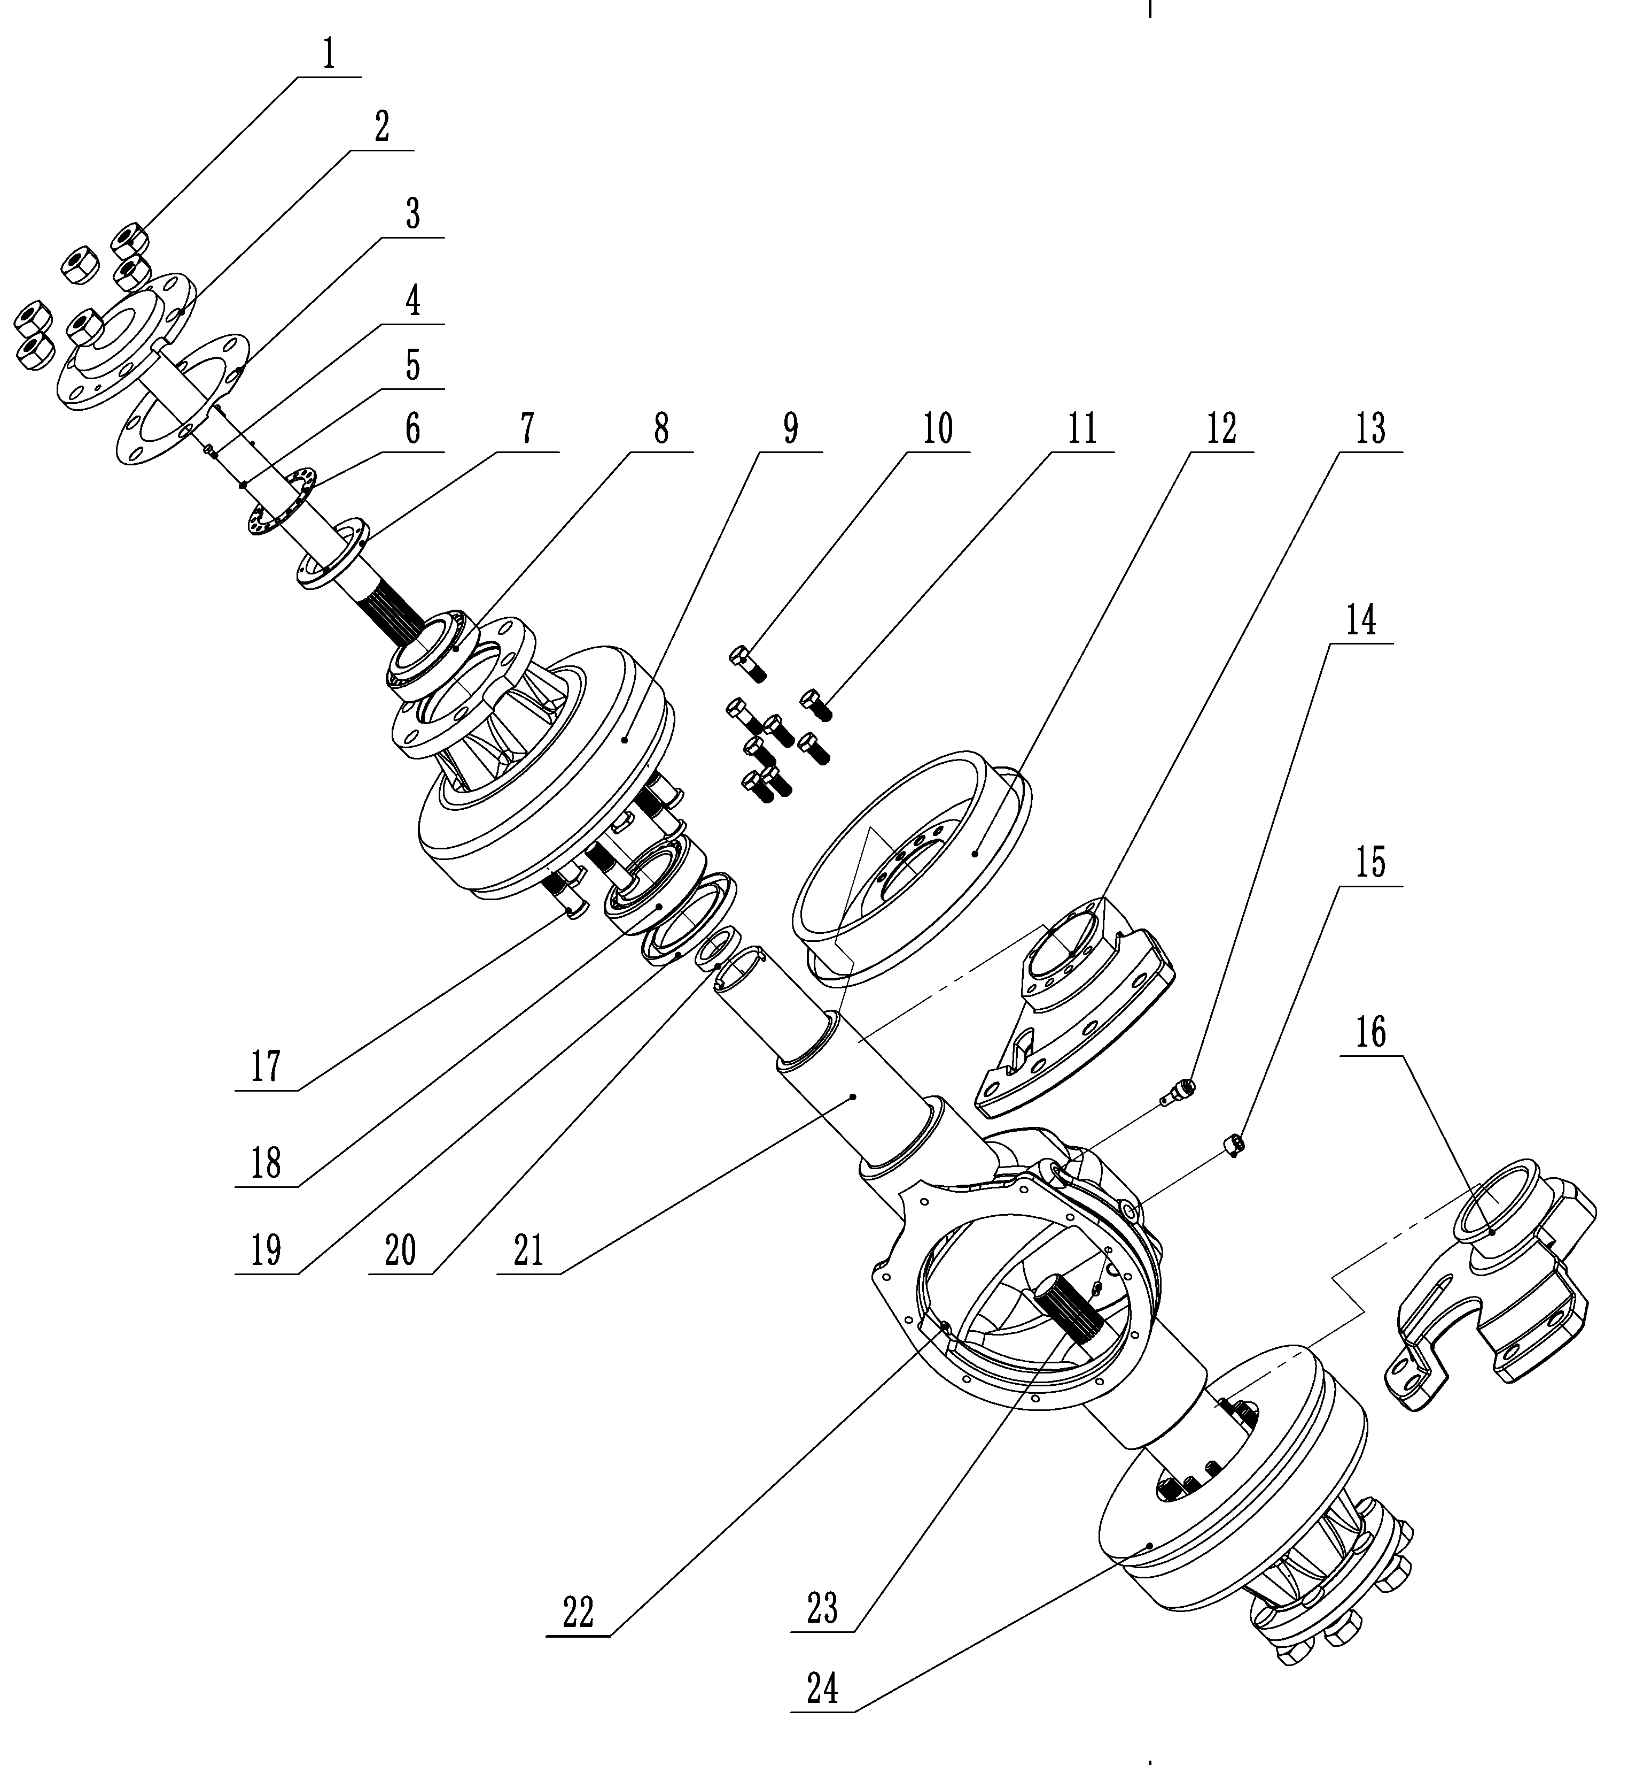
 | 3 | 255098523562 | Sealing gasket Q03A4-20800 | 密封垫Q03A4-20800 | 2 | 255013515001 | 新增安庆配置
 | 4 | 910100300009 | Bolt M6X12 | 螺栓M6X12 | 4 | 255013515001 | 新增安庆配置
 | 5 | 910400500005 | Washer 6 | 弹垫6 | 4 | 255013515001 | 新增安庆配置
 | 6 | 255098523563 | Nut seat retaining ring Q03A4-20700 | 螺母座挡圈Q03A4-20700 | 2 | 255013515001 | 新增安庆配置
 | 7 | 255098523564 | Nut seat Q03A4-20600 | 螺母座Q03A4-20600 | 2 | 255013515001 | 新增安庆配置
 | 8 | 255098523514 | Bearing 33115 | 圆锥滚子轴承33115 | 2 | 255013515001 | 新增安庆配置
 | 9 | 255098523565 | Wheel hub Q03A4-20500 | 轮毂Q03A4-20500 | 2 | 255013515001 | 新增安庆配置
 | 10 | 255098523566 | Brake bolt 2593-72001 | 制动器螺栓2593-72001 | 4 | 255013515001 | 新增安庆配置
 | 11 | 255098523567 | Brake bolt A22A3-02051 | 制动器螺栓A22A3-02051 | 12 | 255013515001 | 新增安庆配置
 | 12 | 255098513501 | Left brake assy REF00056L | 左制动器总成REF00056L | 1 | 255013515001 | 新增安庆配置
 | 13 | 255098523568 | Left support plate Q03A4-20200 | 左支承板Q03A4-20200 | 1 | 255013515001 | 新增安庆配置
 | 14 | 255098523569 | Vent plug assembly 90106-65690 | 通气塞总成90106-65690 | 1 | 255013515001 | 新增安庆配置
 | 15 | 255098523570 | Jam up 22193-03001 | 堵塞22193-03001 | 2 | 255013515001 | 新增安庆配置
 | 16 | 255098523571 | Right support plate Q03A4-20300 | 右支承板Q03A4-20300 | 1 | 255013515001 | 新增安庆配置
 | 17 | 255098523572 | Hub bolt Q03A4-20900B | 轮毂螺栓Q03A4-20900B | 12 | 255013515001 | 新增安庆配置
 | 18 | 255098023513 | Bearing 30615 | 圆锥滚子轴承30615 | 2 | 255013515001 | 新增安庆配置
 | 19 | 255098523512 | Oil seal SD100x140x12 | 油封SD100x140x12 | 2 | 255013515001 | 新增安庆配置
 | 20 | 255098523506 | Oil seal SD45x62x12 | 油封SD45x62x12 | 2 | 255013515001 | 新增安庆配置
 | 21 | 255098523573 | Axle housing Q03A4-20100 | 桥壳Q03A4-20100 | 1 | 255013515001 | 新增安庆配置
 | 22 | 255098523574 | Jam up 22193-03001 | 堵塞22193-03001 | 1 | 255013515001 | 新增安庆配置
 | 23 | 255098523575 | Pin 8X18 | 圆柱销8X18 | 1 | 255013515001 | 新增安庆配置
 | 24 | 255098513508 | Right brake assembly REF00056R | 右制动器总成REF00056R | 1 | 255013515001 | 新增安庆配置

255098501003 驱动桥(DW)/Drive axle(DW)
 | 序号/NO | 编码/SN | Name | 名称 | 数量/QTY | 备注/Remarks
 | 1 | 255098513501 | Left brake assembly | 左制动器总成 | 1 | 255013510001
 | 2 | 255098523502 | Drive axle left bearing plate | 驱动桥左支承板 | 1 | 255013510001
 | 3 | 255098523503 | Air hole assembly | 通气孔总成 | 1 | 255013510001
 | 4 | 255098523504 | Blocking | 堵塞 | 1 | 255013510001
 | 5 | 255098523505 | New drive axle housing | 新驱动桥壳 | 1 | 255013510001
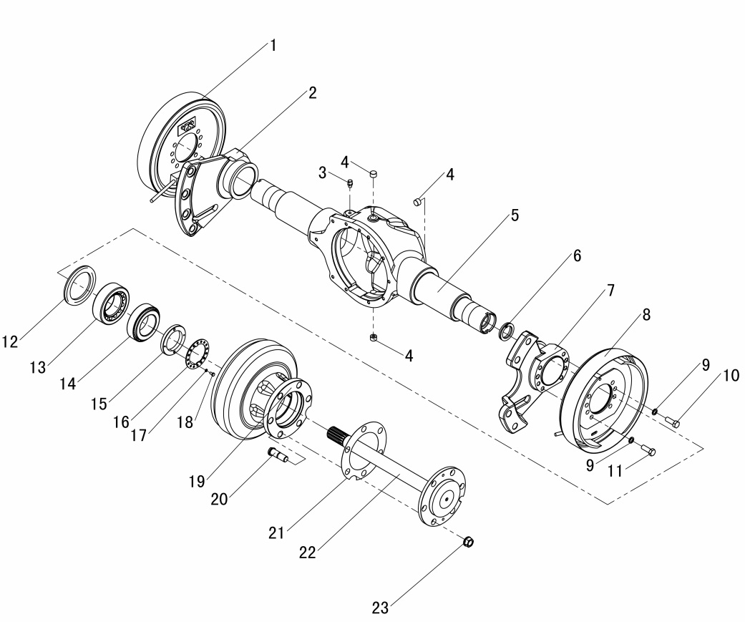
 | 6 | 255098523506 | Oil seal SD45x62x12 | 油封SD45x62x12 | 2 | 255013510001
 | 7 | 255098523507 | Drive axle right bearing plate | 驱动桥右支承板 | 1 | 255013510001
 | 8 | 255098513508 | Right brake assembly | 右制动器总成 | 1 | 255013510001
 | 9 | 255098523509 | Spring washer 14 | 弹垫14 | 16 | 255013510001
 | 10 | 255098523510 | Brake bolt | 制动器螺栓 | 4 | 255013510001
 | 11 | 255098523511 | Brake bolt | 制动器螺栓 | 12 | 255013510001
 | 12 | 255098523512 | Oil seal SD100x140x12 | 油封SD100x140x12 | 2 | 255013510001
 | 13 | 255098023513 | Bearing 30615 | 轴承30615 | 2 | 255013510001
 | 14 | 255098523514 | Bearing33115 | 轴承33115 | 2 | 255013510001
 | 15 | 255098523515 | Nut seat | 螺母座 | 2 | 255013510001
 | 16 | 255098523516 | Nut seat circlip | 螺母座挡圈 | 2 | 255013510001
 | 17 | 910400500005 | Spring washer 6 | 弹垫6 | 4 | 255013510001
 | 18 | 910100300009 | Bolt M6x12 | 螺栓M6x12 | 4 | 255013510001
 | 19 | 255098523519 | Hub | 轮毂 | 2 | 255013510001
 | 20 | 255098523520 | Hub connecting bolt | 轮辋连接螺栓 | 12 | 255013510001
 | 21 | 255098523521 | Half shaft seal washer | 半轴(新)密封垫 | 2 | 255013510001
 | 22 | 255098523522 | Half shaft | 半轴 | 2 | 255013510001
 | 23 | 255098523523 | Rim nut | 轮辋螺母 | 12 | 255013510001

255098501004驱动桥(KD)/Drive axle(KD)
 | 序号/NO | 编码/SN | Name | 名称 | 数量/QTY | 备注/Remarks
 | 1 | 255098513501 | Left brake assembly | 左制动器总成QDRYKDS001 | 1 | 255013510002
 | 2 | 255098513541 | Drive axle left bearing plate | 左扇形板QDRYKDS002 | 1 | 255013510002
 | 3 | 255098513542 | New drive axle housing | 桥壳QDRYKDS003 | 1 | 255013510002
 | 4 | 255098513543 | Half shaft | 半轴QDRYKDS004 | 2 | 255013510002
 | 5 | 254198523544 | Blocking | 堵塞Q30KD014 | 1 | 255013510002
 | 6 | 255098523544 | Drive axle right bearing plate | 右扇形板QDRYKDS005 | 1 | 255013510002
 | 7 | 255098513508 | Right brake assembly | 右制动器总成QDRYKDS006 | 1 | 255013510002
 | 8 | 255098523546 | Hub | 轮毂QDRYKDS007 | 2 | 255013510002
 | 9 | 255098523547 | Hub connecting bolt | 轮毂螺栓QDRYKDS008 | 12 | 255013510002
 | 10 | 255098523548 | Rim nut | 轮辋螺母QDRYKDS009 | 12 | 255013510002
 | 11 | 255098523549 | Lock washer | 止动垫圈QDRYKDS010 | 2 | 255013510002
 | 12 | 255098523550 | Locknut | 锁紧螺母QDRYKDS011 | 2 | 255013510002
 | 13 | 254198523562 | Brake bolt | 铰制螺栓Q30KD016 | 4 | 255013510002
 | 14 | 255098523551 | Bolt M14X1.5X35 | 螺栓M14X1.5X35 | 12 | 255013510002
 | 15 | 255098523512 | Oil seal TC100x140x12 | 油封TC100x140x12(QDRYKDS012) | 2 | 255013510002
 | 16 | 255098023513 | Bearing 30615 | 圆锥滚子轴承30615(QDRYKDS013) | 2 | 255013510002
 | 17 | 255098523514 | Bearing33115 | 圆锥滚子轴承33115 | 2 | 255013510002
 | 18 | 910100300009 | Bolt M6x12 | 螺栓M6x12 | 4 | 255013510002
 | 19 | 910400500005 | Spring washer 6 | 弹垫6 | 4 | 255013510002
 | 20 | 255098523506 | Oil seal TC45x62x12 | 油封TC45x62x12(QDRYKDS014) | 2 | 255013510002
 | 21 | 255098523558 | Half shaft seal washer | 半轴纸垫(QDRYKDS015) | 2 | 255013510002
 | 22 | 254198523543 | Air hole assembly | 透气塞Q30KD015 | 1 | 255013510002

255098501005制动器总成/Brake assembly
 | 序号/NO | 编码/SN | Name | 名称 | 数量/QTY | 备注/Remark
 | A | 255098513501 | Brake assembly (left) REF000560×L | 制动器总成(左)REF000560×L | 1 | 包含1-40
 | - | 255098513508 | Brake assembly (right) REF000560×R | 制动器总成(右)REF000560×R | 1
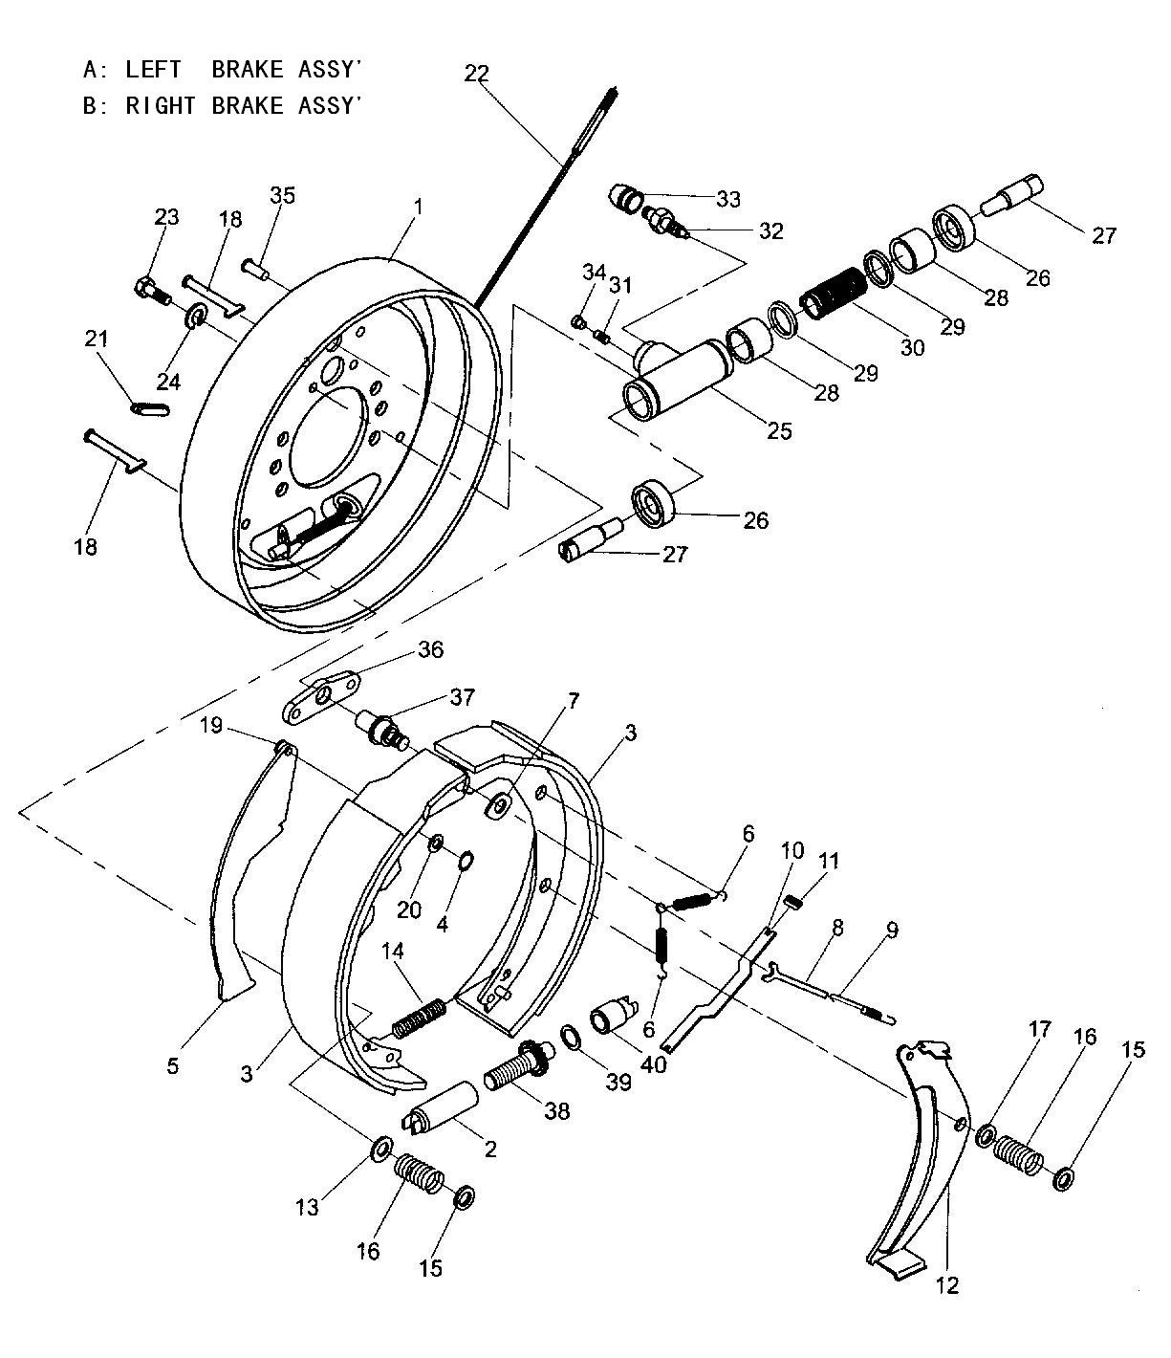
 | 1 | 255098523401 | Brake base assembly 23653-73011 | 制动器底板总成23653-73011 | 1 | 左右各一
 |  | 255098523402 | Brake base assembly 23653-73011-R | 制动器底板总成23653-73011-R | 1
 | 2 | 255098523403 | Gap adjusting sleeve 23653-72041 | 间隙调整套23653-72041 | 1 | 左右旋螺纹各一
 |  | 255098523404 | Gap adjusting sleeve23653-72041-R | 间隙调整套23653-72041-R | 1
 | 3 | 255098513502 | Friction plate assembly 23653-73021 | 摩擦片总成23653-73021 | 2 | 无石绵
 | 4 | 255098523405 | Resilient pad 24433-70160G | 弹性垫片24433-70160G | 1
 | 5 | 255098523406 | Hand brake lever 23653-72071C | 手制动拉杆23653-72071C | 1 | 左右对称各一
 | 5 | 255098523407 | Hand brake lever 23653-72071C-R | 手制动拉杆23653-72071C-R | 1
 | 6 | 255098523408 | Return spring23673-72261 | 回位弹簧23673-72261 | 2
 | 7 | 255098523409 | Gasket 23653-72131 | 垫片23653-72131 | 1
 | 8 | 255098523410 | Top material 23653-72161 | 顶杆23653-72161 | 1
 | 9 | 255098523411 | Tension spring 2353-72171 | 拉簧2353-72171 | 1
 | 10 | 255098523412 | Hand brake push rod 23653-72081 | 手制动推杆23653-72081 | 1
 | 11 | 255098523413 | Compression spring 23673-72391 | 压缩弹簧23673-72391 | 1
 | 12 | 255098523414 | Adjusting lever 23653-72151 | 调整杠杆23653-72151 | 1 | 左右对称各一
 |  | 255098523415 | Adjusting lever 23653-72151-R | 调整杠杆23653-72151-R | 1
 | 13 | 255098523416 | Pressure spring seat 23653-72191 | 压簧座23653-72191 | 1
 | 14 | 255098523417 | spring 23653-72051 | 弹簧23653-72051 | 1
 | 15 | 255098523418 | Pressure spring cover 23653-72111 | 压簧盖23653-72111 | 2
 | 16 | 255098523419 | Spring 23653-72091 | 弹簧23653-72091 | 1 | 左右螺旋各一
 |  | 255098523420 | Spring 23653-72091-R | 弹簧23653-72091-R | 1
 | 17 | 255098523421 | Pressure spring seat 23653-72121 | 压簧座23653-72121 | 1
 | 18 | 255098523422 | Compression spring rod 23653-72101 | 压簧拉杆23653-72101 | 2
 | 19 | 255098523423 | Fulcrum post 22673-72231 | 支撑销22673-72231 | 1
 | 20 | 255098523424 | Gasket 22673-72251 | 垫片22673-72251 | 1
 | 21 | 255098523425 | Glue plug 22673-72321 | 胶堵22673-72321 | 1
 | 22 | 255098513503 | Brake cable assembly (left) | 制动钢索总成（左） | 1 | 用于左制动器
 |  | 255098513504 | Brake cable assembly (right) | 制动钢索总成（右） | 1 | 用于右制动器
 | 23 | 910400500006 | Bolt GB5782-M8×16 | 螺栓GB5782-M8×16 | 1

255098501005 制动器总成/Brake assembly
 | 序号/NO | 编码/SN | Name | 名称 | 数量/QTY | 备注/Remark
 | 24 | 910100300020 | Spring Washer GB93-8 | 垫圈GB93-8 | 1
 | C | 255098513505 | Brake sub pump assembly24433-70160G | 制动分泵总成24433-70160G | 1 | 左右对称，包含25-34
 |  | 255098513806 | Brake sub pump assembly24433-70160G-R | 制动分泵总成24433-70160G-R | 1
 | 25 | ▲ | Brake subpump cylinder 22673-72061a | 制动分泵缸22673-72061a | 1 | 不单独提供
 |  | ▲ | Brake subpump cylinder 22673-72061a-R | 制动分泵缸22673-72061a-R | 1 | 不单独提供
 | 26 | ▲ | Brake branch pump guard 22673-72101 | 制动分泵护罩22673-72101 | 2 | 不单独提供
 | 27 | ▲ | Brake branch pump piston ejector rod 22673-72111 | 制动分泵活塞顶杆22673-72111 | 2 | 不单独提供
 | 28 | ▲ | Piston 22673-72071 | 活塞22673-72071 | 1 | 不单独提供
 | 29 | ▲ | Parting pump leather bowl 22673-72081G | 分泵皮碗22673-72081G | 1 | 不单独提供
 | 30 | ▲ | Brake branch pump spring 22673-72091 | 制动分泵弹簧22673-72091 | 1 | 不单独提供
 | 31 | ▲ | Brake subpump oil plug 24433-76070G | 制动分泵油塞24433-76070G | 1 | 不单独提供
 | 32 | ▲ | Brake pump bleeder screw 22673-72131 | 制动分泵放气螺钉22673-72131 | 1 | 不单独提供
 | 33 | ▲ | Pump bleeder screw guard 22673-72141 | 分泵放气螺钉护罩22673-72141 | 1 | 不单独提供
 | 34 | ▲ | Dust cap 22492-74010G | 防尘盖22492-74010G | 1 | 不单独提供
 | 35 | 255098523435 | Clinch bolt 22493-71020G | 铆钉22493-71020G | 1
 | 36 | 255098523436 | base plate 22493-71010G | 垫板22493-71010G | 1
 | 37 | 255098523437 | Fulcrum post 22493-71030G | 支撑销22493-71030G | 1
 | 38 | 255098523438 | 间隙调整螺栓22493-71030G | 间隙调整螺栓22493-71030G | 1 | 左右旋螺纹
 | 39 | 255098523439 | 垫圈10 B5310-00010 | 垫圈10 B5310-00010 | 1
 | 40 | 255098523440 | 间隙调整杆22493-72030G | 间隙调整杆22493-72030G | 1

255098501006 变速箱（ZN）/Gear box(ZN)
 | 序号/NO | 编码/SN | Name | 名称 | 数量/QTY | 备注/Remark
 | 1 | 910100300036 | Bolt | 螺栓M10X25 | 4
 | 2 | 910400500007 | Spring washer | 弹簧垫圈10 | 20
 | 3 | 255098524003 | Bearing cap | 轴承盖YDS30.168 | 1
 | 4 | 255098524004 | Spacer | 垫片YDS30.090 | 4
 | 5 | 910800100032 | O seal ring | O形密封圈75X3.1 | 1
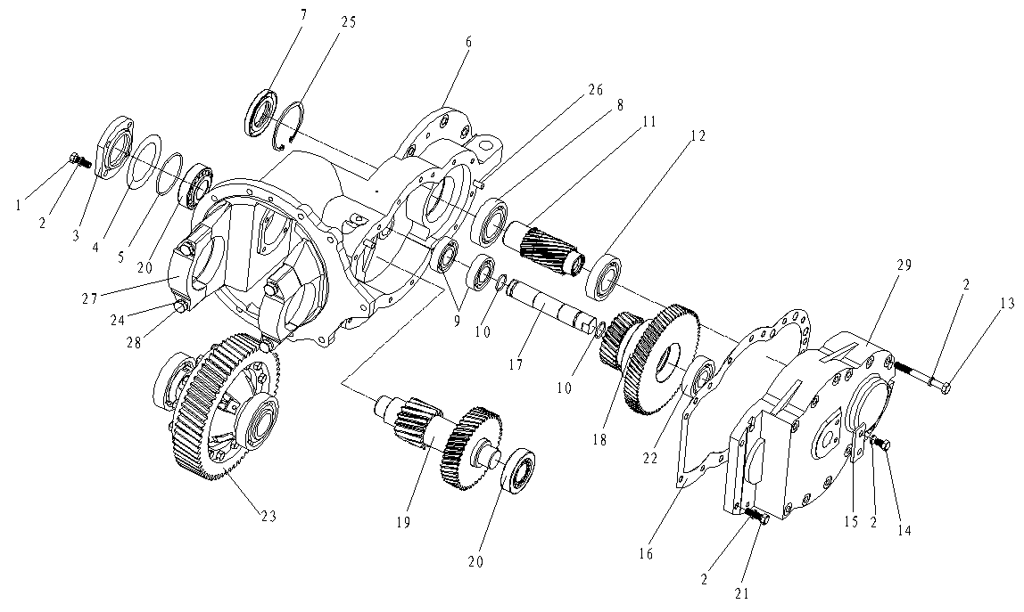
 | 6 | 255098524006 | Box | 箱体HDCSB30.001G1 | 1
 | 7 | 255098524007 | Oil seal | 油封TC45X85X10 | 1
 | 8 | 910700200024 | Bearing6209 | 深沟球轴承6209 | 1
 | 9 | 910700200021 | Bearing6206 | 深沟球轴承6206 | 3
 | 10 | 255098524010 | O-ring | O形密封圈25X2.65 | 2
 | 11 | 255098524011 | Input shaft assembly | 输入轴组件HDCSB30.802 | 1
 | 12 | 910700200023 | Bearing6208 | 深沟球轴承6208 | 1
 | 13 | 910100100125 | Bolt M10X100 | 螺栓M10X100 | 12
 | 14 | 910100300034 | Bolt M10X16 | 螺栓M10X16 | 2
 | 15 | 255098524017 | Stop dog | 挡块HDCS25.008 | 1
 | 16 | 255098524019 | Paper pad | 纸垫HDCSB30.008 | 1
 | 17 | 255098524020 | axle | 轴HDCSB30.007 | 1
 | 18 | 255098524021 | Gear | 双联齿轮组件HDCSB30.803 | 1
 | 19 | 255098524022 | Gear assembly | 齿轴组件HDCSB30.804 | 1
 | 20 | 255098524023 | Bearing32207 | 圆锥滚子轴承32207 | 2
 | 21 | 255098524024 | Bolt M10X40 | 螺栓GB/T5783-M10X40(10.9) | 2
 | 22 | 255098524042 | Bearing 6306 | 深沟球轴承6306 | 1
 | 23 | 255098524043 | Differential assembly | 差速器总成HDCSB30.901 | 1
 | 24 | 255098524027 | Locking plate | 重型弹簧GB/T7244-14 | 4
 | 25 | 255098524044 | Hole with elastic retainer 85 | 孔用弹性挡圈GB/T893.1-85 | 1
 | 26 | 910600100013 | Pin6X20 | 圆柱销6X20 | 2
 | 27 | 255098524025 | Bearing seat | 轴承座YDS25.002 | 2
 | 28 | 255098524026 | Bolt | 螺栓YDS30.089 | 4
 | 29 | 255098524018 | Box cover | 箱盖HDCSB30.002G1 | 1

255098501007 差速器(ZN)/Differential mechanism (ZN)
 | 序号/NO | 编码/SN | Name | 名称 | 数量/QTY | 备注/Remark
 | 1 | 255098524045 | Left differential carrier | 差速器壳组件YDS25.802 | 1 | 255014010002 | 重复255098524024
 | 2 | 255098524028 | Gear | 半轴齿轮YDS25.011 | 2
 | 3 | 255098524029 | Axle | 十字轴YDS25.019 | 1
 | 4 | 255098524030 | Washer | 垫圈YDS25.012 | 2
 | 5 | 255098524032 | Gear | 行星齿轮YDS25.007 | 4
 | 6 | 255098524034 | Gear ring | 齿圈HDCSB30.006 | 1
 | 7 | 255098524035 | Washer | 止推垫圈YDS25.006 | 4
 | 8 | 255098524036 | Spacer | 锁紧垫片YDS25.014 | 6
 | 9 | 255098524037 | Bolt | 螺栓YDS25.013 | 12
 | 10 | 910700200026 | Bearing | 深沟球轴承6211 | 2
 | 11 | 255098524040 | Nut | 六角螺母GB/T6176-M10X1.25 | 12

255098501008 变速箱(JD)/Gear box (JD)
 | 序号/NO | 编码/SN | Name | 名称 | 数量/QTY | 备注/Remark
 | A | 255014012002 | Gear box assembly | 减速箱总成 | 1
 | 1 | 254198524001 | Box | 箱体HDCS25-2-0101 | 1
 | 2 | 254198524002 | Bearing pedestal | 轴承座YQX25-0101 | 2
 | 3 | 254198524003 | Lock plate | 锁片YQX25-0004 | 4
 | 4 | 254198524004 | Box | 螺栓YQX30-0101 | 4
 | 5 | 254198524005 | Differential assembly | 差速器总成HDCS25-1000 | 1
 | 6 | 254198524006 | O-ring 85×3.1 | O形密封圈85×3.1 GB1235-76 | 1
 | 7 | 254198524007 | Bearing pedestal | 轴承座HDCS25-0001 | 1
 | 8 | 254198524008 | Spring washer 10 | 弹簧垫圈10 GB93-87 | 16
 | 9 | 254198524009 | Bolt M10×25 | 螺栓M10×25 GB70-86 | 6
 | 10 | 254198524010 | Twin gear shaf | 齿轴HDCS25-0400 | 1
 | 11 | 254198524011 | Twin gear | 双联齿轮HDCS25-0300 | 1
 | 12 | 254198524012 | Bearing NJ307E | 轴承NJ307E GB283-94 | 1
 | 13 | 254198524013 | Bearing 32206 | 轴承32206 GB297-94 | 2
 | 14 | 254198524014 | Bush | 衬套HDCS25-0005 | 1
 | 15 | 254198524015 | Adjustable pad | 调整垫HDCS25-0006 | 按需
 | 16 | 254198524016 | Locknut | 锁紧螺母HDCS25-0004 | 1
 | 17 | 254198524017 | O-ring 62×3.1 | O形密封圈62×3.1 GB1235-76 | 1
 | 18 | 254198524018 | End cover | 端盖HDCS25-0003 | 1
 | 19 | 254198524019 | Bolt M10×1.25x25 | 螺栓M10×1.25×25 GB5783-86 | 4
 | 20 | 254198524020 | Axle | 轴HDCS25-0007 | 1
 | 21 | 254198524021 | O-ring 30×2.4 | O型密封圈30×2.4 GB1235-76 | 2
 | 22 | 254198524022 | Bearing 6206/p5 | 轴承6206/p5 GB276-94 | 4
 | 23 | 254198524023 | Input gear | 输入齿轮HDCS25-0201 | 1
 | 24 | 254198524024 | Bearing 6208 | 轴承6208 GB276-94 | 2
 | 25 | 254198524025 | Pin B10×28 | 销B10×28 GB119-86 | 2
 | 26 | 254198524026 | Case cover | 箱盖HDCS25-0002 | 1
 | 27 | 254198524027 | Batter board | 定位板HDCS20-0007 | 1
 | 28 | 254198524028 | Bolt M10×1.25×15 | 螺栓M10×1.25×15 GB5786-86 | 2
 | 29 | 254198524029 | Spring washer 12 | 弹簧垫圈12 GB93-87 | 8
 | 30 | 254198524030 | Bolt M12×1.25×50 | 螺栓M12×1.25×50 GB5785-86 | 2

255098501008 变速箱(JD)/Gear box (JD)
 | 序号/NO | 编码/SN | Name | 名称 | 数量/QTY | 备注/Remark
 | 31 | 254198524031 | Bolt M12×1.25×100 | 螺栓M12×1.25×100 GB5785-86 | 6
 | 32 | 254198524032 | BoltM10×1.25×65 | 螺栓M10×1.25×65 GB5785-86 | 4

255098501009 变速箱(JD)差速器/Differential mechanism (JD)
 | 序号/NO | 编码/SN | Name | 名称 | 数量/QTY | 备注/Remark
 | 1 | 254198524033 | Cross gear shaft | 十字齿轮轴YQX25-2005/2008 | 1
 | 2 | 254198524034 | Planet gear | 行星齿轮YQX25-2006 | 4
 | 3 | 254198524035 | Thrust washer | 止推垫圈YQX25-2004 | 4
 | 4 | 254198524036 | Axle shaft gear | 半轴齿轮YQX25-2009 | 2
 | 5 | 254198524037 | Washer | 垫圈YQX25-2007 | 2
 | 6 | 254198524038 | Differential right half housing | 差速器右半壳YQX25-2101 | 1
 | 7 | 254198524039 | Differential left half housing | 差速器左半壳YQX25-2102 | 1
 | 8 | 254198524040 | Big gear ring | 大齿圈HDCS25-1001 | 1
 | 9 | 254198524041 | Bolt | 螺栓YQX25-2002 | 12
 | 10 | 254198524043 | Nut M10×1.25 | 螺母M10×1.25 GB／T6177.2-2016 | 12
 | 11 | 254198524044 | Bearing 6211 | 轴承6211 GB/T276-94 | 2

255098501010 驱动轮总成/Drive wheel assembly
 | 序号/NO | 编码/SN | Name | 名称 | 数量/QTY | 备注/Remarks
 | A | 255013010010 | Drive wheel assembly 23x9-10-18PR(gas) | 驱动轮总成23x9-10-18PR(充气) | 2 | 选装/Optional
 |  | 255013010011 | Drive wheel assembly 23x9-10（solid） | 驱动轮总成23x9-10（实心） | 2 | 选装/Optional
 |  | 255013010012 | Drive wheel assembly 23x9-10(environmental） | 驱动轮总成23x9-10（环保） | 2 | 选装/Optional
 | 1 | 255013010002 | Pneumatic tyre 23x9-10-18PR | 充气轮胎23x9-10-18PR | 2 | 选装/Optional
 |  | 255013010003 | Solid tyre 23x9-10 | 实心轮胎23x9-10 | 2 | 选装/Optional
 |  | 255013010007 | Environmental protection tyre 23x9-10 | 环保轮胎23x9-10 | 2 | 选装/Optional
 | 2 | 255013010001 | Rim assembly 6.50F | 轮辋总成6.50F | 2

255098501011 起升电机及安装/Lifting motor and installation
 | 序号/NO | 编码/SN | Name | 名称 | 数量/QTY | 备注/Remarks
 | 1 | 920900100038 | Motor(HP) | 电机(HP) | 1 | 选装/Optional
 |  | 920900100035 | Motor(WN) | 电机(WN) | 1 | 选装/Optional
 | 2 | 255032520003 | Anti vibration pad | 减振垫 | 8
 | 3 | 255032520001 | Bushing | 套 | 4
 | 4 | 255032520002 | Washer φ40xφ11x4 | 垫圈φ40xφ11x4 | 4
 | 5 | 910400500007 | Washer GB93-10 | 弹簧垫圈GB93-10 | 6
 | 6 | 910100100034 | BoltGB5782-M10x55-8.8 | 螺栓GB5782-M10x55-8.8 | 4
 | 7 | 255023512006 | Gear pump(20cc pomk) | 齿轮泵(20cc pomk) | 1 |  | 255023510006-更改代码20250327
 | 8 | 910400100007 | Washer GB97.1-10-200HV | 平垫圈GB97.1-10-200HV | 2
 | 9 | 910100300039 | Bolt GB5783-M10x40-8.8 | 螺栓GB5783-M10x40-8.8 | 2
 | 10 | 255098513251 | Encoder (HP) | 编码器（HP） | 1 | 选装/Optional
 |  | 255098513253 | Encoder (WN) | 编码器（WN） | 1 | 选装/Optional

255098501012 蓄电池及托架/Battery and bracket
 | 序号/NO | 编码/SN | Name | 名称 | 数量/QTY | 备注/Remarks
 | 1 | 255037010003 | Battery (48V600Ah)（bolt） | 电池(48V600Ah)(螺) | 1 | 螺栓式/bolt
 |  | 255037010005 | Battery (48V630Ah)（bolt） | 电池(48V630Ah)(螺) | 1 | 螺栓式/bolt
 |  | 255037010007 | Battery (48V700Ah)（bolt） | 电池(48V700Ah)(螺) | 1 | 螺栓式/bolt
 |  | 255037010015 | Battery (48V770Ah)（bolt） | 电池(48V770Ah)(螺) | 1 | 螺栓式/bolt
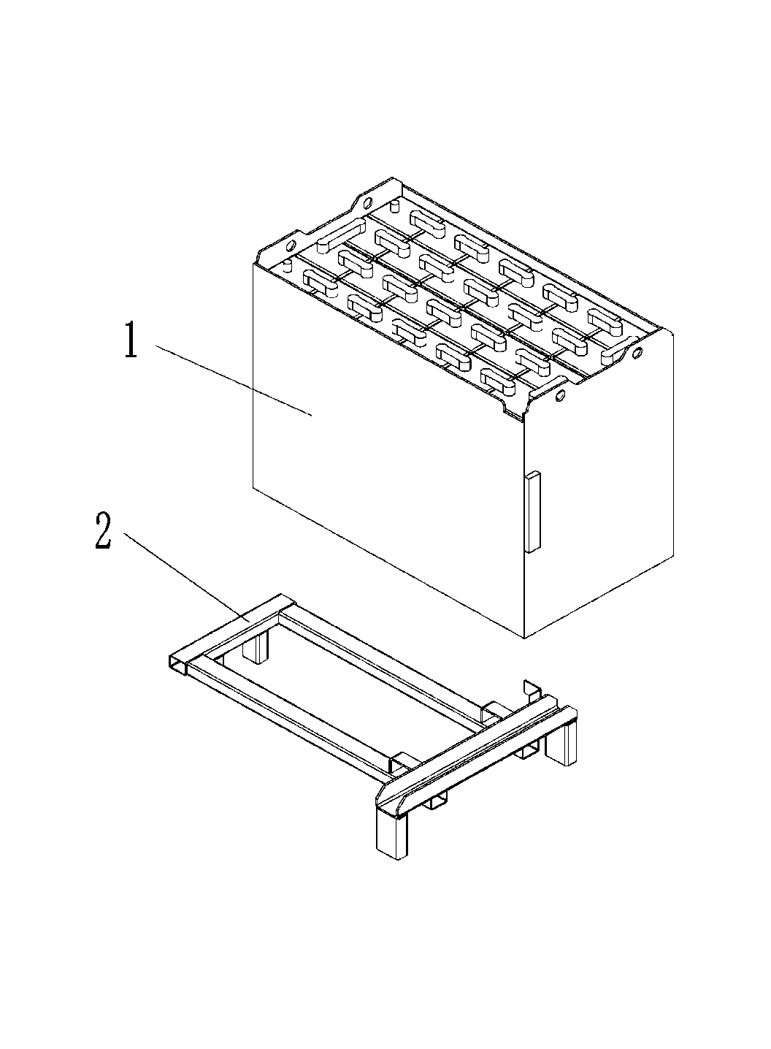
 | 2 | 255012510001 | Battery bracket welding | 电池托架焊合 | 1 | 侧出专用

255098501013 脚踏板/Foot pedal
 | 序号/NO | 编码/SN | Name | 名称 | 数量/QTY | 备注/Remarks
 | 1 | 255018020005 | Cushion | 地板垫 | 2
 | 2 | 255018010001 | Floor welding (front) | 地板焊合(前) | 1
 | 3 | 255018010002 | Floor welding (rear) | 地板焊合(后) | 1
 | 4 | 941100100001 | Screw M8x12-8.8 | 螺钉M8x12-8.8 | 2
 | 5 | 255018020006 | Foot pedal | 上车脚踏板 | 1

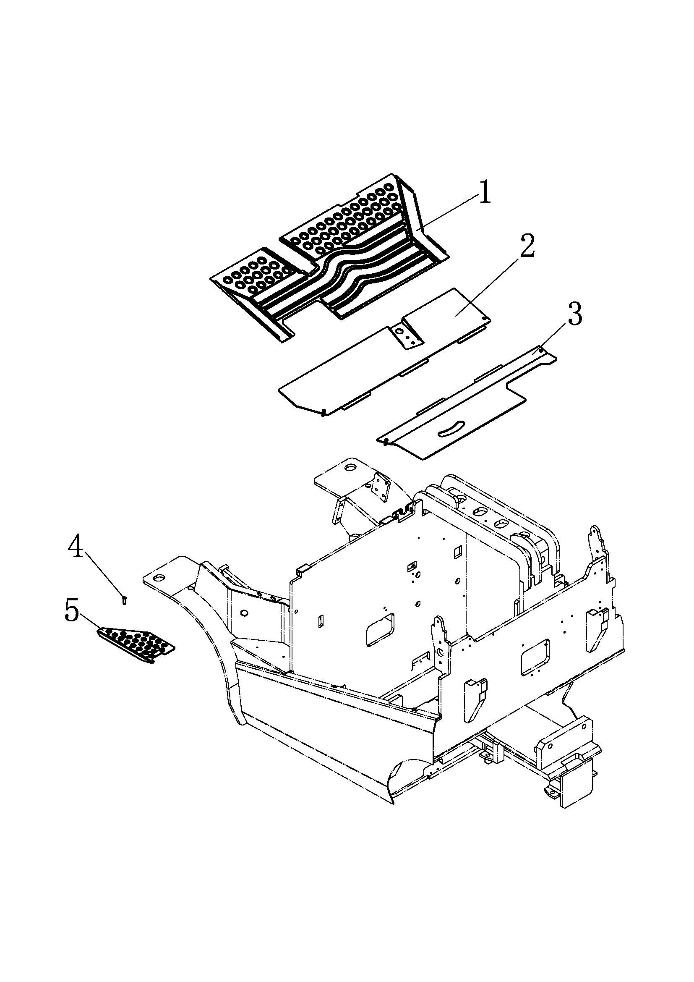

255098501014 电瓶箱盖/Battery box cover
 | 序号/NO | 编码/SN | Name | 名称 | 数量/QTY | 备注/Remarks
 | 1 | 255021010002 | Battey box cover welding | 电瓶箱盖焊合 | 1
 | 2 | 910300100005 | Nut GB6170-M6-10 | 螺母GB6170-M6-10 | 8
 | 3 | 255021010016 | Pressing plate weiding | 压板焊合 | 2
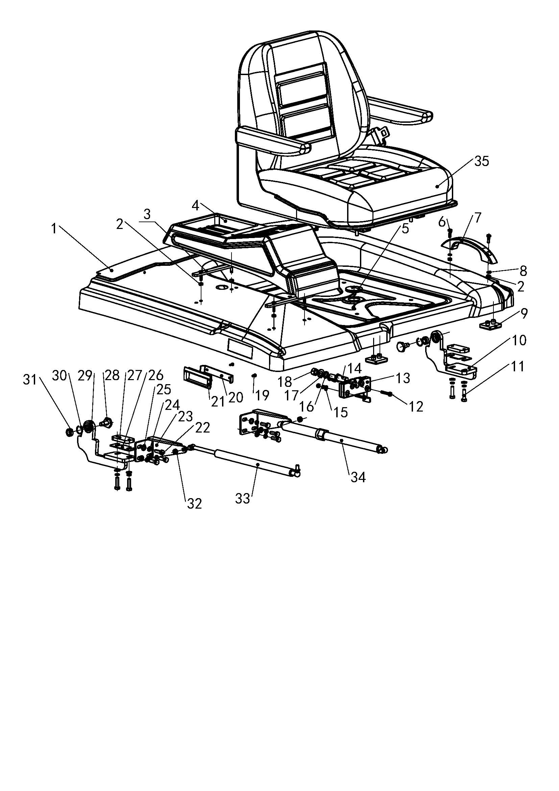
 | 4 | 255021020003 | Trim | 装饰盖 | 1
 | 5 | 255021020046 | Guard cicle φ35 | 保护圈φ35 | 1
 | 6 | 910200500053 | ScrewGB818-M6x20-4.8 | 螺钉GB818-M6x20-4.8 | 2
 | 7 | 255021020020 | Handle | 拉手 | 1
 | 8 | 910400500005 | WasherGB93-6 | 弹簧垫圈GB93-6 | 4
 | 9 | 255021020068 | Damping pad | 缓冲垫 | 2
 | 10 | 255021010005 | Hinge welding (left) | 铰链焊合(左) | 1
 | 11 | 910100300024 | Bolt GB5783-M8x30-8.8 | 螺栓GB5783-M8x30-8.8 | 4
 | 12 | 910200500056 | Screw GB818-M6x35-4.8 | 螺钉GB818-M6x35-4.8 | 2
 | 13 | 255021010010 | Head cover lock | 顶盖锁 | 1
 | 14 | 255021020052 | Lock tongue 2 | 锁舌2 | 1
 | 15 | 910400100005 | Washer GB97.1-6-200HV | 平垫圈GB97.1-6-200HV | 2
 | 16 | 910400500008 | WasherGB93-12 | 弹簧垫圈GB93-12 | 1
 | 17 | 910400100008 | WasherGB97.1-12-200HV | 平垫圈GB97.1-12-200HV | 1
 | 18 | 910300100008 | Nut GB6170-M12-10 | 螺母GB6170-M12-10 | 1
 | 19 | 910200500021 | Screw GB818-M4x10-4.8 | 螺钉GB818-M4x10-4.8 | 2
 | 20 | 255021020055 | Fixing plate | 固定板 | 1
 | 21 | 255021020021 | Handle(inside) | 拉手(内) | 1
 | 22 | 910100300023 | Bolt GB5783-M8x25-8.8 | 螺栓GB5783-M8x25-8.8 | 6
 | 23 | 255021020047 | Holder | 支架 | 2
 | 24 | 910400500006 | Washer GB93-8 | 弹簧垫圈GB93-8 | 10
 | 25 | 910400100006 | Washer GB97.1-8-200HV | 平垫圈GB97.1-8-200HV | 10
 | 26 | 255021020054 | Adjusting pad | 调整垫 | 2
 | 27 | 255021020045 | Bed plate | 座板 | 2
 | 28 | 255021020043 | Bolt | 固定螺栓 | 2
 | 29 | 255021010006 | Hinge welding (right) | 铰链焊合(右) | 1
 | 30 | 910401500001 | Circlip GB895.1-22 | 孔用钢丝挡圈GB895.1-22 | 2
 | 31 | 255021010014 | BearingGE12E | 关节轴承GE12E | 2

255098501014 电瓶箱盖/Battery box cover
 | 序号/NO | 编码/SN | Name | 名称 | 数量/QTY | 备注/Remarks
 | 32 | 910300100006 | NutGB6170-M8-10 | 螺母GB6170-M8-10 | 2
 | 33 | 940400100030 | Air spring 200N(D620) | 气弹簧200N(D620) | 1
 | 34 | 940400100031 | Air spring500N(D620)-lock oneself | 气弹簧500N(D620)-自锁 | 1
 | 35 | 256937511003 | Seats AH2-2A | 座椅AH2-2A | 1
 |  | 256937511004 | Seats AH2-3AB | 座椅AH2-3AB | 1 | 选装/optional

255098501015 右侧门(侧出式)/Right side door
 | 序号/NO | 编码/SN | Name | 名称 | 数量/QTY | 备注/Remarks
 | 1 | 910100300023 | Bolt GB5783-M8x25-8.8 | 螺栓GB5783-M8x25-8.8 | 2
 | 2 | 910400500006 | Washer GB93-8 | 弹簧垫圈GB93-8 | 2
 | 3 | 910400100006 | Washer GB97.1-8-200HV | 平垫圈GB97.1-8-200HV | 2
 | 4 | 910300100007 | Nut GB6170-M10-10 | 螺母GB6170-M10-10 | 1
 | 5 | 910400500007 | Washer GB93-10 | 弹簧垫圈GB93-10 | 5
 | 6 | 910400100007 | Washer GB97.1-10-200HV | 平垫圈GB97.1-10-200HV | 5
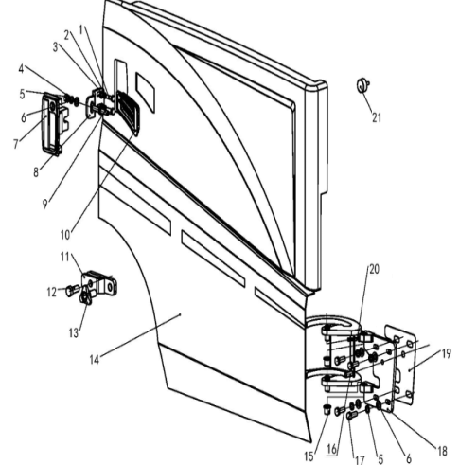
 | 7 | 255021010009 | Side door lock | 侧门锁 | 1
 | 8 | 255021020039 | Fixing plate | 固定板 | 1
 | 9 | 255021020040 | Lock tongue 1 | 锁舌1 | 1
 | 10 | 505621520041 | Air hole (left) | 通风孔(左) | 1
 | 11 | 255021010007 | Limit seat welding | 限位座焊合 | 1
 | 12 | 910100300063 | Bolt GB5783-M14x35-8.8 | 螺栓GB5783-M14x35-8.8 | 2
 | 13 | 255021020059 | Star shaped handle | 星形把手 | 1
 | 14 | 255021010001 | Side door welding (right) | 侧门焊合(右) | 1
 | 15 | 940500200016 | Bushing 16x18x16-SF-1 | 复合套(肩)16x18x16-SF-1 | 2
 | 16 | 910600100031 | Dowel pin GB119.2-10x30 | 圆柱销GB119.2-10x30 | 1
 | 17 | 910100300037 | Bolt GB5783-M10x30-8.8 | 螺栓GB5783-M10x30-8.8 | 4
 | 18 | 255021010004 | Hinge seat welding | 铰链座焊合 | 1
 | 19 | 255021020044 | Adjusting washer | 调整垫 | 1
 | 20 | 910100300014 | Bolt GB5783-M6x35-8.8 | 螺栓GB5783-M6x35-8.8 | 1
 | 21 | 505618020016 | Damping pad | 缓冲垫 | 1

255098501016 右侧板（吊装式)/Right side plate（hoisting frame)
 | 序号/NO | 编码/SN | Name | 名称 | 数量/QTY | 备注/Remarks
 | 1 | 941100100012 | Bolt M8X20 | 螺钉M8x20-8.8(黑) | 1
 | 2 | 255021010017 | Side plate welding (right) | 侧板焊合(右) | 1
 | 3 | 505621520041 | Air hole (left) | 通风孔2 | 1
 | 4 | 910200500052 | Screw GB818-M6x16-4.8 | 螺钉GB818-M6x16-4.8 | 2
 | 5 | 910400500005 | Washer GB93-6 | 弹簧垫圈GB93-6 | 2
 | 6 | 910400100005 | Washer GB97.1-6-200HV | 平垫圈GB97.1-6-200HV | 2
 | 7 | 255021010015 | Hook welding (left) | 挂钩焊合(左) | 1
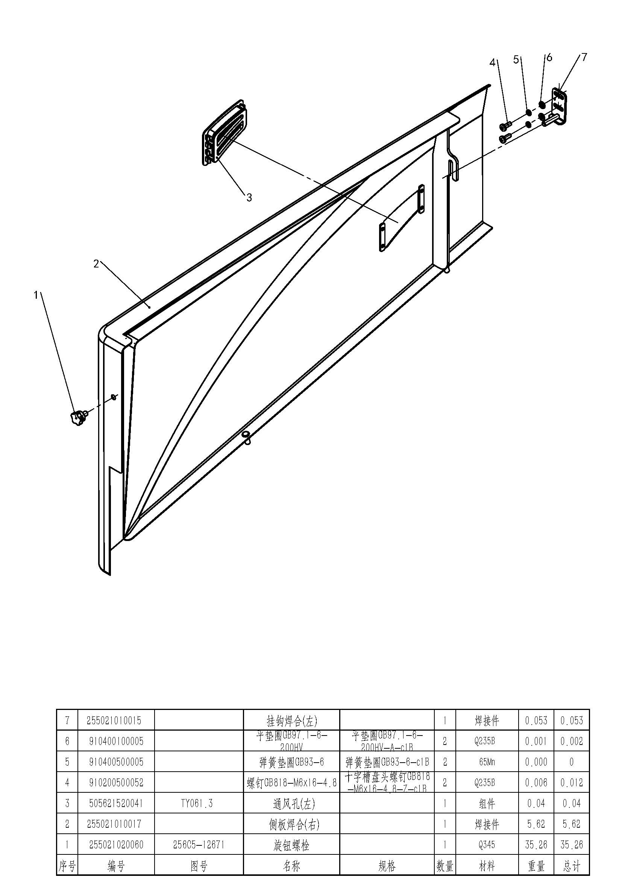

255098501017 左侧板/Left cover plate
 | 序号/NO | 编码/SN | Name | 名称 | 数量/QTY | 备注/Remarks
 | 1 | 255021010015 | Hook welding (left) | 挂钩焊合(左) | 1
 | 2 | 910400100005 | Washer GB97.1-6-200HV | 平垫圈GB97.1-6-200HV | 2
 | 3 | 910400500005 | Washer GB93-6 | 弹簧垫圈GB93-6 | 2
 | 4 | 910200500052 | Screw GB818-M6x16-4.8 | 螺钉GB818-M6x16-4.8 | 2
 | 5 | 255021010003 | Side plate welding (left) | 侧板焊合(左) | 1 | 选装/optional
 |  | 255121011001 | Side plate welding (left LI) | 侧板焊合(左锂电) | 1 | 选装/optional
 | 6 | 505621520038 | Air hole (right) | 通风孔1 | 1
 | 7 | 941100100012 | Bolt M8X20 | 螺钉M8x20-8.8(黑) | 1

255098501018 阀罩/Valve cover
 | 序号/NO | 编码/SN | Name | 名称 | 数量/QTY | 备注/Remarks
 | 1 | 255021020051 | Holder | 支架 | 2
 | 2 | 910400100005 | Washer GB97.1-6-200HV | 平垫圈GB97.1-6-200HV | 2
 | 3 | 910400500005 | Washer GB93-6 | 弹簧垫圈GB93-6 | 2
 | 4 | 910200500053 | Screw GB818-M6x20-4.8 | 螺钉GB818-M6x20-4.8 | 2
 | 5 | 255021020002 | Protective cover 1 | 防护罩1 | 1
 | 6 | 940801500001 | M6 Nut | M6卡式螺母 | 4
 | 7 | 910200500052 | ScrewGB818-M6x16-4.8 | 螺钉GB818-M6x16-4.8 | 6
 | 8 | 255021020001 | Protective cover 2 | 防护罩2 | 1
 | 9 | 255024520065 | Rubber sheath | 橡胶护套 | 2
 | 10 | 255024520063 | Cap | 操纵孔盖 | 2
 | 11 | 255021020017 | Cover | 电控罩 | 1
 | 12 | 941100100001 | ScrewM8X12-8.8 | 螺钉M8X12-8.8 | 2

255098501019 平衡重装配/Counter weight assembly
 | 序号/NO | 编码/SN | Name | 名称 | 数量/QTY | 备注/Remarks
 | 1 | 255023020001 | Counter weight (2.5t) | 平衡重(2.5t) | 1 | FE4P25N
 |  | 254523020001 | Counter weight (2.0t) | 平衡重(2.0t) | 1 | FE4P20N
 | 2 | 255023010001 | Pin | 牵引销 | 1
 | 3 | 910100100101 | Bolt GB5782-M24x100-8.8 | 螺栓GB5782-M24x100-8.8 | 2
 | 4 | 910400500013 | Washer GB93-24 | 弹簧垫圈GB93-24 | 2
 | 5 | 255023020007 | Spacer | 垫片 | 2
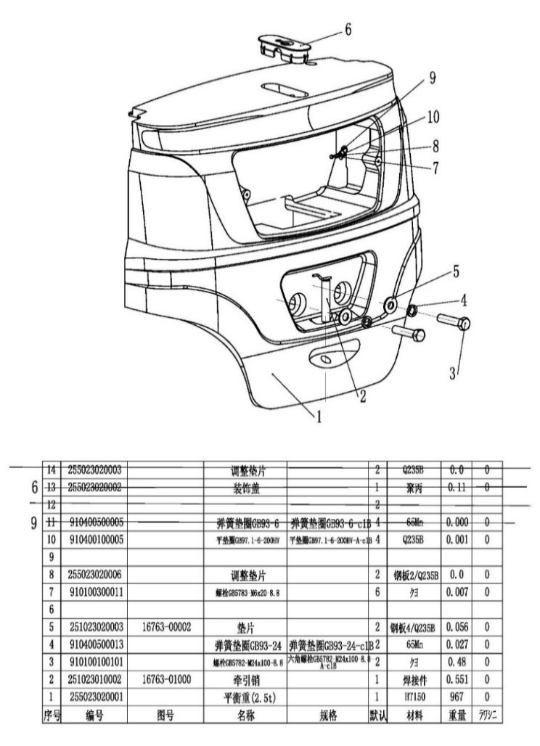
 | 6 | 255023020002 | Cap | 装饰盖 | 1
 | 7 | 910100300011 | Bolt GB5783-M6x20-8.8 | 螺栓GB5783-M6x20-8.8 | 2
 | 8 | 255023020006 | Spacer | 调整垫片 | 2
 | 9 | 910400500005 | Washer GB93-6 | 弹簧垫圈GB93-6 | 2
 | 10 | 910400100005 | Washer GB97.1-6-200HV | 平垫圈GB97.1-6-200HV | 2

255098501020 车架(侧出式)/Frame(sidesway)
 | 序号/NO | 编码/SN | Name | 名称 | 数量/QTY | 备注/Remarks
 | 1 | 255021510020 | Frame welding (middle of south) | 车架焊合 | 1
 | 2 | 910100300020 | Bolt GB5783-M8x16-8.8 | 螺栓GB5783-M8x16-8.8 | 4
 | 3 | 910400500006 | Washer GB93-8 | 弹簧垫圈GB93-8 | 4
 | 4 | 910400100006 | Washer GB97.1-8-200HV | 平垫圈GB97.1-8-200HV | 4
 | 5 | 941100100001 | Screw M8X12-8.8 | 螺钉M8X12-8.8 | 2
 | 6 | 255021510004 | Side plate welding | 侧板焊合(右外) | 1
 | 7 | 255021510001 | Baffle welding | 挡板焊合(右前) | 1
 | 8 | 910400100009 | Washer GB97.1-14-200HV | 平垫圈GB97.1-14-200HV | 4
 | 9 | 910400500009 | Washer GB93-14 | 弹簧垫圈GB93-14 | 4
 | 10 | 910100300063 | Bolt GB5783-M14x35-8.8 | 螺栓GB5783-M14x35-8.8 | 4
 | 11 | 255021510010 | Plate welding | 前联板焊合 | 1
 | 12 | 910400100007 | Washer GB97.1-10-200HV | 平垫圈GB97.1-10-200HV | 3
 | 13 | 910400500007 | Washer GB93-10 | 弹簧垫圈GB93-10 | 3
 | 14 | 910100300037 | Bolt GB5783-M10x30-8.8 | 螺栓GB5783-M10x30-8.8 | 3
 | 15 | 255021510009 | Indicator welding | 仪表架焊合 | 1
 | 16 | 910100300051 | BoltGB5783-M12x35-8.8 | 螺栓GB5783-M12x35-8.8 | 4
 | 17 | 910400100008 | Washer GB97.1-12-200HV | 平垫圈GB97.1-12-200HV | 4
 | 18 | 910400500008 | Washer GB93-12 | 弹簧垫圈GB93-12 | 4
 | 19 | 910300100008 | Nut GB6170-M12-10 | 螺母GB6170-M12-10 | 4

255098501021 车架(吊装式)/Frame (ceiling mounted)
 | 序号/NO | 编码/SN | Name | 名称 | 数量/QTY | 备注/Remarks
 | 1 | 255021510021 | Frame welding (crane) | 车架焊合(起吊) | 1
 | 2 | 910100300020 | Bolt GB5783-M8x16-8.8 | 螺栓GB5783-M8x16-8.8 | 4
 | 3 | 910400500006 | Washer GB93-8 | 弹簧垫圈GB93-8 | 4
 | 4 | 910400100006 | Washer GB97.1-8-200HV | 平垫圈GB97.1-8-200HV | 4
 | 5 | 255021510001 | Baffle welding | 挡板焊合(右前) | 1
 | 6 | 910400100009 | Washer GB97.1-14-200HV | 平垫圈GB97.1-14-200HV | 4
 | 7 | 910400500009 | Washer GB93-14 | 弹簧垫圈GB93-14 | 4
 | 8 | 910100300063 | Bolt GB5783-M14x35-8.8 | 螺栓GB5783-M14x35-8.8 | 4
 | 9 | 255021510010 | Plate welding | 前联板焊合 | 1
 | 10 | 910400100007 | Washer GB97.1-10-200HV | 平垫圈GB97.1-10-200HV | 5
 | 11 | 910400500007 | Washer GB93-10 | 弹簧垫圈GB93-10 | 5
 | 12 | 910100300037 | Bolt GB5783-M10x30-8.8 | 螺栓GB5783-M10x30-8.8 | 3
 | 13 | 255021510009 | Indicator holder welding | 仪表架焊合 | 1
 | 14 | 910100300051 | Bolt GB5783-M12x35-8.8 | 螺栓GB5783-M12x35-8.8 | 4
 | 15 | 910400100008 | Washer GB97.1-12-200HV | 平垫圈GB97.1-12-200HV | 8
 | 16 | 910400500008 | Washer GB93-12 | 弹簧垫圈GB93-12 | 4
 | 17 | 910300100008 | Nut GB6170-M12-10 | 螺母GB6170-M12-10 | 4
 | 18 | 910100300035 | Bolt GB5783-M10x30-8.8 | 螺栓GB5783-M10x30-8.8 | 2
 | 19 | 255021520101 | Cover plate | 盖板 | 1
 | 20 | 253521520063 | Spacer Ф14.5xФ12.2x10 | 隔套Ф14.5xФ12.2x10 | 4
 | 21 | 255021520109 | Anti vibration pad φ140xφ13x25 | 减震垫φ140xφ13x25 | 4
 | 22 | 910200200099 | Screw GB70.1-M12x35-8.8 | 螺钉GB70.1-M12x35-8.8 | 4

255098501022 控制面板/Control panel
 | 序号/NO | 编码/SN | Name | 名称 | 数量/QTY | 备注/Remarks
 | 1 | 941100100009 | ScrewM6x12-8.8 | 螺钉M6x12-8.8 | 19
 | 2 | 255010020002 | Cover | 罩(下) | 1
 | 3 | 255010020009 | Nut M6 | 簧片螺母M6 | 10
 | 4 | 255010020001 | Cover (Curtis) | 罩(上)(Curtis) | 1 | 选装/Optional
 |  | 255010020007 | Cover (Inmotion) | 罩(上) (Inmotion) | 1 | 选装/Optional
 | 5 | 255010020003 | Lid | 制动杯盖 | 1
 | 6 | 910200500040 | Screw GB818-M5x16-4.8 | 螺钉GB818-M5x16-4.8 | 2
 | 7 | 255010020005 | Front cover | 前盖 | 1
 | 8 | 910301300001 | NutGB17880.1-M5x14 | 螺母GB17880.1-M5x14 | 1
 | 9 | 255010020006 | Lid | 后盖 | 1
 | 10 | 255010020004 | Tool box | 工具盒 | 1

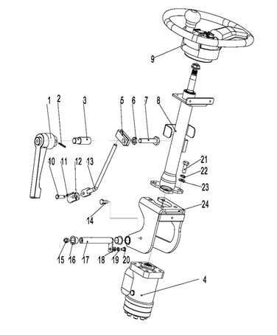
255098501023 转向装置及安装/Steering mechanism and installatio
 | 序号/NO | 编码/SN | Name | 名称 | 数量/QTY | 备注/Remarks
 | 1 | 255015010007 | 可调手柄 | The adjustable handle | 1
 | 2 | 910600400011 | 弹性圆柱销GB879.1-4x30 | Elastic cylinder pin GB879.1-4x30 | 1
 | 3 | 255015020025 | 夹柄螺套 | Clamp holder screw sets | 1
 | 4 | 255015012002 | 转向器100 | Steering 100 | 1 |  | 255015010002 | 互换通用
 | 5 | 255015020019 | 锁紧块 | Locking block | 1
 | 6 | 910300300006 | 螺母GB6172.1-M12-05 | Nut GB6172.1-M12-05 | 1
 | 7 | 910100300057 | 螺栓GB5783-M12x70-8.8 | Bolt GB5783 M12x70-8.8 | 1
 | 8 | 255015010001 | 转向管柱总成 | Steering string assembly | 1
 | 9 | 255015010003 | 方向盘 | The steering wheel | 1
 | 10 | 910600700014 | 销轴GB882-6x26x1.6 | Pin GB882-6x26x1.6 | 1
 | 11 | 910600600005 | 开口销GB91-1.6x10 | Cotter pin GB91-1.6x10 | 1
 | 12 | 255015020002 | 固定座 | The fixed seat | 1
 | 13 | 255015010005 | 调节杆焊合 | Adjust rod welding | 1
 | 14 | 255015020021 | 调节螺钉 | Adjust the screw | 1
 | 15 | 911200100004 | 油杯JB7940.1-M10x1 | Oil cup JB7940.1-M10x1 | 1
 | 16 | 940500200016 | 复合套(带肩)Φ16xΦ18x16-SF-1 | Composite set (shoulder)Φ16xΦ18x16-SF-1 | 2
 | 17 | 255011510003 | 带耳轴Φ16x135 | With trunnionΦ16x135 | 1
 | 18 | 910400100005 | 平垫圈GB97.1-6-200HV | WasherGB97.1-6-200HV | 1
 | 19 | 910400500005 | 弹簧垫圈GB93-6 | Spring washerGB93-6 | 1
 | 20 | 910100300009 | 螺栓GB5783-M6x12-8.8 | Bolt GB5783 M6x12-8.8 | 1
 | 21 | 910100300036 | 螺栓GB5783-M10x25-8.8 | Bolt GB5783 M10x25-8.8 | 4
 | 22 | 910400500007 | 弹簧垫圈GB93-10 | Spring washer gb93-10 | 4
 | 23 | 910400100007 | 平垫圈GB97.1-10-200HV | Washer GB97.1-10-200HV | 4
 | 24 | 255015010004 | 支架焊合 | Bracket welded | 1

255098501024 脚制动操纵/Foot brake
 | 序号/NO | 编码/SN | Name | 名称 | 数量/QTY | 备注/Remarks
 | 1 | 910100300010 | Bolt GB5783-M6x16-8.8 | 螺栓GB5783-M6x16-8.8 | 2
 | 2 | 910400500005 | Washer GB93-6 | 弹簧垫圈GB93-6 | 2
 | 3 | 910400100005 | Washer GB97.1-6-200HV | 平垫圈GB97.1-6-200HV | 2
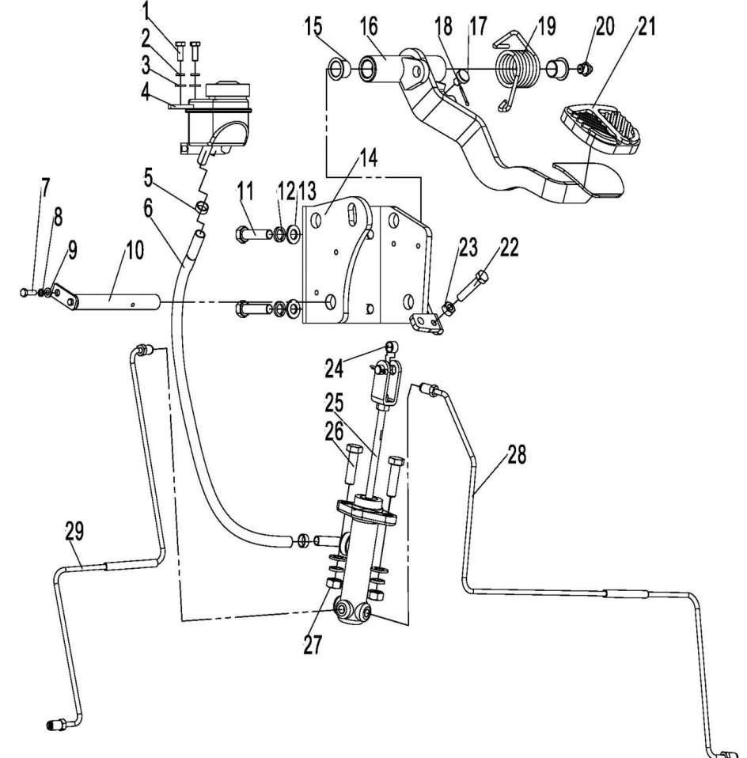
 | 4 | 255011510006 | Grease nipple | 油杯 | 1
 | 5 | 911000600001 | Hose clamp QC/T390-(11-14) | 喉箍QC/T390-(11-14) | 2
 | 6 | 255011520021 | Connecting pipe | 连接管 | 1
 | 7 | 910100300003 | Bolt GB5783-M5x12-8.8 | 螺栓GB5783-M5x12-8.8 | 1
 | 8 | 910400500004 | Washer GB93-5 | 弹簧垫圈GB93-5 | 1
 | 9 | 910400100004 | Washer GB97.1-5-200HV | 平垫圈GB97.1-5-200HV | 1
 | 10 | 255011510003 | Axle Φ16x135 | 带耳轴Φ16x135 | 1
 | 11 | 910100300039 | Bolt GB5783-M10x40-8.8 | 螺栓GB5783-M10x40-8.8 | 4
 | 12 | 910400500007 | Washer GB93-10 | 弹簧垫圈GB93-10 | 6
 | 13 | 910400100007 | Washer GB97.1-10-200HV | 平垫圈GB97.1-10-200HV | 6
 | 14 | 255011510004 | Foot brake holder welding | 脚制动支架焊合 | 1
 | 15 | 940500100006 | Bushing Φ16xΦ18x15-SF-1 | 复合套Φ16xΦ18x15-SF-1 | 2
 | 16 | 255011510002 | Pedal weiding | 踏板焊合 | 1
 | 17 | 255011520010 | Damping pad | 缓冲垫 | 1
 | 18 | 910600600015 | Split pin GB91-2x20 | 开口销GB91-2x20 | 1
 | 19 | 255011520008 | Spring | 扭簧 | 1
 | 20 | 911200100004 | Grease nipple JB7940.1-M10x1 | 油杯JB7940.1-M10x1 | 1
 | 21 | 255011520013 | Pedal (rubber) | 踏板(橡胶) | 1
 | 22 | 910100100023 | Bolt GB5782-M8x45-8.8 | 螺栓GB5782-M8x45-8.8 | 1
 | 23 | 910300100006 | Nut GB6170-M8-10 | 螺母GB6170-M8-10 | 1
 | 24 | 940500100048 | Bushing Φ10xΦ12x8-SF-1 | 复合套Φ10xΦ12x8-SF-1 | 1
 | 25 | 255011510001 | Brake pump assembly | 制动泵总成 | 1
 | 26 | 910100300038 | Bolt GB5783-M10x35-8.8 | 螺栓GB5783-M10x35-8.8 | 2
 | 27 | 910300100007 | NutGB6170-M10-10 | 螺母GB6170-M10-10 | 2
 | 28 | 255011510009 | Hydraulic steel pipe welding 2 | 液压钢管焊合2 | 1
 | 29 | 255011510010 | Hydraulic steel pipe welding 1 | 液压钢管焊合1 | 1

255098501025 停车制动操纵/Parking brake
 | 序号/NO | 编码/SN | Name | 名称 | 数量/QTY | 备注/Remarks
 | A | 255012010001 | Parking brake assembly | 驻车制动总成 | 1
 | 1 | ▲ | Screw GB70.1-M5x16-8.8 | 螺钉GB70.1-M5x16-8.8 | 1 | 不单独提供
 | 2 | ▲ | Spring 2 | 拉簧2 | 1 | 不单独提供
 | 3 | ▲ | Circlip GB894.1-16 | 轴用弹性挡圈GB894.1-16 | 2 | 不单独提供
 | 4 | ▲ | Washer GB97.1-16-200HV | 平垫圈GB97.1-16-200HV | 2 | 不单独提供
 | 5 | ▲ | Pedal welding | 踏板焊合 | 1 | 不单独提供
 | 6 | ▲ | Baffle | 挡板 | 1 | 不单独提供
 | 7 | ▲ | Screw GB818-M3x8-4.8 | 螺钉GB818-M3x8-4.8 | 5 | 不单独提供
 | 8 | ▲ | Screw GB818-M3x20-4.8 | 螺钉GB818-M3x20-4.8 | 2 | 不单独提供
 | 9 | 920200300009 | Micro switch RV-166-1C25 | 微动开关 | 1
 | 10 | ▲ | Shaft | 挡轴 | 1 | 不单独提供
 | 11 | ▲ | Steel ball GB308-5.5 | 钢球GB308-5.5 | 1 | 不单独提供
 | 12 | ▲ | Spring | 压簧 | 1 | 不单独提供
 | 13 | ▲ | Screw GB77-M8x8-45H | 螺钉GB77-M8x8-45H | 1 | 不单独提供
 | 14 | ▲ | Assembly seat | 安装座 | 1 | 不单独提供
 | 15 | ▲ | Board 3 | 板3 | 1 | 不单独提供
 | 16 | ▲ | M8x170 Bolt | M8x170螺栓 | 1 | 不单独提供
 | 17 | ▲ | Axle | 挡轴 | 1 | 不单独提供
 | 18 | ▲ | Nut GB6170-M8-10 | 螺母GB6170-M8-10 | 2 | 不单独提供
 | 19 | ▲ | Washer GB97.1-8-200HV | 平垫圈GB97.1-8-200HV | 2 | 不单独提供
 | 20 | ▲ | Axle 3 | 轴3 | 1 | 不单独提供
 | 21 | ▲ | Polyurethane tube | 聚氨酯管 | 1 | 不单独提供
 | 22 | ▲ | Spring 1 | 拉簧1 | 1 | 不单独提供
 | 23 | ▲ | Axle 4 | 轴4 | 1 | 不单独提供
 | 24 | ▲ | Washer GB97.1-10-200HV | 平垫圈GB97.1-10-200HV | 4 | 不单独提供
 | 25 | ▲ | Washer GB93-10 | 弹簧垫圈GB93-10 | 3 | 不单独提供
 | 26 | ▲ | Bolt GB5783-M10x25-8.8 | 螺栓GB5783-M10x25-8.8 | 3 | 不单独提供
 | 27 | ▲ | Board 2 | 板2 | 1 | 不单独提供
 | 28 | ▲ | Axle 1 | 轴1 | 1 | 不单独提供
 | 29 | ▲ | Axle 2 | 轴2 | 1 | 不单独提供
 | 30 | ▲ | Board 1 | 板1 | 1 | 不单独提供

255098501025 停车制动操纵/Parking brake
 | 序号/NO | 编码/SN | Name | 名称 | 数量/QTY | 备注/Remarks
 | 31 | ▲ | Spring seat | 扭簧座 | 1 | 不单独提供
 | 32 | ▲ | Spring | 扭簧 | 1 | 不单独提供
 | 33 | ▲ | Nut GB889.1-M5-10 | 螺母GB889.1-M5-10 | 1 | 不单独提供
 | 34 | ▲ | Pedal pad | 踏板垫 | 1 | 不单独提供
 | 35 | ▲ | Washer GB93-3 | 弹簧垫圈GB93-3 | 3 | 不单独提供
 | 36 | ▲ | Dowel pin GB879.1-2.5x10 | 弹性圆柱销GB879.1-2.5x10 | 1 | 不单独提供
 | 37 | ▲ | Board 2 | 板2 | 1 | 不单独提供
 | B | 255098512010 | Parking brake repair kit | 驻车制动器修理包 | 1

255098501026 护顶架及安装/Overhead guard and installation
 | 序号/NO | 编码/SN | Name | 名称 | 数量/QTY | 备注/Remarks
 | 1 | 910100300050 | Bolt GB5783-M12x30-8.8 | 螺栓GB5783-M12x30-8.8 | 8
 | 2 | 910400500008 | Washer GB93-12 | 弹簧垫圈GB93-12 | 8
 | 3 | 910400100008 | Washer GB97.1-12-200HV | 平垫圈GB97.1-12-200HV | 4
 | 4 | 255022020002 | Special pipe cover | 异型管罩(右) | 1
 | 5 | 255022020001 | Special pipe cover | 异型管罩(左) | 1
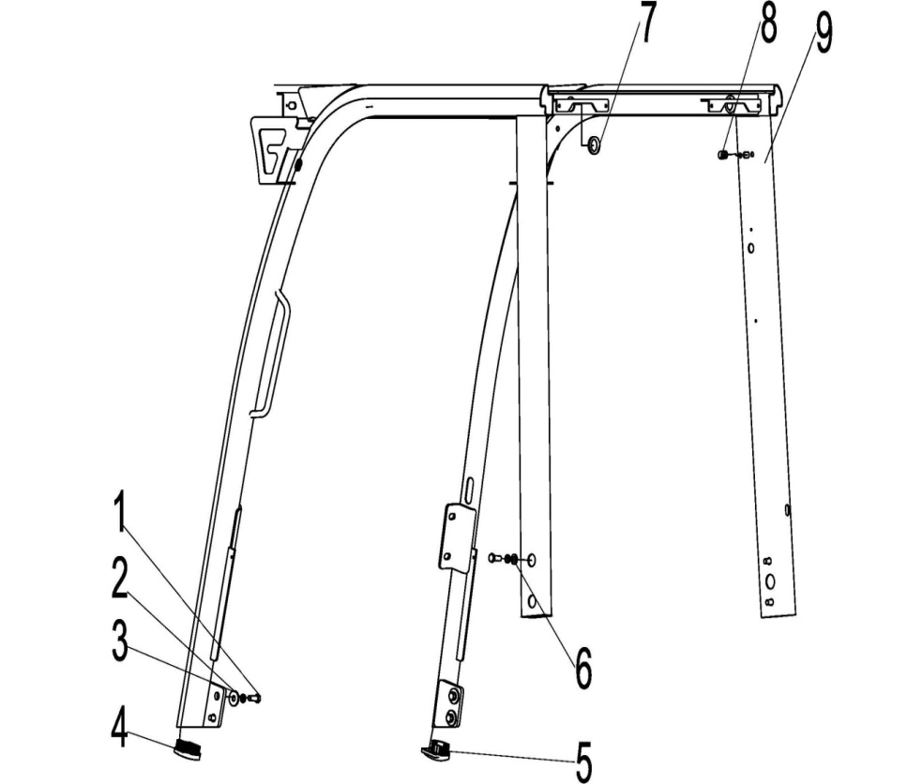
 | 6 | 910400200005 | Washer GB96.1-12-200HV | 大垫圈GB96.1-12-200HV | 4
 | 7 | 255022020004 | Coil | 尾灯出线圈 | 2
 | 8 | 255022020003 | Coil | 大灯穿线圈 | 3
 | 9 | 255022010001 | Overhead guard welding | 护顶架焊合（侧出） | 1 | 侧出
 |  | 255022010004 | Overhead guard welding | 护顶架焊合(起吊） | 1 | 起吊

255098501027 后视镜安装/Rearview mirror installation
 | 序号/NO | 编码/SN | Name | 名称 | 数量/QTY | 备注/Remarks
 | 1 | 910300100006 | Nut GB6170-M8-10 | 螺母GB6170-M8-10 | 4
 | 2 | 910400500006 | Washer GB93-8 | 弹簧垫圈GB93-8 | 4
 | 3 | 910400100006 | Washer GB97.1-8-200HV | 平垫圈GB97.1-8-200HV | 4
 | 4 | 910100300022 | Bolt GB5783-M8x20-8.8 | 螺栓GB5783-M8x20-8.8 | 4
 | 5 | 940800100001 | Rearview mirror | 后视镜 | 2
 | 6 | 255049520003 | Holder | 支架 | 1

255098501028 转向桥及安装(AQ)/Steering axle and installation(AQ)
 | 序号/NO | 编码/SN | Name | 名称 | 数量/QTY | 备注/Remarks
 | A | 255016015001 | 2.5T steering axle | 2.5T转向桥 | 1
 | 1 | 255098526101 | Left knuckle assembly A73E4-30401 | 左转向节总成A73E4-30401 | 1 | 255016015001 | 新增安庆配置
 | 2 | 255098526102 | Steering bridge assembly A73E4-30101A | 转向桥体总成A73E4-30101A | 1 | 255016015001 | 新增安庆配置
 | 3 | 910300100008 | Nut GB6170-M12-10 | 螺母GB6170-M12-10 | 2 | 255016015001 | 新增安庆配置
 | 4 | 910100300092 | Bolt GB5783-M12x35-8.8 | 螺栓GB5783-M12x35-8.8 | 2 | 255016015001 | 新增安庆配置
 | 5 | 910400100009 | Washer 14 | 平垫圈GB97.1-14-200HV | 4 | 255016015001 | 新增安庆配置
 | 6 | 910400500009 | Washer GB93-14 | 弹簧垫圈GB93-14 | 4 | 255016015001 | 新增安庆配置
 | 7 | 255098526021 | Bolt M14x40 | 螺栓M14x40 | 4 | 255016015001 | 新增安庆配置
 | 8 | 255016020001 | Anti vibration pad | 减震垫 | 2 | 255016015001 | 新增安庆配置
 | 9 | 255098526025 | Grease nipple | 弯颈式油嘴Q701B90 | 4 | 255016015001 | 新增安庆配置
 | 10 | 254598526103 | Iron shell oil seal23654-32081 | 铁壳油封23654-32081 | 4 | 255016015001 | 新增安庆配置
 | 11 | 255098526006 | Bearing32X40X32 | 滚针轴承32X40X32 | 4 | 255016015001 | 新增安庆配置
 | 12 | 254598526104 | King pin A73J4-32111 | 主销A73J4-32111 | 2 | 255016015001 | 新增安庆配置
 | 13 | 254598526105 | Bearing AQ-Z02N2-20201 | 推力圆锥滚子轴承AQ-Z02N2-20201 | 2 | 255016015001 | 新增安庆配置
 | 14 | 254598526106 | bushing H24C4-12003 | 衬套H24C4-12003 | 6 | 255016015001 | 新增安庆配置
 | 15 | 255098526027 | ES Bearing | ES型向心关节轴承GE16ES | 4 | 255016015001 | 新增安庆配置
 | 16 | 254598526107 | Right knuckle assy A73E4-30301 | 右转向节总成A73E4-30301 | 1 | 255016015001 | 新增安庆配置
 | 17 | 910300300006 | Nut GB6170-M12-10 | 六角薄螺母GB6170-M12-10 | 2 | 255016015001 | 新增安庆配置
 | 18 | 255098526043 | Screw M12X30 | 紧定螺钉M12X30 | 2 | 255016015001 | 新增安庆配置
 | 19 | 254598526108 | Oil seal 75X100X10D | 油封75X100X10D | 2 | 255016015001 | 新增安庆配置
 | 20 | 255098526011 | Bearing 32209 | 轴承32209 | 2 | 255016015001 | 新增安庆配置
 | 21 | 254598526109 | hub A73J4-32151 | 轮毂A73J4-32151 | 2 | 255016015001 | 新增安庆配置
 | 22 | 255098526012 | Bearing 30207 | 轴承30207 | 2 | 255016015001 | 新增安庆配置
 | 23 | 254598526110 | Washer 31X60X4-G27Z4-30711 | 垫圈31X60X4-G27Z4-30711 | 2 | 255016015001 | 新增安庆配置
 | 24 | 255098526013 | Nut M30x2 | 开槽螺母M30x2-A21B4-32311 | 2 | 255016015001 | 新增安庆配置
 | 25 | 910600600042 | Pin 6.3x50 | 销6.3x50 | 2 | 255016015001 | 新增安庆配置
 | 26 | 254598526111 | Wheel hub cover 1218-10200 | 轮毂盖1218-10200 | 2 | 255016015001 | 新增安庆配置
 | 27 | 254598526112 | Hub nut 23654-34051B | 轮毂螺母23654-34051B | 16 | 255016015001 | 新增安庆配置
 | 28 | 254598526113 | Hub bolt 23564-32041B | 轮毂螺栓23564-32041B | 16 | 255016015001 | 新增安庆配置
 | 29 | 254598526114 | Knuckle adjustment 22214-30321 | 转向节调整22214-30321 | 2 | 255016015001 | 新增安庆配置
 | 30 | 254598526115 | O-ring 23654-32161 | O型圈23654-32161 | 2 | 255016015001 | 新增安庆配置

255098501028 转向桥及安装(AQ)/Steering axle and installation(AQ)
 | 序号/NO | 编码/SN | Name | 名称 | 数量/QTY | 备注/Remarks
 | 31 | 254598526116 | Straight through nozzle Q70B06 | 直通式油嘴Q70B06 | 4 | 255016015001 | 新增安庆配置
 | 32 | 910401300007 | Elastic retainer for shaft 16 | 轴用弹性挡圈16 | 8 | 255016015001 | 新增安庆配置
 | 33 | 254598526117 | Connecting rod pin A73J4-32022B | 连杆销A73J4-32022B | 4 | 255016015001 | 新增安庆配置
 | 34 | 254598526118 | Connecting rod A73J4-32001B | 连杆A73J4-32001B | 2 | 255016015001 | 新增安庆配置
 | 35 | 254598526119 | Steering cylinder assembly A73E4-50101CQ | 转向油缸总成A73E4-50101CQ | 1 | 255016015001 | 新增安庆配置
 | 36 | 254598526120 | Round pin B3130-10020 | 圆柱销B3130-10020 | 1 | 255016015001 | 新增安庆配置

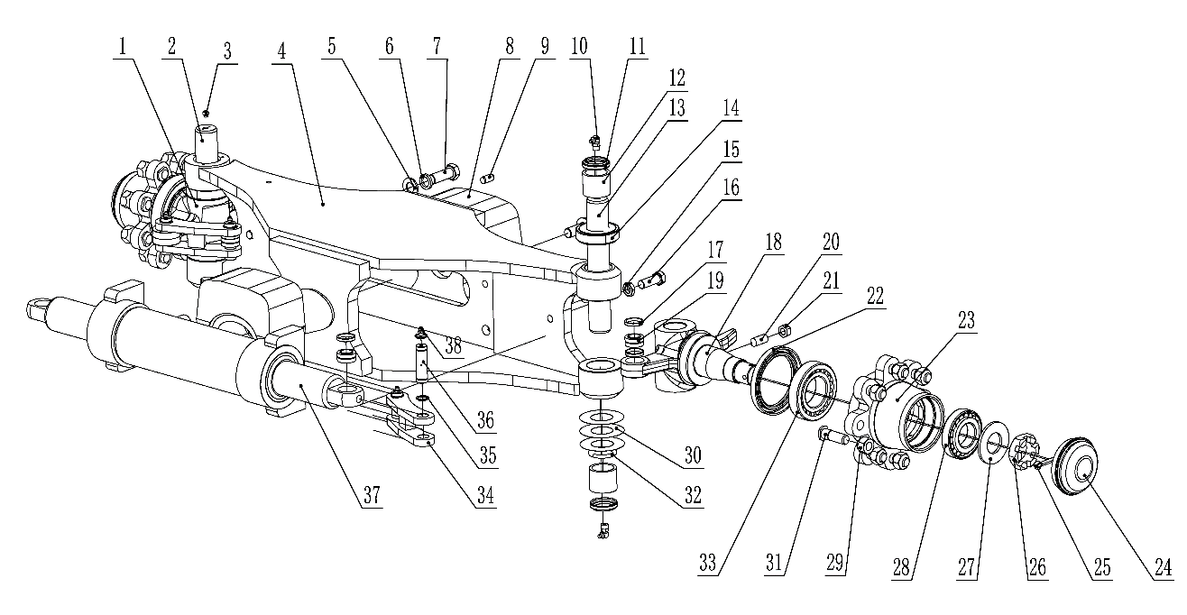
255098501029 转向桥及安装(AQ/转角)/Steering axle and installation(AQ/Turn reduction)
 | 序号/NO | 编码/SN | Name | 名称 | 数量/QTY | 备注/Remarks
 | A | 255016015002 | 2.5T steering axle（Turn reduction） | 2.5T转向桥（AQ/转弯减速） | 1
 | 1 | 254598526121 |  | 左转向节总成AQ-Z02C1-20203 | 1 | 255016015002 | 新增安庆配置
 | 2 | 254598526122 |  | 主销AQ-Z02C1-20201 | 1 | 255016015002 | 新增安庆配置
 | 3 | 254598526123 |  | 螺钉M8X18 | 1 | 255016015002 | 新增安庆配置
 | 4 | 254598526124 |  | 转向桥体总成AQ-Z02C1-20200 | 1 | 255016015002 | 新增安庆配置
 | 5 | 910400100009 | Washer 14 | 平垫圈GB97.1-14-200HV | 4 | 255016015002 | 新增安庆配置
 | 6 | 910400500009 | Washer GB93-14 | 弹簧垫圈GB93-14 | 4 | 255016015002 | 新增安庆配置
 | 7 | 255098526021 | Bolt M14x40 | 螺栓M14x40 | 4 | 255016015002 | 新增安庆配置
 | 8 | 255016020001 | Anti vibration pad | 减震垫 | 2 | 255016015002 | 新增安庆配置
 | 9 | 254598526120 | Round pin B3130-10020 | 圆柱销B3130-10020 | 1 | 255016015002 | 新增安庆配置
 | 10 | 255098526025 | Grease nipple | 弯颈式油嘴Q701B90 | 3 | 255016015002 | 新增安庆配置
 | 11 | 254598526103 | Iron shell oil seal23654-32081 | 铁壳油封23654-32081 | 4 | 255016015002 | 新增安庆配置
 | 12 | 255098526006 | Bearing32X40X32 | 滚针轴承32X40X32 | 4 | 255016015002 | 新增安庆配置
 | 13 | 254598526104 | King pin A73J4-32111 | 主销A73J4-32111 | 1 | 255016015002 | 新增安庆配置
 | 14 | 254598526105 | Bearing AQ-Z02N2-20201 | 推力圆锥滚子轴承AQ-Z02N2-20201 | 2 | 255016015002 | 新增安庆配置
 | 15 | 910300100008 | Nut GB6170-M12-10 | 螺母GB6170-M12-10 | 2 | 255016015002 | 新增安庆配置
 | 16 | 910100300092 | Bolt GB5783-M12x35-8.8 | 螺栓GB5783-M12x35-8.8 | 2 | 255016015002 | 新增安庆配置
 | 17 | 254598526106 | bushing H24C4-12003 | 衬套H24C4-12003 | 6 | 255016015002 | 新增安庆配置
 | 18 | 254598526107 | Right knuckle assy A73E4-30301 | 右转向节总成A73E4-30301 | 1 | 255016015002 | 新增安庆配置
 | 19 | 255098526027 | ES Bearing | ES型向心关节轴承GE16ES | 4 | 255016015002 | 新增安庆配置
 | 20 | 255098526043 | Screw M12X30 | 紧定螺钉M12X30 | 2 | 255016015002 | 新增安庆配置
 | 21 | 910300300006 | Nut GB6170-M12-10 | 六角薄螺母GB6170-M12-10 | 2 | 255016015002 | 新增安庆配置
 | 22 | 254598526108 | Oil seal 75X100X10D | 油封75X100X10D | 2 | 255016015002 | 新增安庆配置
 | 23 | 254598526109 | hub A73J4-32151 | 轮毂A73J4-32151 | 2 | 255016015002 | 新增安庆配置
 | 24 | 254598526111 | Wheel hub cover 1218-10200 | 轮毂盖1218-10200 | 2 | 255016015002 | 新增安庆配置
 | 25 | 910600600042 | Pin 6.3x50 | 销6.3x50 | 2 | 255016015002 | 新增安庆配置
 | 26 | 255098526013 | Nut M30x2 | 开槽螺母M30x2-A21B4-32311 | 2 | 255016015002 | 新增安庆配置
 | 27 | 254598526110 | Washer 31X60X4-G27Z4-30711 | 垫圈31X60X4-G27Z4-30711 | 2 | 255016015002 | 新增安庆配置
 | 28 | 255098526012 | Bearing 30207 | 轴承30207 | 2 | 255016015002 | 新增安庆配置
 | 29 | 254598526112 | Hub nut 23654-34051B | 轮毂螺母23654-34051B | 16 | 255016015002 | 新增安庆配置
 | 30 | 254598526114 | Knuckle adjustment 22214-30321 | 转向节调整22214-30321 | 2 | 255016015002 | 新增安庆配置

255098501029 转向桥及安装(AQ/转角)/Steering axle and installation(AQ/Turn reduction)
 | 序号/NO | 编码/SN | Name | 名称 | 数量/QTY | 备注/Remarks
 | 31 | 254598526113 | Hub bolt 23564-32041B | 轮毂螺栓23564-32041B | 16 | 255016015002 | 新增安庆配置
 | 32 | 254598526115 | O-ring 23654-32161 | O型圈23654-32161 | 2 | 255016015002 | 新增安庆配置
 | 33 | 255098526011 | Bearing 32209 | 轴承32209 | 2 | 255016015002 | 新增安庆配置
 | 34 | 254598526118 | Connecting rod A73J4-32001B | 连杆A73J4-32001B | 2 | 255016015002 | 新增安庆配置
 | 35 | 910401300007 | Elastic retainer for shaft 16 | 轴用弹性挡圈16 | 8 | 255016015002 | 新增安庆配置
 | 36 | 254598526117 | Connecting rod pin A73J4-32022B | 连杆销A73J4-32022B | 4 | 255016015002 | 新增安庆配置
 | 37 | 254598526119 | Steering cylinder assembly A73E4-50101CQ | 转向油缸总成A73E4-50101CQ | 1
 | 38 | 254598526116 | Straight through nozzle Q70B06 | 直通式油嘴Q70B06 | 5

255098501030 转向油缸(AQ)/Steering cylinder (AQ)
 | 序号/NO | 编码/SN | Name | 名称 | 数量/QTY | 备注/Remarks
 | A | 255098511107 | Sealing part maintenance package (steering cylinder) | 密封件修理包(转向缸-AQ) | 1 | 255016015001 | 新增安庆配置
 | 1 | ▲ | Piston rod assembly | 活塞杆总成 | 1
 | 2 | ▲ | Cylinder cover | 缸盖 | 2
 | 3 | ▲ | Dust ring DH50 | 防尘圈DH50 | 2
 | 4 | ▲ | U ringUN50 | U形圈UN50 | 2
 | 5 | ▲ | O ring63×3.55 | O形圈63×3.55 | 2
 | 6 | ▲ | O ring60×3.55 | O形圈60×3.55 | 1
 | 7 | ▲ | Support ring | 支承环 | 1
 | 8 | ▲ | Cylinder assembly | 缸筒总成 | 1
 | 9 | ▲ | Bearing | 钢背轴承 | 2

255098501031 转向桥及安装(DW)/Steering axle and installation(DW)
 | 序号/NO | 编码/SN | Name | 名称 | 数量/QTY | 备注/Remarks
 | A | 255016010002 | 2.5T steering axle | 2.5T转向桥 | 1 | 普通桥
 |  | 255016012001 | 2.5T steering axle | 2.5T转向桥(转向桥(转角显示)) | 1 | 转弯减速桥
 | 1 | 255098526004 | Left knuckle assembly | 左转向节总成 | 1 | 255016010002
 | 2 | 255098526001 | Steering bridge assembly | 转向桥体总成 | 1 | 255016010002
 |  | 255098526211 | Steering bridge assembly | 转向桥体总成(转角) | 1 | 255016012001 | 转弯减速桥用
 | 3 | 910300100008 | Nut GB6170-M12-10 | 螺母GB6170-M12-10 | 2 | 255016010002
 | 4 | 910100300052 | Bolt GB5783-M12x40-8.8 | 螺栓GB5783-M12x40-8.8 | 2 | 255016010002
 | 5 | 255098526008 | Dowel pin10x20 | 销A 10x20 | 2 | 255016010002
 | 6 | 255098526042 | Adjusting washer | 调整垫 | 2 | 255016010002
 | 7 | 910400500009 | Washer GB93-14 | 弹簧垫圈GB93-14 | 4 | 255016010002
 | 8 | 255098526021 | Bolt M14x40 | 螺栓M14x40 | 4 | 255016010002
 | 9 | 255098526025 | Grease nipple | 弯颈式油嘴 | 6 | 255016010002
 | 10 | 255098526007 | Pin | 转向节主销 | 2 | 255016010002
 |  | 255098526097 | Pin | 转向节主销(转角)A73J4-32111 | 1 | 255016012001 | 转弯减速桥用
 | 11 | 255098516023 | Oil seal | 铁壳油封 | 4 | 255016010002
 | 12 | 255098526006 | Bearing32X40X32 | 滚针轴承32X40X32 | 4 | 255016010002
 | 13 | 255098526005 | Bearing | 单向轴承32TAG-12 | 2 | 255016010002
 | 14 | 255098526010 | Pad | 转向节调整垫 | 8 | 255016010002
 | 15 | 255098526022 | O ring | O型圈 | 2 | 255016010002
 | 16 | 255098526027 | ES Bearing | ES型向心关节轴承GE16ES | 4 | 255016010002
 | 17 | 255098526018 | Bushing | 衬套 | 8 | 255016010002
 | 18 | 255098526020 | Right knuckle assembly 1 | 右转向节总成 | 1 | 255016010002
 | 19 | 255098526016 | Steering wheel hub | 轮毂 | 2 | 255016010002
 | 20 | 255098526012 | Bearing 30207 | 轴承30207 | 2 | 255016010002
 | 21 | 255098526009 | Seal ring | 油封75X100X10 | 2 | 255016010002
 | 22 | 255098526011 | Bearing 32209 | 轴承32209 | 2 | 255016010002
 | 23 | 910400100016 | Washer GB97.1-30-200HV | 平垫圈GB97.1-30-200HV | 2 | 255016010002
 | 24 | 255098526013 | Nut M30x2 | 螺母M30x2 | 2 | 255016010002
 | 25 | 255098526015 | Wheel hub cover | 轮毂盖 | 2 | 255016010002
 | 26 | 255098526043 | Screw M12X30 | 紧定螺钉M12X30 | 2 | 255016010002
 | 27 | 910300100008 | Nut GB6170-M12-10 | 螺母GB6170-M12-10 | 2 | 255016010002
 | 28 | 255098526040 | Rim Bolt | 轮毂螺栓 | 16 | 255016010002
 | 29 | 255098526041 | Rim Nut | 轮毂螺母 | 16 | 255016010002
 | 30 | 910600600043 | Pin | 销6.3x55 | 2 | 255016010002

255098501031 转向桥及安装(DW)/Steering axle and installation(DW)
 | 序号/NO | 编码/SN | Name | 名称 | 数量/QTY | 备注/Remarks
 | 31 | 255098526026 | Linking pin | 连杆销 | 4 | 255016010002
 | 32 | 255098526019 | Grease nipple | 直通式滑脂嘴 | 4 | 255016010002
 | 33 | 910401300007 | Circlip GB894.1-16 | 轴用弹性挡圈GB894.1-16 | 4 | 255016010002
 | 34 | 255098526044 | Adjusting washer | 调整垫 | 2 | 255016010002
 | 35 | 255098526002 | Linking rod | 连杆 | 2 | 255016010002
 | 36 | 255098516003 | Steering cylinder assembly | 转向油缸 | 1 | 255016010002
 | 37 | 910400500010 | Washer GB93-16 | 弹簧垫圈GB93-16 | 4 | 255016010002
 | 38 | 910300100010 | Nut GB6170-M16-10 | 螺母GB6170-M16-10 | 4 | 255016010002
 | 39 | 255016020001 | Anti vibration pad | 减震垫 | 2 | 255016010002
 | 40 | 255021520091 | Fixing plate | 固定板 | 2 | 255016010002
 | 41 | 910100300071 | Bolt GB5783-M16x45-8.8 | 螺栓GB5783-M16x45-8.8 | 4 | 255016010002

255098501032 转向油缸(DW)/Steering cylinder (DW)
 | 序号/NO | 编码/SN | Name | 名称 | 数量/QTY | 备注/Remarks
 | A | 255098510007 | Sealing part maintenance package (steering cylinder) | 密封件修理包(转向缸-DW) | 1 | 255016010002 | 2025.05.21
 | 1 | ▲ | Piston rod assembly | 活塞杆总成 | 1
 | 2 | ▲ | Cylinder cover | 缸盖 | 2
 | 3 | ▲ | Dust ring DH50 | 防尘圈DH50 | 2
 | 4 | ▲ | U ringUN50 | U形圈UN50 | 2
 | 5 | ▲ | O ring63×3.55 | O形圈63×3.55 | 2
 | 6 | ▲ | O ring60×3.55 | O形圈60×3.55 | 1
 | 7 | ▲ | Support ring | 支承环 | 1
 | 8 | ▲ | Cylinder assembly | 缸筒总成 | 1
 | 9 | ▲ | Bearing | 钢背轴承 | 2

255098501033 转向桥及安装(KD)/Steering axle and installation(KD)
 | 序号/NO | 编码/SN | Name | 名称 | 数量/QTY | 备注/Remarks
 | A | 255016010004 | Steering axle | 转向桥总成 | 1
 | 1 | 255098526050 | Left knuckle | 左转向节GE-2404100-02 | 1 | 255016010004
 | 2 | 255098526051 | Steering bridge | 转向桥体GE-2401100-13 | 1 | 255016010004
 | 3 | 910600100028 | Dowel pin10x20 | 圆柱销GB119.2-10x20 | 2 | 255016010004
 | 4 | 910400500009 | Washer GB93-14 | 弹垫GB93-14 | 4 | 255016010004
 | 5 | 910100300064 | Bolt GB5783-M14x45 | 螺栓GB5783-M14x45 | 2 | 255016010004
 | 6 | 255098526055 | Grease nipple | PT1/8油嘴90°-JB/T7940.2 | 4 | 255016010004
 | 7 | 255098526056 | Oil seal 32X40X6/8 | 防尘圈32X40X6/8-H-3412304-00 | 4 | 255016010004
 | 8 | 255098526057 | Bearing 943/32 | 滚针轴承943/32-GB290 | 4 | 255016010004
 | 9 | 255098526058 | Bearing | 推力轴承19806-FE-3412303-00 | 2 | 255016010004
 | 10 | 255098526059 | O ring | O型圈D40.6x4.8-GB1235 | 2 | 255016010004
 | 11 | 255098526060 | Pin | 主销GE-2404102-02 | 2 | 255016010004
 | 12 | 910300100008 | Nut GB6170-M12-10 | 螺母GB/T 6170-M12 | 2 | 255016010004
 | 13 | 254198526060 | Screw M12X35 | 紧定螺钉GB/78-M12X35 | 2 | 255016010004
 | 14 | 255098526063 | Right knuckle assembly | 右转向节总成GE-2404200-02 | 1 | 255016010004
 | 15 | 255098526064 | Seal ring | 油封75X100X10-GB/T9877.1 | 2 | 255016010004
 | 16 | 910700600029 | Bearing 32209 | 圆锥滚子轴承32209 | 2 | 255016010004
 | 17 | 255098526066 | Rim Bolt | 轮毂螺栓H-3103202-00 | 16 | 255016010004
 | 18 | 255098526067 | Rim Nut | 轮毂螺母F-3103203-00 | 16 | 255016010004
 | 19 | 255098526068 | Steering wheel hub | 轮毂GE-3103201-02 | 2 | 255016010004
 | 20 | 910700600003 | Bearing 30207 | 圆锥滚子轴承GB297-30207 | 2 | 255016010004
 | 21 | 255098526070 | Nut M30x2 | 槽螺母M30x2-H-3103207-00 | 2 | 255016010004
 | 22 | 910400100016 | Washer GB97.1-30 | 垫圈 GB97.1-30 | 2 | 255016010004
 | 23 | 910600600043 | Pin | 开口销GB/T91-6.3x55 | 2 | 255016010004
 | 24 | 255098526074 | Wheel hub cover | 轮毂盖H-3103204-00 | 2 | 255016010004
 | 25 | 255098526075 | Linking pin | 连杆销H-3412200-00 | 4 | 255016010004
 | 26 | 255098526076 | Bearing GE16ES | 向心关节轴承GE16ES-H-3412309-00 | 4 | 255016010004
 | 27 | 255098526077 | Linking rod | 连杆GE-3412100-02 | 2 | 255016010004
 | 28 | 255098526078 | Bushing | 衬套H-3412301-00 | 8 | 255016010004
 | 29 | 910400500006 | Spring washer 8 | 弹垫8 | 4 | 255016010004
 | 30 | 910100300020 | Bolt GB5783-M8X16 | 螺栓GB5783-M8X16 | 4 | 255016010004

255098501033 转向桥及安装(KD)/Steering axle and installation(KD)
 | 序号/NO | 编码/SN | Name | 名称 | 数量/QTY | 备注/Remarks
 | 31 | 255098526081 | Snape-gauge | 卡板H-3412308-00 | 2 | 255016010004
 | 32 | 255098526082 | Steering cylinder assembly | 转向油缸CZ070050KDα-84 | 1 | 255016010004
 | 33 | 911200100002 | Grease nipple | 直通式压注油杯GB/T7940.1-M6x1 | 4 | 255016010004
 | 34 | 910400500010 | Washer GB93-16 | 弹簧垫圈GB93-16 | 4 | 255016010004
 | 35 | 910300100010 | Nut GB6170-M16-10 | 螺母GB6170-M16-10 | 4 | 255016010004
 | 36 | 255016020001 | Anti vibration pad | 减震垫 | 2 | 255016010004
 | 37 | 255021520091 | Fixing plate | 固定板 | 2 | 255016010004
 | 38 | 910100300071 | Bolt GB5783-M16x45-8.8 | 螺栓GB5783-M16x45-8.8 | 4 | 255016010004

255098501034 转向油缸(KD)/Steering cylinder
 | 序号/NO | 编码/SN | Name | 名称 | 数量/QTY | 备注/Remarks
 | A | 255098511007 | Sealing part maintenance package (steering cylinder) | 密封件修理包(转向缸-KD) | 1 | 255016010004
 | 1 | ▲ | Piston rod assembly | 活塞杆总成 | 1 | 不单独提供
 | 2 | ▲ | Cylinder cover | 缸盖 | 2 | 不单独提供
 | 3 | ▲ | Dust ring DH50 | 防尘圈DH50 | 2 | 不单独提供
 | 4 | ▲ | U ringUN50 | U形圈UN50 | 2 | 不单独提供
 | 5 | ▲ | O ring63×3.55 | O形圈63×3.55 | 2 | 不单独提供
 | 6 | ▲ | O ring60×3.55 | O形圈60×3.55 | 1 | 不单独提供
 | 7 | ▲ | Support ring | 支承环 | 1 | 不单独提供
 | 8 | ▲ | Cylinder assembly | 缸筒总成 | 1 | 不单独提供
 | 9 | ▲ | Bearing | 钢背轴承 | 2 | 不单独提供

2574898501022 转向桥及安装-KD/STEERING BRIDGE AND INSTALLATION-KD
 | 序号/NO | 编码/SN | 名称 | Name | 数量/QTY | 备注/Remark
 | A | 257416011001 | 25G steering axle | 25G转向桥(HE-2400000-06) | 1 | 2.5t
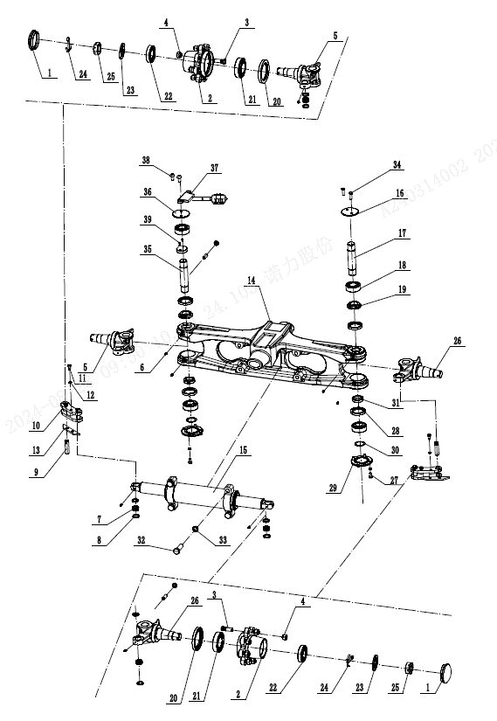
 | A | 257416011001 | 25G steering axle | 25G转向桥(转角-HE-2400000-15) | 1 | 2.5t转角传感器
 | 1 | 257498516001 | Hub cap H-3103204-00 | 轮毂盖H-3103204-00 | 2
 | 2 | 257498516002 | Hub GE-3103201-02 | 轮毂GE-3103201-02 | 2
 | 3 | 257498516003 | Hub bolt H-3103202-00 | 轮毂螺栓H-3103202-00 | 16
 | 4 | 257498516004 | Hub nut F-3103110-00 | 轮毂螺母F-3103110-00 | 16
 | 5 | 257498516005 | Left turn joint assembly H-2404100-21 | 左转向节H-2404100-21 | 1
 | 6 | 911200100015 | Oil Cup JB7940.1-M6x1-c1B | 油杯JB7940.1-M6x1-c1B | 8
 | 7 | 257498516006 | Centripetal joint bearing | 向心关节轴承GE16ES H-3412309-00 | 2
 | 8 | 257498516007 | Joint bearing bushing | 关节轴承衬套H-3412301-00 | 4
 | 9 | 257498516008 | Connecting rod pin | 连杆销H-3412200-00 | 4
 | 10 | 257498516009 | Connecting rod | 连杆HE-3412100-06 | 2
 | 11 | 910100300020 | Bolt GB5783-M8x16-8.8 | 螺栓GB5783-M8x16-8.8 | 4
 | 12 | 910400500006 | Washer GB93-8 | 弹簧垫圈GB93-8 | 14
 | 13 | 257498516010 | Baffle H-3412308-00 | 挡板H-3412308-00 | 2
 | 14 | 257498516011 | Turn to the bridge HE-2401100-15 | 桥体HE-2401100-15 | 1
 | 15 | 257498516012 | Cylinder assembly CDZ070050DS-84 | 油缸总成CDZ070050DS-84 | 1
 | 16 | 257498516013 | Upper cover plate JE-2401111-10 | 上盖板JE-2401111-10 | 1
 | 17 | 257498516014 | Master pin H-2404102-21 | 主销H-2404102-21 | 1
 | 18 | 256898526011 | Bearing 33206 | 圆锥滚子轴承33206 | 4
 | 19 | 257498516015 | Upper support seat HE-3103205-06 | 上支撑座HE-3103205-06 | 2
 | 20 | 254198523555 | Oil seal GB9877.1-75x100x10 | 油封GB9877.1-75x100x10 | 2
 | 21 | 257498516016 | Bearing 32209 GB297-94 | 圆锥滚子轴承32209 GB297-94 | 2
 | 22 | 255098526012 | Bearing 30207 | 圆锥滚子轴承30207 | 2
 | 23 | 257498516017 | Washer 30 H-3103210-00 | 垫圈30 H-3103210-00 | 2
 | 24 | 910600600043 | Split pin GB91-6.3x55 | 开口销GB91-6.3x55 | 2
 | 25 | 257498516018 | Slotted nut H-3103207-00-M30x2 | 开槽螺母H-3103207-00-M30x2 | 2
 | 26 | 257498516019 | Right steering knuckle H-2404200-21 | 右转向节H-2404200-21 | 1
 | 27 | 910100300022 | Bolt GB5783-M8x20-8.8 | 螺栓GB5783-M8x20-8.8 | 8
 | 28 | 257498516020 | Framework oil seal GB9877.1-88 | 骨架油封GB9877.1-88 | 4
 | 29 | 257498516021 | Lower cover plate HE-2401113-06 | 下盖板HE-2401113-06 | 2

257498501022 转向桥及安装-KD/STEERING BRIDGE AND INSTALLATION-KD
 | 序号/NO | 编码/SN | 名称 | Name | 数量/QTY | 备注/Remark
 | 30 | 257498516022 | Gasket HE-2404103-02 | 垫片HE-2404103-02 | 若干
 | 31 | 257498516023 | Lower support seat HE-3103206-06 | 下支撑座HE-3103206-06 | 2
 | 32 | 257498516024 | Hex head bolt H-3412327-11-M16x51 | 外六角螺栓H-3412327-11-M16x51 | 4
 | 33 | 910400500010 | Washer GB93-16 | 弹簧垫圈GB93-16 | 4
 | 34 | 910100300120 | Bolt GB5783-M4x10-8.8 | 螺栓GB5783-M4x10-8.8 | 2
 | 35 | 257498516025 | Sensor pin HE-2404101-15 | 传感器主销HE-2404101-15 | 1 | 转角传感器桥用
 | 36 | 257498516026 | Aluminium alloy upper cover plate | 铝合金上盖板HE-2401111-15 | 1 | 转角传感器桥用
 | 37 | 257498516027 | Sensor Vert-X05E6222 121 202 | 传感器Vert-X05E6222 121 202 H-2404306-28 | 1 | 转角传感器桥用
 | 38 | 257498516028 | hexagon socket head cap screws GB/T70.1-M4*10 | 内六角圆柱头螺钉GB/T70.1-M4*10 | 2 | 转角传感器桥用
 | 39 | 257498516029 | hexagon socket head cap screws GB/T70.1-M3*8 | 内六角圆柱头螺钉GB/T70.1-M3*8 | 2 | 转角传感器桥用

257498501023 转向油缸/STEERING CYLINDER
 | 序号/NO | 编码/SN | 名称 | Name | 数量/QTY | 备注/Remark
 | A | 257498510007 | Sealing part maintenance package (steering cylinder-DW ) | 密封件修理包(25G转向缸-KD) | 1 | 2.5t
 | 1 | ▲ | Piston rod assembly | 活塞杆总成 | 1
 | 2 | ▲ | Cylinder cover | 缸盖 | 2
 | 3 | ▲ | Dust ring | 防尘圈 | 2
 | 4 | ▲ | U rin | U形圈 | 2
 | 5 | ▲ | O-ring | O形圈 | 2
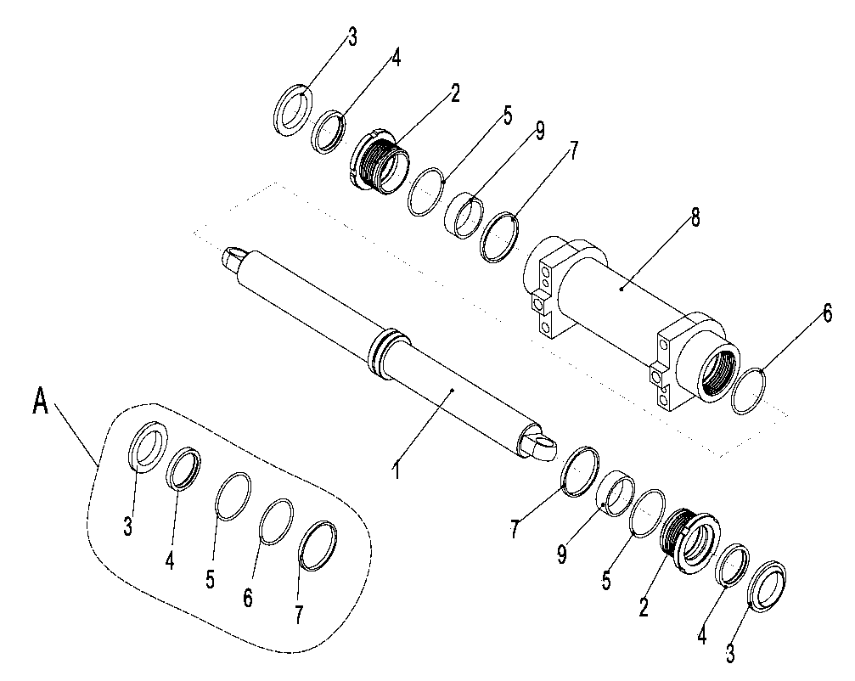
 | 6 | ▲ | O-ring | O形圈 | 1
 | 7 | ▲ | Support ring | 支承环 | 1
 | 8 | ▲ | Cylinder assembly | 缸筒总成 | 1
 | 9 | ▲ | Bearing | 钢背轴承 | 2

255098501032 转向车轮总成/Steering wheel assembly
 | 序号/NO | 编码/SN | Name | 名称 | 数量/QTY | 备注/Remarks
 | A | 255015510003 | Steering wheel assembly 18x7-8-14PR(pneumatic) | 转向轮总成18x7-8-14PR(充气) | 2 | 选装/Optional
 |  | 255015510004 | Steering wheel assembly 18x7-8(solid ) | 转向轮总成18x7-8(实心) | 2 | 选装/Optional
 |  | 255015510005 | Steering wheel assembly 18x7-8(environment protection) | 转向轮总成18x7-8(环保) | 2 | 选装/Optional
 | 1 | 910300200020 | Nut GB6171-M12x1.5-10 | 螺母GB6171-M12x1.5-10 | 16
 | 2 | 910400500008 | Washer GB93-12 | 弹簧垫圈GB93-12 | 16
 | 3 | 255015520002 | Inner rim 4.33R | 内轮辋4.33R | 2
 | 4 | 255015510001 | Tyre (pneumatic)18x7-8-14PR | 轮胎(充气)18x7-8-14PR | 2 | 选装/Optional
 |  | 255015510002 | Tyre ( solid)18x7-8 | 轮胎(实心)18x7-8 | 2 | 选装/Optional
 |  | 255015510006 | Tyre(environment)18x7-8 | 轮胎(环保)18x7-8 | 2 | 选装/Optional
 | 5 | 255015520001 | Inner rim 4.33R | 外轮辋4.33R | 2
 | 6 | 255013020001 | Rim BoltM12x26 | 轮辋螺栓M12x26 | 16

255098501033 工作油箱装置及安装/Working cylinder mechanism and installation
 | 序号/NO | 编码/SN | Name | 名称 | 数量/QTY | 备注/Remarks
 | 1 | 255019020015 | Drain plug M20x1.5 | 放油塞M20x1.5 | 1
 | 2 | 910800900001 | Washer JB982-20 | 组合垫圈JB982-20 | 1
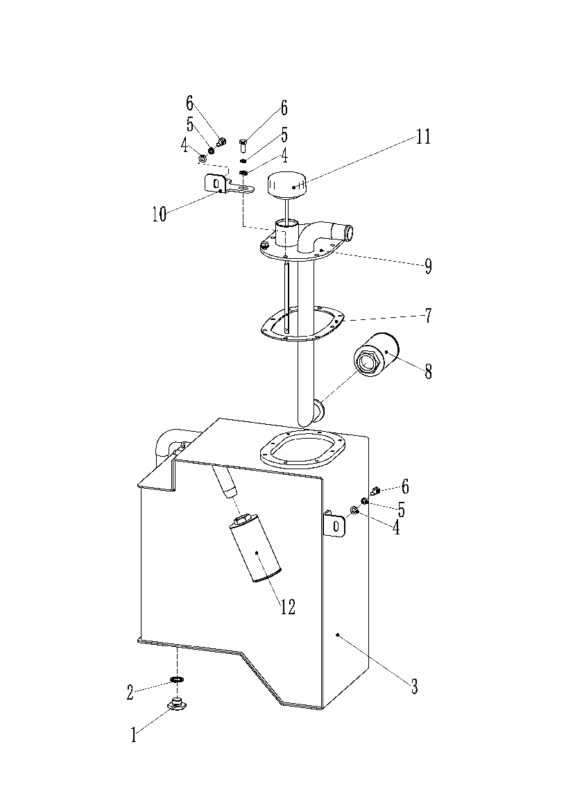
 | 3 | 255019010001 | Cylinder welding | 油箱焊合 | 1
 | 4 | 910400100006 | Washer GB97.1-8-200HV | 平垫圈GB97.1-8-200HV | 10
 | 5 | 910400500006 | Washer GB93-8 | 弹簧垫圈GB93-8 | 10
 | 6 | 910100300022 | Bolt GB5783-M8x20-8.8 | 螺栓GB5783-M8x20-8.8 | 10
 | 7 | 255019020013 | Sealing gasket | 密封垫 | 1
 | 8 | 255019010004 | Screen filter | 网式过滤器 | 1
 | 9 | 255019010002 | Cover plate welding | 盖板焊合 | 1
 | 10 | 255019020012 | Fixing plate 2 | 固定板2 | 1
 | 11 | 255019010003 | Oil dipstick assembly | 油尺塞总成 | 1
 | 12 | 256919021020 | 回油滤芯Y0917 | 组件 | 1

255098501034 多路换向阀操纵(二联)/ Multiple directional control valve (bigeminy)
 | 序号/NO | 编码/SN | Name | 名称 | 数量/QTY | 备注/Remarks
 | 1 | 910100400003 | Bolt GB5786-M10x1.25x25-8.8 | 螺栓GB5786-M10x1.25x25-8.8 | 3
 | 2 | 910400500007 | Washer GB93-10 | 弹簧垫圈GB93-10 | 6
 | 3 | 910400100007 | Washer GB97.1-10-200HV | 平垫圈GB97.1-10-200HV | 6
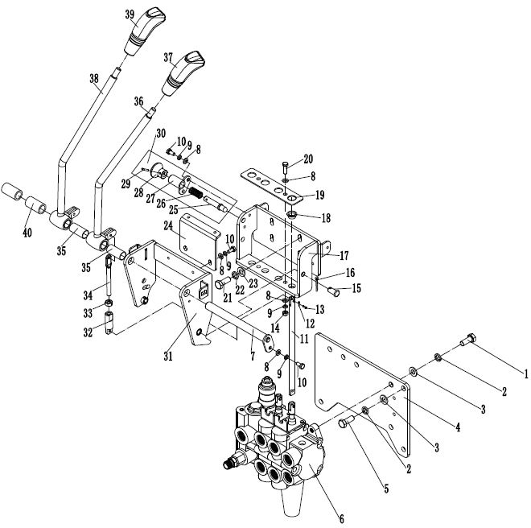
 | 4 | 255024520024 | Supporting plate | 支架板 | 1
 | 5 | 910100300036 | Bolt GB5783-M10x25-8.8 | 螺栓GB5783-M10x25-8.8 | 3
 | 6 | 281324511001 | Two-way multi-port valve (with hidden center position) | 二联多路阀(带中位隐) | 1 | 内置式开关/选装 | 255025014002
 | 6 | 251124510002 | Two-way multi-port valve (ZSX electromagnetic valve) | 二联多路阀(ZSX电磁阀） | 1 | 外置开关/选装
 | 7 | 255024510009 | Axle φ16x168 | 带耳轴φ16x168 | 1
 | 8 | 910400100005 | Washer GB97.1-6-200HV | 平垫圈GB97.1-6-200HV | 9
 | 9 | 910400500005 | Washer GB93-6 | 弹簧垫圈GB93-6 | 7
 | 10 | 910100300009 | Bolt GB5783-M6x12-8.8 | 螺栓GB5783-M6x12-8.8 | 5
 | 11 | 255024520018 | Transition rod | 过渡杆 | 3
 | 12 | 910600600026 | Split pin GB91-3.2x20 | 开口销GB91-3.2x20 | 6
 | 13 | 910600700032 | Short axle GB882-10x20c1B | 销轴GB882-10x20c1B | 6
 | 14 | 910300100005 | Nut GB6170-M6-10 | 螺母GB6170-M6-10 | 2
 | 15 | 910600600026 | Split pin GB91-3.2x20 | 开口销GB91-3.2x20 | 2
 | 16 | 910600700032 | Short axle GB882-10x20c1B | 销轴GB882-10x20c1B | 2
 | 17 | 255024510002 | Fixed seat | 固定座 | 1
 | 18 | 940500200022 | Bushing φ12xφ14x20-SF-1 | 复合套(带肩)φ12xφ14x20-SF-1 | 2
 | 19 | 255024520016 | Pressing plate | 压板 | 1
 | 20 | 910100300011 | Bolt GB5783-M6x20-8.8 | 螺栓GB5783-M6x20-8.8 | 2
 | 21 | 910100300023 | Bolt GB5783-M8x25-8.8 | 螺栓GB5783-M8x25-8.8 | 4
 | 22 | 910400500006 | Washer GB93-8 | 弹簧垫圈GB93-8 | 4
 | 23 | 910400100006 | Washer GB97.1-8-200HV | 平垫圈GB97.1-8-200HV | 4
 | 24 | 255024520001 | Fixing plate | 固定板 | 1
 | 25 | ▲ | Axle φ10x60 | 手柄轴φ10x60 | 1 | 不单独提供
 | 26 | ▲ | Spring | 压簧 | 1 | 不单独提供
 | 27 | ▲ | Axle φ18x27.5 | 带耳轴φ18x27.5 | 1 | 不单独提供
 | 28 | ▲ | Handle | 手柄 | 1 | 不单独提供
 | 29 | ▲ | Dowel pin GB879.1-3x16 | 弹性圆柱销GB879.1-3x16 | 1 | 不单独提供
 | 30 | 255024510006 | Handle assembly | 解锁手柄总成 | 1 | 包含/Inc.25-29
 | 31 | 255024510001 | Holder welding | 支架焊合 | 1

255098501034 多路换向阀操纵(二联)/ Multiple directional control valve (bigeminy)
 | 序号/NO | 编码/SN | Name | 名称 | 数量/QTY | 备注/Remarks
 | 32 | 255025020003 | Joint | 接头 | 2
 | 33 | 910300100006 | NutGB6170-M8-10 | 螺母GB6170-M8-10 | 2
 | 34 | 255024520017 | Connecting rod | 连接杆 | 2
 | 35 | 940500100006 | Bearing bushing φ18xφ16x37 | 无油轴承套φ18xφ16x37 | 2
 | 36 | 255024510004 | Control lever welding (lifting) | 操纵杆焊合(起升) | 1
 | 37 | 281824520001 | Handle ball（Lifting-Black） | 手柄球(起升-黑) | 1 |  | 255024520022 | 2025.4.21更改手柄球
 | 38 | 255024510005 | Control lever welding ( slope ) | 操纵杆焊合(倾斜) | 1
 | 39 | 281824520002 | Handle ball （Titled-Black） | 手柄球(倾斜-黑) | 1 |  | 255024520023 | 2025.4.21更改手柄球
 | 40 | 255024520028 | Sleeve | 轴套 | 2
 | 41 | 255098514001 | Solenoid Valve Assembly (24V) | 电磁阀总成(24V) | 1 | 电磁阀专用件

255098501035 多路换向阀操纵(三联)/Multiple directional control valve (trigeminy)
 | 序号/NO | 编码/SN | Name | 名称 | 数量/QTY | 备注/Remarks
 | 1 | 910100400003 | Bolt GB5786-M10x1.25x25-8.8 | 螺栓GB5786-M10x1.25x25-8.8 | 3
 | 2 | 910400500007 | Washer GB93-10 | 弹簧垫圈GB93-10 | 6
 | 3 | 910400100007 | Washer GB97.1-10-200HV | 平垫圈GB97.1-10-200HV | 6
 | 4 | 255024520024 | Supporting plate | 支架板 | 1
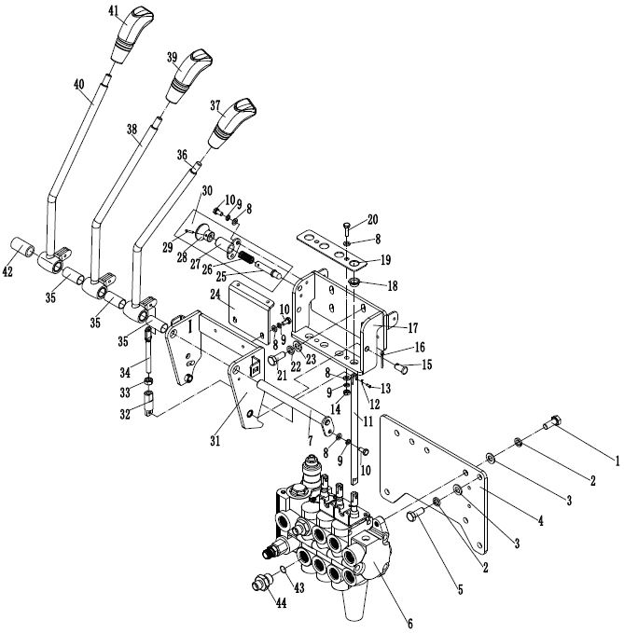
 | 5 | 910100300036 | Bolt GB5783-M10x25-8.8 | 螺栓GB5783-M10x25-8.8 | 3
 | 6 | 281325011001 | Three-way multi-port valve (with hidden center position) | 三联多路阀(带中位隐) | 1 | 内置式开关/选装 | 255025014002
 | 6 | 251125010002 | Three-way multi-port valve (ZSX electromagnetic valve) | 三联多路阀(ZSX电磁阀） | 1 | 外置开关/选装
 | 7 | 255024510009 | Axle φ16x168 | 带耳轴φ16x168 | 1
 | 8 | 910400100005 | Washer GB97.1-6-200HV | 平垫圈GB97.1-6-200HV | 9
 | 9 | 910400500005 | Washer GB93-6 | 弹簧垫圈GB93-6 | 7
 | 10 | 910100300009 | Bolt GB5783-M6x12-8.8 | 螺栓GB5783-M6x12-8.8 | 5
 | 11 | 255024520018 | Transition rod | 过渡杆 | 3
 | 12 | 910600600026 | Split pin GB91-3.2x20 | 开口销GB91-3.2x20 | 9
 | 13 | 910600700032 | Short axle GB882-10x20c1B | 销轴GB882-10x20c1B | 9
 | 14 | 910300100005 | Nut GB6170-M6-10 | 螺母GB6170-M6-10 | 2
 | 15 | 910600600026 | Split pin GB91-3.2x20 | 开口销GB91-3.2x20 | 2
 | 16 | 910600700032 | Short axleGB882-10x20c1B | 销轴GB882-10x20c1B | 2
 | 17 | 255024510002 | Fixing seat | 固定座 | 1
 | 18 | 940500200022 | Bushing φ12xφ14x20-SF-1 | 复合套(带肩)φ12xφ14x20-SF-1 | 3
 | 19 | 255024520016 | Pressing plate | 压板 | 1
 | 20 | 910100300011 | Bolt GB5783-M6x20-8.8 | 螺栓GB5783-M6x20-8.8 | 2
 | 21 | 910100300023 | Bolt GB5783-M8x25-8.8 | 螺栓GB5783-M8x25-8.8 | 4
 | 22 | 910400500006 | Washer GB93-8 | 弹簧垫圈GB93-8 | 4
 | 23 | 910400100006 | Washer GB97.1-8-200HV | 平垫圈GB97.1-8-200HV | 4
 | 24 | 255024520001 | Fixing plate | 固定板 | 1
 | 25 | ▲ | Axle φ10x60 | 手柄轴φ10x60 | 1 | 不单独提供
 | 26 | ▲ | Spring | 压簧 | 1 | 不单独提供
 | 27 | ▲ | Axle φ18x27.5 | 带耳轴φ18x27.5 | 1 | 不单独提供
 | 28 | ▲ | Handle | 手柄 | 1 | 不单独提供
 | 29 | ▲ | Dowel pin GB879.1-3x16 | 弹性圆柱销GB879.1-3x16 | 1 | 不单独提供
 | 30 | 255024510006 | Handle assembly | 解锁手柄总成 | 1 | 包含/Inc.25-29
 | 31 | 255024510001 | Holder welding | 支架焊合 | 1

255098501035 多路换向阀操纵(三联)/Multiple directional control valve (trigeminy)
 | 序号/NO | 编码/SN | Name | 名称 | 数量/QTY | 备注/Remarks
 | 32 | 255025020003 | Joint | 接头 | 3
 | 33 | 910300100006 | Nut GB6170-M8-10 | 螺母GB6170-M8-10 | 3
 | 34 | 255024520017 | Linking rod | 连接杆 | 3
 | 35 | 940500100006 | Bearing φ18xφ16x37 | 无油轴承套φ18xφ16x15 | 3
 | 36 | 255024510004 | Control lever welding (lifting) | 操纵杆焊合(起升) | 1
 | 37 | 281824520001 | Handle ball（Lifting-Black） | 手柄球(起升-黑) | 1 |  | 255024520022 | 2025.4.21更改手柄球
 | 38 | 255024510005 | Control lever welding (slope) | 操纵杆焊合(倾斜) | 1
 | 39 | 281824520002 | Handle ball （Titled-Black） | 手柄球(倾斜-黑) | 1 |  | 255024520023 | 2025.4.21更改手柄球
 | 40 | 255025010001 | Control lever welding ( accessory 1) | 操纵杆焊合(属具1) | 1
 | 41 | 281824520003 | Handle ball（Attachment1-Black） | 手柄球(属具1-黑) | 1 |  | 255025020002 | 2025.4.21更改手柄球
 | 42 | 255024520028 | Sleeve | 轴套Φ29xΦ16x38 | 1
 | 43 | 910800100003 | O ring 17x2.65 | O形圈-内17x2.65 | 2
 | 44 | 251223520033 | Joint 8-M20x1.5-M16x1.5-24° | 接头(直)8-M20x1.5-M16x1.5-24° | 2 |  | 24°更改
 | 45 | 255098514001 | Solenoid Valve Assembly (24V) | 电磁阀总成(24V) | 1 | 电磁阀专用件

255098501036 多路换向阀操纵(四联)/Multiple directional control valve(four joint)
 | 序号/NO | 编码/SN | Name | 名称 | 数量/QTY | 备注/Remarks
 | 1 | 910100400003 | Bolt GB5786-M10x1.25x25-8.8 | 螺栓GB5786-M10x1.25x25-8.8 | 3
 | 2 | 910400500007 | Washer GB93-10 | 弹簧垫圈GB93-10 | 6
 | 3 | 910400100007 | Washer GB97.1-10-200HV | 平垫圈GB97.1-10-200HV | 6
 | 4 | 255024520024 | Supporting plate | 支架板 | 1
 | 5 | 910100300036 | Bolt GB5783-M10x25-8.8 | 螺栓GB5783-M10x25-8.8 | 3
 | 6 | 281325511001 | Four-way multi-port valve (with hidden center position) | 四联多路阀(带中位隐) | 1 | 内置式开关/选装 | 255025514002
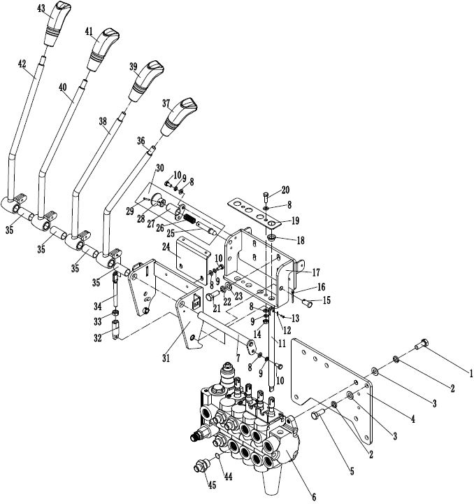
 | 6 | 251125510002 | Four-way multi-port valve (ZSX electromagnetic valve) | 四联多路阀(ZSX电磁阀） | 1 | 外置开关/选装
 | 7 | 255024510009 | Axle φ16x168 | 带耳轴φ16x168 | 1
 | 8 | 910400100005 | Washer GB97.1-6-200HV | 平垫圈GB97.1-6-200HV | 9
 | 9 | 910400500005 | Washer GB93-6 | 弹簧垫圈GB93-6 | 7
 | 10 | 910100300009 | Bolt GB5783-M6x12-8.8 | 螺栓GB5783-M6x12-8.8 | 5
 | 11 | 255024520018 | Transition rod | 过渡杆 | 4
 | 12 | 910600600026 | split pin GB91-3.2x20 | 开口销GB91-3.2x20 | 12
 | 13 | 910600700032 | Short axle GB882-10x20c1B | 销轴GB882-10x20c1B | 12
 | 14 | 910300100005 | Nut GB6170-M6-10 | 螺母GB6170-M6-10 | 2
 | 15 | 910600600026 | split pin GB91-3.2x20 | 开口销GB91-3.2x20 | 2
 | 16 | 910600700032 | Short axle GB882-10x20c1B | 销轴GB882-10x20c1B | 2
 | 17 | 255024510002 | Fixing seat | 固定座 | 1
 | 18 | 940500200022 | Bushing φ12xφ14x20-SF-1 | 复合套(带肩)φ12xφ14x20-SF-1 | 4
 | 19 | 255024520016 | Pressing plate | 压板 | 1
 | 20 | 910100300011 | Bolt GB5783-M6x20-8.8 | 螺栓GB5783-M6x20-8.8 | 2
 | 21 | 910100300023 | Bolt GB5783-M8x25-8.8 | 螺栓GB5783-M8x25-8.8 | 4
 | 22 | 910400500006 | Washer GB93-8 | 弹簧垫圈GB93-8 | 4
 | 23 | 910400100006 | Washer GB97.1-8-200HV | 平垫圈GB97.1-8-200HV | 4
 | 24 | 255024520001 | Fixing plate | 固定板 | 1
 | 25 | ▲ | Axle φ10x60 | 手柄轴φ10x60 | 1 | 不单独提供
 | 26 | ▲ | Spring | 压簧 | 1 | 不单独提供
 | 27 | ▲ | Axle φ18x27.5 | 带耳轴φ18x27.5 | 1 | 不单独提供
 | 28 | ▲ | Handle | 手柄 | 1 | 不单独提供
 | 29 | ▲ | Dowel pin GB879.1-3x16 | 弹性圆柱销GB879.1-3x16 | 1 | 不单独提供
 | 30 | 255024510006 | Handle assembly | 解锁手柄总成 | 1 | 包含/Inc.25-29
 | 31 | 255024510001 | Holder welding | 支架焊合 | 1

255098501036 多路换向阀操纵(四联)/Multiple directional control valve(four joint)
 | 序号/NO | 编码/SN | Name | 名称 | 数量/QTY | 备注/Remarks
 | 32 | 255025020003 | Joint | 接头 | 4
 | 33 | 910300100006 | Nut GB6170-M8-10 | 螺母GB6170-M8-10 | 4
 | 34 | 255024520017 | Connecting rod | 连接杆 | 4
 | 35 | 940500100006 | Bearing bushing φ18xφ16x37 | 无油轴承套φ18xφ16x15 | 4
 | 36 | 255024510004 | Control lever welding(lifting ) | 操纵杆焊合(起升) | 1
 | 37 | 281824520001 | Handle ball（Lifting-Black） | 手柄球(起升-黑) | 1 |  | 255024520022 | 2025.4.21更改手柄球
 | 38 | 255024510005 | Control lever welding(slope ) | 操纵杆焊合(倾斜) | 1
 | 39 | 281824520002 | Handle ball （Titled-Black） | 手柄球(倾斜-黑) | 1 |  | 255024520023 | 2025.4.21更改手柄球
 | 40 | 255025010001 | Control lever welding(accessory 1) | 操纵杆焊合(属具1) | 1
 | 41 | 281824520003 | Handle ball（Attachment1-Black） | 手柄球(属具1-黑) | 1 |  | 255025020002 | 2025.4.21更改手柄球
 | 42 | 255025510001 | Control lever welding ( accessory 2) | 操纵杆焊合(属具2) | 1
 | 43 | 281824520004 | Handle ball（Attachment2-Black） | 手柄球(属具2-黑) | 1 |  | 255025520002 | 2025.4.21更改手柄球
 | 44 | 910800100003 | Oring 17x2.65 | O形圈-内17x2.65 | 4
 | 45 | 251223520033 | Joint 8-M20x1.5-M16x1.5-24° | 接头(直)8-M20x1.5-M16x1.5-24° | 4 |  | 24°更改
 | 46 | 255098514001 | Solenoid Valve Assembly (24V) | 电磁阀总成(24V) | 1 | 电磁阀专用件

255098501037 液压系统/Hydraulic system
 | 序号/NO | 编码/SN | Name | 名称 | 数量/QTY | 备注/Remarks
 | 1 | 255023510005 | Joint 25-G1-φ32 | 接头(转向弯)25-G1-φ32 | 1
 | 2 | 911000600006 | Hose clamp QC/T390-(40-45) | 喉箍QC/T390-(40-45) | 2
 | 3 | 255023520008 | Rubber hose | 胶管(吸油) | 1
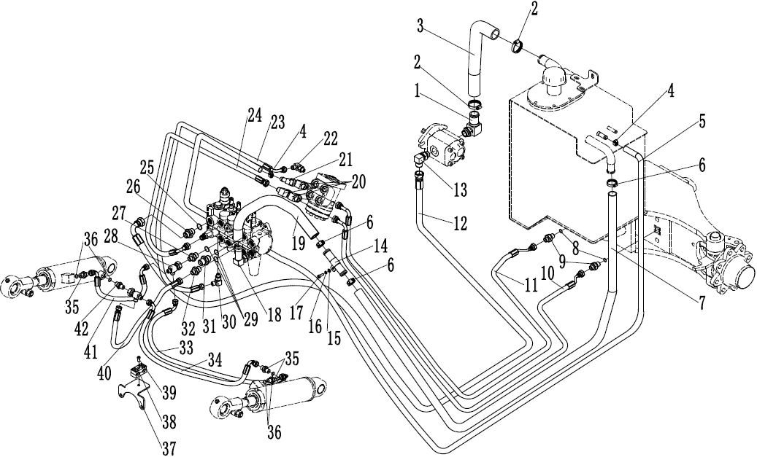
 | 4 | 911000600003 | Hose clamp QC/T390-(22-26) | 喉箍QC/T390-(22-26) | 2
 | 5 | 255023520006 | Oil return hose φ23xφ13x3600 | 回油管φ23xφ13x3600 | 1
 | 6 | 911000600004 | Hose clamp QC/T390-(34-38) | 喉箍QC/T390-(34-38) | 4
 | 7 | 255023520013 | Oil return hose φ35xφ25x1900 | 回油管φ35xφ25x1900 | 1
 | 8 | 910800100002 | Oring 13.2x2.65 | O形圈-内13.2x2.65 | 2
 | 9 | 255023520034 | Joint 8-2xM16x1.5-24° | 接头(直)8-2xM16x1.5-24° | 2 |  | 24°更改
 | 10 | 255023520002 | Hydraulic hose assembly 10-L2700-1SC-24° | 液压管总成(异)10-L2700-1SC-24° | 1 |  | 24°更改
 | 11 | 255023520001 | Hydraulic hose assembly 10-L3000-1SC-24° | 液压管总成(异)10-L3000-1SC-24° | 1 |  | 24°更改
 | 12 | 255023520004 | Hydraulic hose assembly (90°)15-L2750-2SC-24° | 液压管总成(90°)15-L2750-2SC-24° | 1 |  | 24°更改
 | 13 | 255023520035 | Joint12-G1/2-M22x1.5-24° | 接头(锁定弯)12-G1/2-M22x1.5-24° | 1 |  | 24°更改
 | 14 | 255023520022 | Transition steel pipe | 过渡钢管 | 1
 | 15 | 910400100005 | Washer GB97.1-6-200HV | 平垫圈GB97.1-6-200HV | 2
 | 16 | 910400500005 | Washer GB93-6 | 弹簧垫圈GB93-6 | 2
 | 17 | 910200200036 | Screw GB70.1-M6x20-8.8 | 螺钉GB70.1-M6x20-8.8 | 2
 | 18 | 255023510002 | Joint 16-M22x1.5-φ25 | 接头(转向弯)16-M22x1.5-φ25 | 1
 | 19 | 255023520021 | Rubber tube | 胶管(回油) | 1
 | 20 | 255023510007 | Joint 8-M18x1.5-M16x1.5-24° | 接头(锁定弯)10-M20x1.5-M16x1.5-24° | 3 |  | 24°更改
 | 21 | 255023520033 | Joint 11-M18x1.5-0 | 接头(锁定弯)11-M20x1.5-0 | 1 |  | 24°更改
 | 22 | 255023510003 | Joint 6-G1/4-M14x1.5-24° | 接头(锁定弯)6-G1/4-M14x1.5-24° | 1 |  | 24°更改
 | 23 | 255023520003 | Hydraulic hose assembly (90°)8-L1420-1SC-24° | 液压管总成(90°)8-L1420-1SC-24° | 1 |  | 24°更改
 | 24 | 255023520005 | Hydraulic hose assembly (90°)10-L1420-1SC-24° | 液压管总成(90°)10-L1420-1SC-24° | 1 |  | 24°更改
 | 25 | 910800100015 | Oring 19x2.65 | O形圈-内19x2.65 | 1
 | 26 | 255023520030 | Joint 12-2xM22x1.5-24° | 接头(直)12-2xM22x1.5-24° | 1 |  | 24°更改
 | 27 | 255023520033 | Joint 8-M20x1.5-M16x1.5-24° | 接头(直)8-M20x1.5-M16x1.5-24° | 1 |  | 24°更改
 | 28 | 251223510012 | Joint 7-2xM14x1.5-M16x1.5-24° | 接头(三通)7-2xM14x1.5-M16x1.5-24° | 2 |  | 24°更改
 | 29 | 910800100003 | Oring 17x2.65 | O形圈-内17x2.65 | 3
 | 30 | 255023510001 | Joint 6-M12x1.5-M14x1.5-24° | 接头(锁定弯)6-M12x1.5-M14x1.5-24° | 1 |  | 24°更改
 | 31 | 255044020122 | Joint 12-M20x1.5-M22x1.5-24° | 接头(直)12-M20x1.5-M22x1.5-24° | 1 |  | 24°更改

255098501037 液压系统/Hydraulic system
 | 序号/NO | 编码/SN | Name | 名称 | 数量/QTY | 备注/Remarks
 | 32 | 251223520032 | Joint 6-M20x1.5-M14x1.5-24° | 接头(直)6-M20x1.5-M14x1.5-24° | 1 |  | 24°更改
 | 33 | 255023529603 | Hydraulic hose assembly 8-L800-1SC-24° | 液压管总成(异)8-L800-1SC-24° | 1 |  | 24°更改
 | 34 | 255023529604 | Hydraulic hose assembly(90°) 6-L1050-1SC-24° | 液压管总成(90°)8-L1050-1SC-24° | 1 |  | 24°更改
 | 35 | 251223520007 | Joint 6-G1/4－M14x1.5-24° | 接头(直)6-G1/4－M14x1.5-24° | 3 |  | 24°更改
 | 36 | 910800100021 | Oring 11.2x2.65 | O形圈-内11.2x2.65 | 4
 | 37 | 255023520027 | Rubber hose fixing block | 胶管固定板 | 1
 | 38 | 255028520034 | Rubber hose fixing block | 胶管固定块 | 2
 | 39 | 910200200060 | Screw GB70.1-M8x35-8.8 | 螺钉GB70.1-M8x35-8.8 | 1
 | 40 | 255023529607 | Hydraulic hose assembly 8-L400-1SC-24° | 液压管总成(直)8-L400-1SC-24° | 1 |  | 24°更改
 | 41 | 255023529606 | Hydraulic hose assembly (90°)8-L340-1SC-24° | 液压管总成(90°)8-L340-1SC-24° | 1 |  | 24°更改
 | 42 | 254123520005 | Joint 8-G1/4-M16x1.5-24° | 接头(直)8-G1/4-M16x1.5-24° | 1 |  | 24°更改

门架起升管路（标准门架）/Mast lifting pipeline（standard mast）
 | 序号/NO | 编码/SN | Name | 名称 | 数量/QTY | 备注/Remarks
 | 1 | 255044020043 | Hoop | 卡箍 | 6
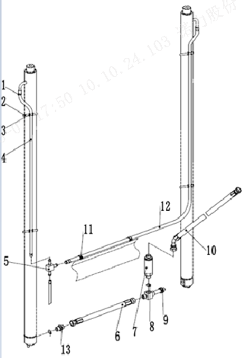
 | 2 | 921600400002 | Strip 8x300 | 扎带8x300 | 4
 | 3 | 255044020042 | Press plate | 压板 | 4
 | 4 | 900200301004 | Oil return hose1L=550 | 回油管1L=550 | 1 | H=2000
 | 4 | 900200301004 | Oil return hose1L=800 | 回油管1L=800 | 1 | H=2500
 | 4 | 900200301004 | Oil return hose1L=1050 | 回油管1L=1050 | 1 | H=3000
 | 4 | 900200301004 | Oil return hose1L=1200 | 回油管1L=1200 | 1 | H=3300
 | 4 | 900200301004 | Oil return hose1L=1300 | 回油管1L=1300 | 1 | H=3500
 | 4 | 900200301004 | Oil return hose1L=1350 | 回油管1L=1350 | 1 | H=3600
 | 4 | 900200301004 | Oil return hose1L=1400 | 回油管1L=1400 | 1 | H=3700
 | 4 | 900200301004 | Oil return hose1L=1600 | 回油管1L=1600 | 1 | H=4000
 | 4 | 900200301004 | Oil return hose1L=1750 | 回油管1L=1750 | 1 | H=4300
 | 4 | 900200301004 | Oil return hose1L=1850 | 回油管1L=1850 | 1 | H=4500
 | 4 | 900200301004 | Oil return hose1L=2100 | 回油管1L=2100 | 1 | H=5000
 | 5 | 255044020118 | Joint | 接头(三通) | 1
 | 6 | 255044029611 | Hydraulic hose assembly 15-L390-2SC-24° | 液压管总成(直)15-L390-2SC-24° | 1
 | 7 | 950700300007 | Speed Limit Valve XSF-F16L-48 | 限速阀XSF-F16L-48 | 1
 | 8 | 910800100040 | Oring -out 24x2.4 | O形圈-外24x2.4 | 1
 | 9 | 257543529001 | Header(Tee) | 接头（三通） | 1
 | 10 | 255044029612 | Hydraulic pipe assembly (45 °) 15-L740-2SC-24° | 液压管总成(45°)15-L740-2SC-24°(带钢丝防护) | 1
 | 11 | 921600400003 | Strip P-N156-00646 | 扎带(带扣)P-N156-00646 | 2
 | 12 | 900200301004 | Oil return hose2L=1350 | 回油管2L=1350 | 1 | H=2000
 | 12 | 900200301004 | Oil return hose2L=1600 | 回油管2L=1600 | 1 | H=2500
 | 12 | 900200301004 | Oil return hose2L=1850 | 回油管2L=1850 | 1 | H=3000
 | 12 | 900200301004 | Oil return hose2L=2000 | 回油管2L=2000 | 1 | H=3300
 | 12 | 900200301004 | Oil return hose2L=2100 | 回油管2L=2100 | 1 | H=3500
 | 12 | 900200301004 | Oil return hose2L=2150 | 回油管2L=2150 | 1 | H=3600
 | 12 | 900200301004 | Oil return hose2L=2200 | 回油管2L=2200 | 1 | H=3700
 | 12 | 900200301004 | Oil return hose2L=2400 | 回油管2L=2400 | 1 | H=4000
 | 12 | 900200301004 | Oil return hose2L=2550 | 回油管2L=2550 | 1 | H=4300
 | 12 | 900200301004 | Oil return hose2L=2650 | 回油管2L=2650 | 1 | H=4500

门架起升管路（标准门架）/Mast lifting pipeline（standard mast）
 | 序号/NO | 编码/SN | Name | 名称 | 数量/QTY | 备注/Remarks
 | 12 | 900200301004 | Oil return hose2L=2900 | 回油管2L=2900 | 1 | H=5000
 | 13 | 253644020101 | Explosion proof valve -2T-24 ° | 防爆阀-2T-24° | 1

门架起升管路 (二级全自由)/Mast lifting pipeline(two stage full free lift)
 | 序号/NO | 编码/SN | Name | 名称 | 数量/QTY | 备注/Remarks
 | 1 | 257543529002 | Connector (locking bend) 12-2xm22x1.5-24 ° | 接头(锁定弯)12-2xM22x1.5-24° | 1
 | 2 | 257543520001 | Rise steel pipe L=760 | 液压钢管焊合L=760 | 1 | H=2000
 | 2 | 257543520002 | Rise steel pipe L=1010 | 液压钢管焊合L=1010 | 1 | H=2500
 | 2 | 257543520004 | Rise steel pipe L=1300 | 液压钢管焊合L=1300 | 1 | H=3000
 | 2 | 257543520005 | Hydraulic pipe L=1460 | 液压钢管焊合L=1460 | 1 | H=3300
 | 2 | 257543520006 | Hydraulic pipe L=1610 | 液压钢管焊合L=1610 | 1 | H=3500/3600/3700
 | 2 | 257543520007 | Hydraulic pipe L=1850 | 液压钢管焊合L=1850 | 1 | H=4000
 | 3 | 255044520132 | Hose clamp | 油管夹 | 1
 | 4 | 910200200038 | Screw GB70.1-M6x25-8.8 | 螺钉GB70.1-M6x25-8.8 | 1
 | 5 | 255043529611 | Hydraulic pipe assembly (straight) 15-L370-2SC-24° | 液压管总成(直)15-L370-2SC-24° | 1 | H=2000
 | 5 | 255043529611 | Hydraulic pipe assembly (straight) 15-L370-2SC-24° | 液压管总成(直)15-L370-2SC-24° | 1 | H=2500
 | 5 | 255043529612 | Hydraulic pipe assembly (straight) 15-L330-2SC-24 ° | 液压管总成(直)15-L330-2SC-24° | 1 | H=3000
 | 5 | 255043529613 | Hydraulic pipe assembly (straight) 15-L320-2SC-24 ° | 液压管总成(直)15-L320-2SC-24° | 1 | H=3300
 | 5 | 255043529614 | Hydraulic pipe assembly (straight) 15-L270-2SC-24 ° | 液压管总成(直)15-L270-2SC-24° | 1 | H=3500
 | 5 | 255043529613 | Hydraulic pipe assembly (straight) 15-L320-2SC-24 ° | 液压管总成(直)15-L320-2SC-24° | 1 | H=3600
 | 5 | 255043529611 | Hydraulic pipe assembly (straight) 15-L370-2SC-24° | 液压管总成(直)15-L370-2SC-24° | 1 | H=3700
 | 5 | 255043529612 | Hydraulic pipe assembly (straight) 15-L330-2SC-24 ° | 液压管总成(直)15-L330-2SC-24° | 1 | H=4000
 | 6 | 255044029611 | Hydraulic hose assembly 15-L390-2SC-24° | 液压管总成(直)15-L390-2SC-24° | 1
 | 7 | 950700300007 | Speed Limit Valve XSF-F16L-48 | 限速阀XSF-F16L-48 | 1
 | 8 | 910800100040 | Oring 24x2.4 | O形圈-外24x2.4 | 1
 | 9 | 257543529001 | Joint | 接头(三通) | 1
 | 10 | 255044029612 | Hydraulic pipe assembly (45 °) 15-L740-2SC-24° | 液压管总成(45°)15-L740-2SC-24°(带钢丝防护) | 1
 | 11 | 251244529002 | Joint 2-M27x2-M22x1.5-24° | 接头(锁定弯)2-M27x2-M22x1.5-24° | 1
 | 12 | 253644020101 | Explosion proof valve -2T-24 ° | 防爆阀-2T-24° | 1
 | 13 | 910800100004 | Oring 18x2.65 | O形圈-内18x2.65 | 2

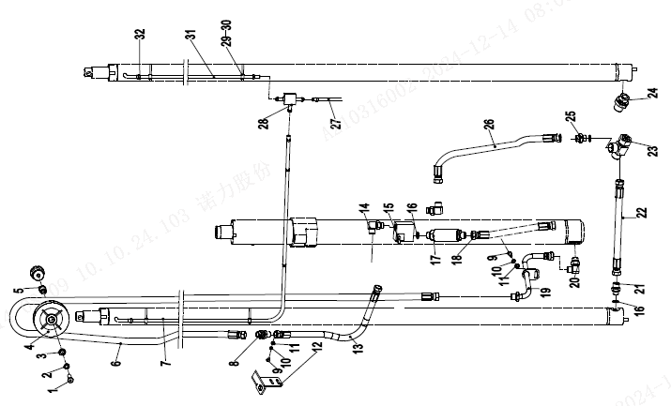
门架起升管路 (三级全自由)/Mast lifting pipeline(three stage full free lift)
 | 序号/NO | 编码/SN | Name | 名称 | 数量/QTY | 备注/Remarks
 | 1 | 910100100048 | Bolt GB5782-M12x50-8.8 | 螺栓GB5782-M12x50-8.8 | 1
 | 2 | 910400500008 | Spring washer gb93-12 | 弹簧垫圈GB93-12 | 1
 | 3 | 910400100008 | Flat washer GB97.1-12-200HV | 平垫圈GB97.1-12-200HV | 1
 | 4 | 255044520096 | Pulley Φ120x36 (single slot) | 滑轮Φ120x36(单槽) | 1
 | 5 | 255044520081 | Lining Φ 20x Φ 13x33 | 衬套Φ20xΦ13x33 | 1
 | 6 | 255044529621 | Hydraulic pipe assembly (straight) 15-L1950-2SC-24 ° | 液压管总成(直)15-L1950-2SC-24° | 1 | H=3600
 | 6 | 255044529622 | Hydraulic pipe assembly (straight) 15-L2230-2SC-24 ° | 液压管总成(直)15-L2230-2SC-24° | 1 | H=4000
 | 6 | 255044529623 | Hydraulic pipe assembly (straight) 15-L2480-2SC-24 ° | 液压管总成(直)15-L2480-2SC-24° | 1 | H=4350
 | 6 | 255044529624 | Hydraulic pipe assembly (straight) 15-L2580-2SC-24 ° | 液压管总成(直)15-L2580-2SC-24° | 1 | H=4500
 | 6 | 255044529625 | Hydraulic pipe assembly (straight) 15-L2780-2SC-24 ° | 液压管总成(直)15-L2780-2SC-24° | 1 | H=4700/4800
 | 6 | 255044529626 | Hydraulic pipe assembly (straight) 15-L3070-2SC-24 ° | 液压管总成(直)15-L3070-2SC-24° | 1 | H=5000
 | 6 | 255044529627 | Hydraulic pipe assembly (straight) 15-L3530-2SC-24 ° | 液压管总成(直)15-L3530-2SC-24° | 1 | H=5400/5500
 | 6 | 255044529628 | Hydraulic pipe assembly (straight) 15-L4000-2SC-24 ° | 液压管总成(直)15-L4000-2SC-24° | 1 | H=6000
 | 6 | 255044529629 | Hydraulic pipe assembly (straight) 15-L4460-2SC-24 ° | 液压管总成(直)15-L4460-2SC-24° | 1 | H=6500
 | 7 | 900200301004 | PE Supple pipeΦ10xΦ13 L1=1550 | PE软管Φ10xΦ13 L1=1550 | 1 | H=3600
 | 7 | 900200301004 | PE Supple pipeΦ10xΦ13 L1=1675 | PE软管Φ10xΦ13 L1=1675 | 1 | H=4000
 | 7 | 900200301004 | PE Supple pipeΦ10xΦ13 L1=1800 | PE软管Φ10xΦ13 L1=1800 | 1 | H=4350
 | 7 | 900200301004 | PE Supple pipeΦ10xΦ13 L1=1850 | PE软管Φ10xΦ13 L1=1850 | 1 | H=4500
 | 7 | 900200301004 | PE Supple pipeΦ10xΦ13 L1=1885 | PE软管Φ10xΦ13 L1=1885 | 1 | H=4700
 | 7 | 900200301004 | PE Supple pipeΦ10xΦ13 L1=1920 | PE软管Φ10xΦ13 L1=1920 | 1 | H=4800
 | 7 | 900200301004 | PE Supple pipeΦ10xΦ13 L1=2060 | PE软管Φ10xΦ13 L1=2060 | 1 | H=5000
 | 7 | 900200301004 | PE Supple pipeΦ10xΦ13 L1=2260 | PE软管Φ10xΦ13 L1=2260 | 1 | H=5400
 | 7 | 900200301004 | PE Supple pipeΦ10xΦ13 L1=2300 | PE软管Φ10xΦ13 L1=2300 | 1 | H=5500
 | 7 | 900200301004 | PE Supple pipeΦ10xΦ13 L1=2530 | PE软管Φ10xΦ13 L1=2530 | 1 | H=6000
 | 7 | 900200301004 | PE Supple pipeΦ10xΦ13 L1=2760 | PE软管Φ10xΦ13 L1=2760 | 1 | H=6500
 | 8 | 950400500006 | Joint (adjacent straight) 15-M22x1.5-M22x1.5-24 ° | 接头(隔壁直)15-M22x1.5-M22x1.5-24° | 1
 | 9 | 910100300022 | Bolt GB5783-M8x20-8.8 | 螺栓GB5783-M8x20-8.8 | 3
 | 10 | 910400500006 | Spring washer GB93-8 | 弹簧垫圈GB93-8 | 5
 | 11 | 910400100006 | Flat washer GB97.1-8-200HV | 平垫圈GB97.1-8-200HV | 5
 | 12 | 253644520019 | Joint over board | 接头过板 | 1
 | 13 | 255044529642 | Hydraulic pipe assembly (straight) 15-L620-2SC-24 ° | 液压管总成(直)15-L620-1SC-24° | 1

门架起升管路 (三级全自由)/Mast lifting pipeline(three stage full free lift)
 | 序号/NO | 编码/SN | Name | 名称 | 数量/QTY | 备注/Remarks
 | 14 | 950401100004 | Connector (lock bend) 15-2xM22x1.5-24° | 接头(锁定弯-0R)15-2xM22x1.5-24° | 1
 | 15 | 252144519002 | Tee welded (20Q) | 三通焊合(20Q) | 1
 | 16 | 910800100040 | O - inner 24x2.4 | O形圈-外24x2.4 | 4
 | 17 | 950700300007 | The speed limit valve XSF-F16L-48 | 限速阀XSF-F16L-48 | 1
 | 18 | 255044529644 | Hydraulic pipe assembly (straight) 15-L800-2SC-24 ° | 液压管总成(直)15-L800-2SC-24°(带钢丝防护) | 1
 | 19 | 257644519001 | Hydraulic pipe welding | 液压钢管焊合 | 1
 | 20 | 251244529002 | Connector (lock bend) 12-M27x2-M22x1.5 | 接头(锁定弯)12-M27x2-M22x1.5-24° | 1
 | 21 | 253644020101 | Explosion proof valve -2T-24 ° | 防爆阀-2T-24° | 1
 | 22 | 255044529641 | Hydraulic pipe assembly (straight) 15-L390-2SC-24 ° | 液压管总成(直)15-L390-2SC-24° | 1
 | 23 | 257543529001 | Connector (tee) | 接头(三通) | 1
 | 24 | 251223520122 | Connector12-M20x1.5-M22x1.5-24° | 接头(直)12-M20x1.5-M22x1.5-24° | 1
 | 25 | 251223520030 | Joint (straight) 15-M22x1.5-M22x1.5-24 ° | 接头(直)15-M22x1.5-M22x1.5-24° | 1
 | 26 | 255044529643 | Hydraulic pipe assembly (straight) 15-L590-2SC-24 ° | 液压管总成(直)15-L590-2SC-24° | 1
 | 27 | 900200301004 | PE Supple pipe10x13 L1=2000 | 软管13x1.5/PE L1=2000 | 1
 | 28 | 255044020118 | Connector (tee) | 接头(三通) | 1
 | 29 | 921600400002 | 8x300 tie | 扎带8x300 | 6
 | 30 | 255044020042 | clamp | 压板 | 4
 | 31 | 900200301004 | PE Supple pipeΦ10xΦ13 L1=750 | PE软管Φ10xΦ13 L1=750 | 1 | H=3600
 | 31 | 900200301004 | PE Supple pipeΦ10xΦ13 L1=875 | PE软管Φ10xΦ13 L1=875 | 1 | H=4000
 | 31 | 900200301004 | PE Supple pipeΦ10xΦ13 L1=1000 | PE软管Φ10xΦ13 L1=1000 | 1 | H=4350
 | 31 | 900200301004 | PE Supple pipeΦ10xΦ13 L1=1050 | PE软管Φ10xΦ13 L1=1050 | 1 | H=4500
 | 31 | 900200301004 | PE Supple pipeΦ10xΦ13 L1=1085 | PE软管Φ10xΦ13 L1=1085 | 1 | H=4700
 | 31 | 900200301004 | PE Supple pipeΦ10xΦ13 L1=1120 | PE软管Φ10xΦ13 L1=1120 | 1 | H=4800
 | 31 | 900200301004 | PE Supple pipeΦ10xΦ13 L1=1260 | PE软管Φ10xΦ13 L1=1260 | 1 | H=5000
 | 31 | 900200301004 | PE Supple pipeΦ10xΦ13 L1=1460 | PE软管Φ10xΦ13 L1=1460 | 1 | H=5400
 | 31 | 900200301004 | PE Supple pipeΦ10xΦ13 L1=1500 | PE软管Φ10xΦ13 L1=1500 | 1 | H=5500
 | 31 | 900200301004 | PE Supple pipeΦ10xΦ13 L1=1730 | PE软管Φ10xΦ13 L1=1730 | 1 | H=6000
 | 31 | 900200301004 | PE Supple pipeΦ10xΦ13 L1=1960 | PE软管Φ10xΦ13 L1=1960 | 1 | H=6500
 | 32 | 255044020043 | Clamp 13 | 卡箍13 | 6

侧移器及管路安装（标准门架）/Side shifter and pipeline installation (standard mast)
 | 序号/NO | 编码/SN | Name | 名称 | 数量/QTY | 备注/Remarks
 | 1 | 910100100056 | Bolt GB5782-M12x90-8.8 | 螺栓GB5782-M12x90-8.8 | 1
 | 2 | 910400500008 | WasherGB93-12 | 弹簧垫圈GB93-12 | 1
 | 3 | 910400100008 | Washer GB97.1-12-200HV | 平垫圈GB97.1-12-200HV | 1
 | 4 | 255030520022 | Bush Φ22xΦ13x56 | 衬套Φ22xΦ13x56 | 1
 | 5 | 255030520021 | Pulley Φ110x27 | 滑轮Φ110x27(单槽) | 2
 | 6 | 910200200059 | ScrewGB70.1-M8x30-8.8 | 螺钉GB70.1-M8x30-8.8 | 2
 | 7 | 910400500006 | Washer GB93-8 | 弹簧垫圈GB93-8 | 6
 | 8 | 255028520034 | Rubber pipe lump | 胶管固定块 | 2
 | 9 | 255028520035 | Pipe press fixedly piank | 管夹安装板 | 2
 | 10 | 255027529621 | Hydraulic hose assembly (straight)10-L2950-1SC-24° | 液压管总成(直)10-L2950-1SC-24° | 2 | H=2000
 | 10 | 255027529622 | Hydraulic hose assembly (straight)10-L3450-1SC-24° | 液压管总成(直)10-L3450-1SC-24° | 2 | H=2500
 | 10 | 255027529623 | Hydraulic hose assembly (straight)10-L4050-1SC-24° | 液压管总成(直)10-L4050-1SC-24° | 2 | H=3000
 | 10 | 255027529624 | Hydraulic hose assembly (straight)10-L4250-1SC-24° | 液压管总成(直)10-L4250-1SC-24° | 2 | H=3300
 | 10 | 255027529625 | Hydraulic hose assembly (straight)10-L4400-1SC-24° | 液压管总成(直)10-L4400-1SC-24° | 2 | H=3500
 | 10 | 255027529626 | Hydraulic hose assembly (straight)10-L4500-1SC-24° | 液压管总成(直)10-L4500-1SC-24° | 2 | H=3600
 | 10 | 255027529627 | Hydraulic hose assembly (straight)10-L4650-1SC-24° | 液压管总成(直)10-L4650-1SC-24° | 2 | H=3700
 | 10 | 255027529628 | Hydraulic hose assembly (straight)10-L5050-1SC-24° | 液压管总成(直)10-L5050-1SC-24° | 2 | H=4000
 | 10 | 255027529629 | Hydraulic hose assembly (straight)10-L5350-1SC-24° | 液压管总成(直)10-L5350-1SC-24° | 2 | H=4300
 | 10 | 255027529630 | Hydraulic hose assembly (straight)10-L5550-1SC-24° | 液压管总成(直)10-L5550-1SC-24° | 2 | H=4500
 | 10 | 255027529631 | Hydraulic hose assembly (straight)10-L6150-1SC-24° | 液压管总成(直)10-L6150-1SC-24° | 2 | H=5000
 | 11 | 251230520010 | Joint (locking bend) 8-2xM16x1.5-24 ° | 接头(锁定弯)8-2xM16x1.5-24° | 2
 | 12 | 256827520001 | fixedly piank | 安装板 | 1
 | 13 | 910400100006 | Washer GB97.1-8-200HV | 平垫圈GB97.1-8-200HV | 2
 | 14 | 910800100001 | Oring 9.5x1.8 | O形圈-内9.5x1.8 | 4
 | 15 | 257542529601 | Hydraulic hose assembly (90°)10-L500-1SC-24°-0° | 液压管总成(90°)10-L500-1SC-24°-0° | 2
 | 16 | 255042510004 | Side shiifter assembly(LH) | 侧移器总成(LH) | 1 | 选装/optional
 | 16 | 255042510001 | Side shiifter assembly(LD) | 侧移器总成(LD) | 1 | 选装/optional
 | 16 | 255042510002 | Side shiifter assembly(CASCADE) | 侧移器总成(卡斯卡特) | 1 | 选装/optional

侧移器及管路安装（二级全自由）/Side shifter and pipeline installation(two stage full free)
 | 序号/NO | 编码/SN | Name | 名称 | 数量/QTY | 备注/Remarks
 | 1 | 910400100006 | Washer GB97.1-8-200HV | 平垫圈GB97.1-8-200HV | 11
 | 2 | 910400500006 | Washer GB93-8 | 弹簧垫圈GB93-8 | 11
 | 3 | 910200200057 | Screw GB70.1-M8x20-8.8 | 螺钉GB70.1-M8x20-8.8 | 7
 | 4 | 255028510001 | Groove welding L=590 | 外导槽焊合L=590 | 1 | H=2000
 | 4 | 255028510002 | Groove welding L=840 | 外导槽焊合L=840 | 1 | H=2500
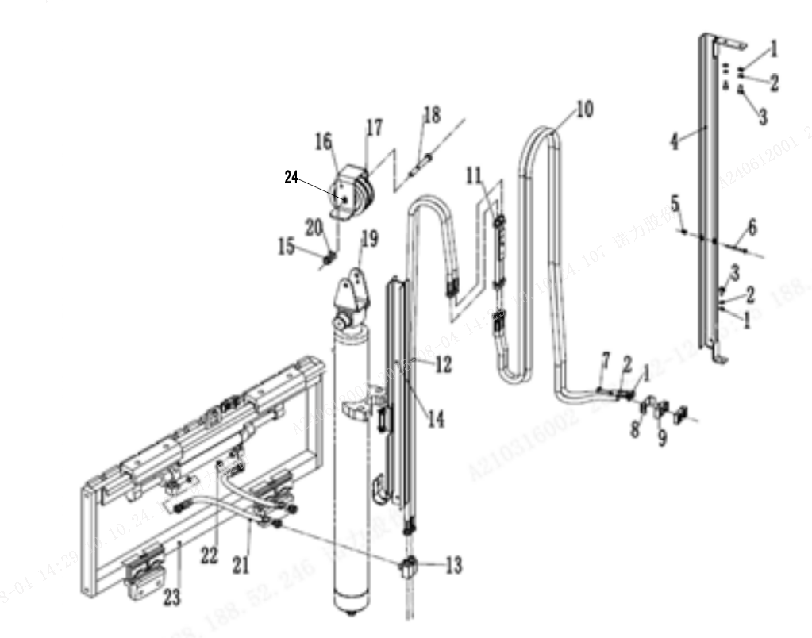
 | 4 | 255028510003 | Groove welding L=1090 | 外导槽焊合L=1090 | 1 | H=3000
 | 4 | 255028510004 | Groove welding L=1240 | 外导槽焊合L=1240 | 1 | H=3300
 | 4 | 255028510005 | Groove welding L=1390 | 外导槽焊合L=1390 | 1 | H=3500/3600/3700
 | 4 | 255028510006 | Groove welding L=1640 | 外导槽焊合L=1640 | 1 | H=4000
 | 5 | 910300500003 | Nut GB889.1-M6-10 | 螺母GB889.1-M6-10 | 2
 | 6 | 910200200046 | Screw GB70.1-M6x60-8.8 | 螺钉GB70.1-M6x60-8.8 | 2
 | 7 | 910100300025 | Bolt GB5783-M8x35-8.8 | 螺栓GB5783-M8x35-8.8 | 4
 | 8 | 255028520035 | Pipe press fixedly piank | 安装板(管夹) | 1
 | 9 | 255028520034 | Hose fixing bloke | 胶管固定块 | 2
 | 10 | 255028529631 | Hydraulic Hose Assembly (Straight) 10-L2220-1SC-24° | 液压管总成(直)10-L2220-1SC-24° | 2 | H=2000
 | 10 | 255028529632 | Hydraulic Hose Assembly (Straight) 10-L2470-1SC-24° | 液压管总成(直)10-L2470-1SC-24° | 2 | H=2500
 | 10 | 255028529633 | Hydraulic Hose Assembly (Straight) 10-L2940-1SC-24° | 液压管总成(直)10-L2940-1SC-24° | 2 | H=3000
 | 10 | 255028529634 | Hydraulic Hose Assembly (Straight) 10-L3180-1SC-24° | 液压管总成(直)10-L3180-1SC-24° | 2 | H=3300/3500
 | 10 | 255028529635 | Hydraulic Hose Assembly (Straight) 10-L3250-1SC-24° | 液压管总成(直)10-L3250-1SC-24° | 2 | H=3600/3700
 | 10 | 255028529636 | Hydraulic Hose Assembly (Straight) 10-L3600-1SC-24° | 液压管总成(直)10-L3600-1SC-24° | 2 | H=4000
 | 11 | 251331010002 | Transition steel pipe | 过渡钢管总成(24°） | 1
 | 12 | 255028529621 | Hydraulic Hose Assembly (Straight) 10-L1030-1SC-24° | 液压管总成(直)10-L1030-1SC-24° | 2 | H=2000
 | 12 | 255028529622 | Hydraulic Hose Assembly (Straight) 10-L1280-1SC-24° | 液压管总成(直)10-L1280-1SC-24° | 2 | H=2500
 | 12 | 255028529623 | Hydraulic Hose Assembly (Straight) 10-L1500-1SC-24° | 液压管总成(直)10-L1500-1SC-24° | 2 | H=3000
 | 12 | 255028529624 | Hydraulic Hose Assembly (Straight) 10-L1620-1SC-24° | 液压管总成(直)10-L1620-1SC-24° | 2 | H=3300
 | 12 | 255028529625 | Hydraulic Hose Assembly (Straight) 10-L1730-1SC-24° | 液压管总成(直)10-L1730-1SC-24° | 2 | H=3500
 | 12 | 255028529626 | Hydraulic Hose Assembly (Straight) 10-L1550-1SC-24° | 液压管总成(直)10-L1550-1SC-24° | 2 | H=3600/3700
 | 12 | 255028529627 | Hydraulic Hose Assembly (Straight) 10-L1770-1SC-24° | 液压管总成(直)10-L1770-1SC-24° | 2 | H=4000
 | 13 | 251230520010 | Joint 8-2XM16x1.5-24° | 接头(锁定弯)8-2xM16x1.5-24° | 2
 | 14 | 255028510011 | Groove welding L=545 | 内导槽焊合L=545 | 1 | H=2000
 | 14 | 255028510012 | Groove welding L=670 | 内导槽焊合L=670 | 1 | H=2500

侧移器及管路安装（二级全自由）/Side shifter and pipeline installation(two stage full free)
 | 序号/NO | 编码/SN | Name | 名称 | 数量/QTY | 备注/Remarks
 | 14 | 255028510013 | Groove welding L=795 | 内导槽焊合L=795 | 1 | H=3000
 | 14 | 255028510014 | Groove welding L=870 | 内导槽焊合L=870 | 1 | H=3300
 | 14 | 255028510015 | Groove welding L=920 | 内导槽焊合L=920 | 1 | H=3500/3600/3700
 | 14 | 255028510016 | Groove welding L=960 | 内导槽焊合L=960 | 1 | H=4000
 | 15 | 910300500006 | Nut GB889.1-M12-10 | 螺母GB889.1-M12-10 | 1
 | 16 | 255028520043 | board | 挡板 | 1
 | 17 | 255030520021 | Pulley Φ110x27 | 滑轮Φ110x27(单槽) | 2
 | 18 | 910100100058 | Bolt GB5782-M12x100-8.8 | 螺栓GB5782-M12x100-8.8 | 1
 | 19 | 255030520026 | Pulley frame | 滑轮架体 | 1
 | 20 | 910400100008 | Flat Washer GB97.1-12-200HV | 平垫圈GB97.1-12-200HV | 1
 | 21 | 257542529601 | Hydraulic hose assembly (90)10-L500-1SC-24°-0° | 液压管总成(90°)10-L500-1SC-24°-0° | 2
 | 22 | 910800100001 | Oring 9.5x1.8 | O形圈-内9.5x1.8 | 4
 | 23 | 255042510004 | Side shiifter assembly(LH) | 侧移器总成(LH) | 1 | 选装/optional
 | 23 | 255042510001 | Side shiifter assembly(LD) | 侧移器总成(LD) | 1 | 选装/optional
 | 23 | 255042510002 | Side shiifter assembly(CASCADE) | 侧移器总成(卡斯卡特) | 1 | 选装/optional
 | 24 | 910400200005 | Flat Washer | 大垫圈GB96.1-12-200HV | 2

侧移器及管路安装(三级全自由)/Side shifter and pipeline installation(three stage full free)
 | 序号/NO | 编码/SN | Name | 名称 | 数量/QTY | 备注/Remarks
 | 1 | 253630520904 | Middle cylinder rubber hose cover | 中缸胶管护罩 | 1
 | 2 | 910100100060 | Bolt GB5782-M12x120-8.8 | 螺栓GB5782-M12x120-8.8 | 1
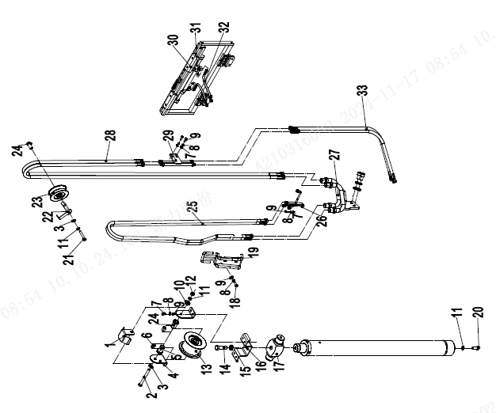
 | 3 | 910400100008 | Flat Washer GB97.1-12-200HV | 平垫圈GB97.1-12-200HV | 2
 | 4 | 253630520906 | Bracket | 支架 | 2
 | 5 | 255044520081 | Lining Φ 20x Φ 13x33 | 衬套Φ20XΦ13x33 | 1
 | 6 | 940500100019 | Bushing | 复合套Φ20xΦ23x20-SF-1 | 2
 | 7 | 910100300020 | Bolt GB5783-M8x16-8.8 | 螺栓GB5783-M8x16-8.8 | 6
 | 8 | 910400500006 | Washer GB93-8 | 弹簧垫圈GB93-8 | 10
 | 9 | 910400100006 | Washer GB97.1-8-200HV | 平垫圈GB97.1-8-200HV | 10
 | 10 | 910400200005 | Washer GB97.1-12-200HV | 大垫圈GB96.1-12-200HV | 2
 | 11 | 910400500008 | Washer GB93-12 | 弹簧垫圈GB93-12 | 2
 | 12 | 910300100008 | Nut | 螺母GB6170-M12-10 | 1
 | 13 | 253631020020 | Pulley Φ 104x76 (quadruple) | 滑轮Φ104x76(四联) | 1
 | 14 | 910100100072 | Bolt GB5782-M16x60-8.8 | 螺栓GB5782-M16x60-8.8 | 1
 | 15 | 910400500010 | Washer GB93-16 | 弹簧垫圈GB93-16 | 1
 | 16 | 257644520002 | Intermediate cylinder chain baffle | 中缸链条挡板 | 1
 | 17 | 255043520006 | Cylinder head | 缸头 | 1
 | 18 | 910100300023 | Bolt GB5783-M8x25-8.8 | 螺栓GB5783-M8x25-8.8 | 2
 | 19 | 257631010001 | Middle cylinder rubber hose fixing bracket | 中缸胶管固定架 | 1
 | 20 | 910100300050 | Bolt GB5783-M12x30-8.8 | 螺栓GB5783-M12x30-8.8 | 1
 | 21 | 910100100048 | Bolt GB5782-M12x50-8.8 | 螺栓GB5782-M12x50-8.8 | 1
 | 22 | 256844520021 | Rubber hose baffle | 胶管挡板 | 1
 | 23 | 255030520020 | Pulley Φ 120x42 (double groove) | 滑轮Φ120x42(双槽) | 1
 | 24 | 254130520016 | Lining Φ 20x Φ 13x43 | 衬套Φ20xΦ13x43 | 2
 | 25 | 255030529631 | Hydraulic pipe assembly (straight) 10-L1870-1SC-24 ° | 液压管总成(直)10-L1870-1SC-24° | 2 | H=3600
 | 25 | 255030529632 | Hydraulic pipe assembly (straight) 10-L1990-1SC-24 ° | 液压管总成(直)10-L1990-1SC-24° | 2 | H=4000
 | 25 | 255030529633 | Hydraulic pipe assembly (straight) 10-L2120-1SC-24 ° | 液压管总成(直)10-L2120-1SC-24° | 2 | H=4350
 | 25 | 255030529634 | Hydraulic pipe assembly (straight) 10-L2170-1SC-24 ° | 液压管总成(直)10-L2170-1SC-24° | 2 | H=4500
 | 25 | 255030529635 | Hydraulic pipe assembly (straight) 10-L2240-1SC-24 ° | 液压管总成(直)10-L2240-1SC-24° | 2 | H=4700
 | 25 | 255030529636 | Hydraulic pipe assembly (straight) 10-L2270-1SC-24 ° | 液压管总成(直)10-L2270-1SC-24° | 2 | H=4800
 | 25 | 255030529637 | Hydraulic pipe assembly (straight) 10-L2380-1SC-24 ° | 液压管总成(直)10-L2380-1SC-24° | 2 | H=5000

侧移器及管路安装(三级全自由)/Side shifter and pipeline installation(three stage full free)
 | 序号/NO | 编码/SN | Name | 名称 | 数量/QTY | 备注/Remarks
 | 25 | 255030529638 | Hydraulic pipe assembly (straight) 10-L2580-1SC-24 ° | 液压管总成(直)10-L2580-1SC-24° | 2 | H=5400
 | 25 | 255030529639 | Hydraulic pipe assembly (straight) 10-L2610-1SC-24 ° | 液压管总成(直)10-L2610-1SC-24° | 2 | H=5500
 | 25 | 255030529640 | Hydraulic pipe assembly (straight) 10-L2830-1SC-24 ° | 液压管总成(直)10-L2830-1SC-24° | 2 | H=6000
 | 25 | 255030529641 | Hydraulic pipe assembly (straight) 10-L3050-1SC-24 ° | 液压管总成(直)10-L3050-1SC-24° | 2 | H=6500
 | 26 | 253630510003 | Single attached rubber hose bracket (24 °) | 单附胶管支架(24°) | 1
 | 27 | 257630510001 | Hydraulic steel pipe welding 1 | 液压钢管焊合1 | 1
 | 28 | 255030529651 | Hydraulic pipe assembly (straight) 10-L2080-1SC-24 ° | 液压管总成(直)10-L2080-1SC-24° | 2 | H=3600
 | 28 | 255030529652 | Hydraulic pipe assembly (straight) 10-L2330-1SC-24 ° | 液压管总成(直)10-L2330-1SC-24° | 2 | H=4000
 | 28 | 255030529653 | Hydraulic pipe assembly (straight) 10-L2580-1SC-24 ° | 液压管总成(直)10-L2580-1SC-24° | 2 | H=4350
 | 28 | 255030529654 | Hydraulic pipe assembly (straight) 10-L2680-1SC-24 ° | 液压管总成(直)10-L2680-1SC-24° | 2 | H=4500
 | 28 | 255030529655 | Hydraulic pipe assembly (straight) 10-L2810-1SC-24 ° | 液压管总成(直)10-L2810-1SC-24° | 2 | H=4700
 | 28 | 255030529656 | Hydraulic pipe assembly (straight) 10-L2880-1SC-24 ° | 液压管总成(直)10-L2880-1SC-24° | 2 | H=4800
 | 28 | 255030529657 | Hydraulic pipe assembly (straight) 10-L3150-1SC-24 ° | 液压管总成(直)10-L3150-1SC-24° | 2 | H=5000
 | 28 | 255030529658 | Hydraulic pipe assembly (straight) 10-L3550-1SC-24 ° | 液压管总成(直)10-L3550-1SC-24° | 2 | H=5400
 | 28 | 255030529659 | Hydraulic pipe assembly (straight) 10-L3600-1SC-24 ° | 液压管总成(直)10-L3600-1SC-24° | 2 | H=5500
 | 28 | 255030529660 | Hydraulic pipe assembly (straight) 10-L4050-1SC-24 ° | 液压管总成(直)10-L4050-1SC-24° | 2 | H=6000
 | 28 | 255030529661 | Hydraulic pipe assembly (straight) 10-L4500-1SC-24 ° | 液压管总成(直)10-L4500-1SC-24° | 2 | H=6500
 | 29 | 251330510004 | Hydraulic steel pipe welding (24 °) | 液压钢管焊合(24°) | 1
 | 30 | 910800100001 | Oring 9.5x1.8 | O形圈-内9.5x1.8 | 4
 | 31 | 255042510004 | Side shiifter assembly(LH) | 侧移器总成(LH) | 1 | 选装/optional
 | 31 | 255042510001 | Side shiifter assembly(LD) | 侧移器总成(LD) | 1 | 选装/optional
 | 31 | 255042510002 | Side shiifter assembly(CASCADE) | 侧移器总成(卡斯卡特) | 1 | 选装/optional
 | 32 | 257542529601 | Hydraulic pipe assembly (90 °) 10-L500-1SC-24 ° -0 ° | 液压管总成(90°)10-L500-1SC-24°-0° | 2
 | 33 | 255030529625 | Hydraulic pipe assembly (straight) 10-L1450-1SC-24 ° | 液压管总成(直)10-L1450-1SC-24° | 2

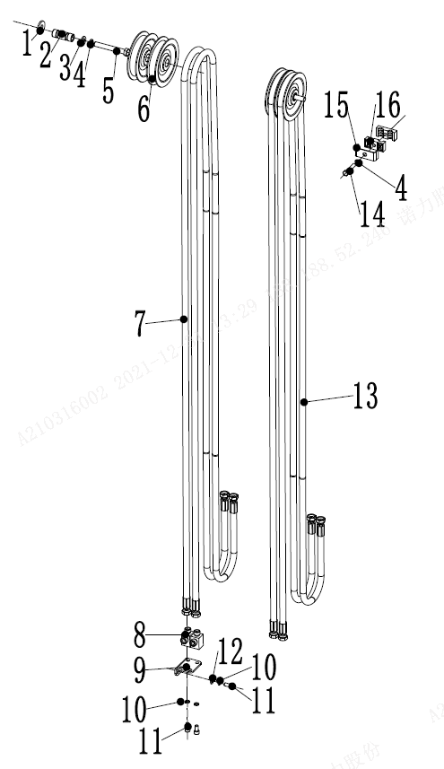
双附加管路(标准门架)/Double additional pipeline (Standard portal frame)
 | 序号/NO | 编码/SN | Name | 名称 | 数量/QTY | 备注/Remarks
 | 1 | 910400200005 | Big Washer GB96.1-12-200HV | 大垫圈GB96.1-12-200HV | 4
 | 2 | 255030520022 | Bush Φ22xΦ13x56 | 衬套Φ22xΦ13x56 | 2
 | 3 | 910400100008 | washer GB97.1-12-200HV | 平垫圈GB97.1-12-200HV | 2
 | 4 | 910400500008 | Spring washer GB93-12 | 弹簧垫圈GB93-12 | 12
 | 5 | 910100100056 | Bolt GB5782-M12x90-8.8 | 螺栓GB5782-M12x90-8.8 | 2
 | 6 | 255030520021 | Pulley Φ110x27 | 滑轮Φ110x27(单槽) | 4
 | 7 | 255027529621 | Hydraulic hose assembly (straight)10-L2950-1SC-24° | 液压管总成(直)10-L2950-1SC-24° | 2 | H=2000
 | 7 | 255027529622 | Hydraulic hose assembly (straight)10-L3450-1SC-24° | 液压管总成(直)10-L3450-1SC-24° | 2 | H=2500
 | 7 | 255027529623 | Hydraulic hose assembly (straight)10-L4050-1SC-24° | 液压管总成(直)10-L4050-1SC-24° | 2 | H=3000
 | 7 | 255027529624 | Hydraulic hose assembly (straight)10-L4250-1SC-24° | 液压管总成(直)10-L4250-1SC-24° | 2 | H=3300
 | 7 | 255027529625 | Hydraulic hose assembly (straight)10-L4400-1SC-24° | 液压管总成(直)10-L4400-1SC-24° | 2 | H=3500
 | 7 | 255027529626 | Hydraulic hose assembly (straight)10-L4500-1SC-24° | 液压管总成(直)10-L4500-1SC-24° | 2 | H=3600
 | 7 | 255027529627 | Hydraulic hose assembly (straight)10-L4650-1SC-24° | 液压管总成(直)10-L4650-1SC-24° | 2 | H=3700
 | 7 | 255027529628 | Hydraulic hose assembly (straight)10-L5050-1SC-24° | 液压管总成(直)10-L5050-1SC-24° | 2 | H=4000
 | 7 | 255027529629 | Hydraulic hose assembly (straight)10-L5350-1SC-24° | 液压管总成(直)10-L5350-1SC-24° | 2 | H=4300
 | 7 | 255027529630 | Hydraulic hose assembly (straight)10-L5550-1SC-24° | 液压管总成(直)10-L5550-1SC-24° | 2 | H=4500
 | 7 | 255027529631 | Hydraulic hose assembly (straight)10-L6150-1SC-24° | 液压管总成(直)10-L6150-1SC-24° | 2 | H=5000
 | 8 | 251230520010 | Joint 8-2XM16x1.5-60° | 接头(锁定弯)8-2xM16x1.5-24° | 2
 | 9 | 256827520001 | fixedly piank | 安装板 | 2
 | 10 | 910400500006 | Spring washer GB93-8 | 弹簧垫圈GB93-8 | 12
 | 11 | 910200200055 | Screw GB70.1-M8x16-8.8 | 螺钉GB70.1-M8x16-8.8 | 8
 | 12 | 910400100006 | Washer GB97.1-8-200HV | 平垫圈GB97.1-8-200HV | 4
 | 13 | 255028029621 | Hydraulic hose assembly (90°)10-L3250-1SC-24° | 液压管总成(90°)10-L3250-1SC-24° | 2 | H=2000
 | 13 | 255028029622 | Hydraulic hose assembly (90°)10-L3775-1SC-24° | 液压管总成(90°)10-L3775-1SC-24° | 2 | H=2500
 | 13 | 255028029623 | Hydraulic hose assembly (90°)10-L4350-1SC-24° | 液压管总成(90°)10-L4350-1SC-24° | 2 | H=3000
 | 13 | 255028029624 | Hydraulic hose assembly (90°)10-L4600-1SC-24° | 液压管总成(90°)10-L4600-1SC-24° | 2 | H=3300
 | 13 | 255028029625 | Hydraulic hose assembly (90°)10-L4700-1SC-24° | 液压管总成(90°)10-L4700-1SC-24° | 2 | H=3500
 | 13 | 255028029626 | Hydraulic hose assembly (90°)10-L4800-1SC-24° | 液压管总成(90°)10-L4800-1SC-24° | 2 | H=3600
 | 13 | 255028029627 | Hydraulic hose assembly (90°)10-L5000-1SC-24° | 液压管总成(90°)10-L5000-1SC-24° | 2 | H=3700
 | 13 | 255028029628 | Hydraulic hose assembly (90°)10-L5350-1SC-24° | 液压管总成(90°)10-L5350-1SC-24° | 2 | H=4000
 | 13 | 255028029629 | Hydraulic hose assembly (90°)10-L5650-1SC-24° | 液压管总成(90°)10-L5650-1SC-24° | 2 | H=4300

双附加管路(标准门架)/Double additional pipeline (Standard portal frame)
 | 序号/NO | 编码/SN | Name | 名称 | 数量/QTY | 备注/Remarks
 | 13 | 255028029630 | Hydraulic hose assembly (90°)10-L5850-1SC-24° | 液压管总成(90°)10-L5850-1SC-24° | 2 | H=4500
 | 13 | 255028029631 | Hydraulic hose assembly (90°)10-L6450-1SC-24° | 液压管总成(90°)10-L6450-1SC-24° | 2 | H=5000
 | 14 | 910200200059 | Bolt GB70.1-M8x30-8.8 | 螺钉GB70.1-M8x30-8.8 | 2
 | 15 | 255028520035 | Pipe clamp munting plate | 安装板(管夹) | 4
 | 16 | 255028520034 | hose immobilization lump | 胶管固定块 | 4

双附加管路(二级全自由)/Double additional pipeline (two-stage full freedom)
 | 序号/NO | 编码/SN | Name | 名称 | 数量/QTY | 备注/Remarks
 | 1 | 255029010001 | Groove welding L=670 | 外导槽焊合L=670 | 1 | H=2000
 | 1 | 255029010002 | Groove welding L=840 | 外导槽焊合L=840 | 1 | H=2500
 | 1 | 255029010003 | Groove welding L=1090 | 外导槽焊合L=1090 | 1 | H=3000
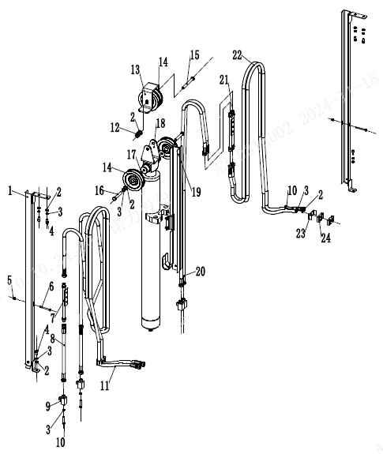
 | 1 | 255029010004 | Groove welding L=1240 | 外导槽焊合L=1240 | 1 | H=3300/3500
 | 1 | 255029010005 | Groove welding L=1390 | 外导槽焊合L=1390 | 1 | H=3600/3700
 | 1 | 255029010006 | Groove welding L=1640 | 外导槽焊合L=1640 | 1 | H=4000
 | 2 | 910400100006 | Washer GB97.1-8-200HV | 平垫圈GB97.1-8-200HV | 10
 | 3 | 910400500006 | Washer GB93-8 | 弹簧垫圈GB93-8 | 13
 | 4 | 910200200057 | Screw GB70.1-M8x20-8.8 | 螺钉GB70.1-M8x20-8.8 | 13
 | 5 | 910300500003 | Nut GB889.1-M6-10 | 螺母GB889.1-M6-10 | 3
 | 6 | 910200200046 | Screw GB70.1-M6x60-8.8 | 螺钉GB70.1-M6x60-8.8 | 3
 | 7 | 257529010001 | Transition steel pipe | 过渡钢管 | 2
 | 8 | 255029029621 | Hydraulic Hose Assembly (Straight) 10-L820-1SC-24° | 液压管总成(直)10-L820-1SC-24° | 2 | H=2000
 | 8 | 255029029622 | Hydraulic Hose Assembly (Straight) 10-L1080-1SC-24° | 液压管总成(直)10-L1080-1SC-24° | 2 | H=2500
 | 8 | 255029029623 | Hydraulic Hose Assembly (Straight) 10-L1260-1SC-24° | 液压管总成(直)10-L1260-1SC-24° | 2 | H=3000
 | 8 | 255029029624 | Hydraulic Hose Assembly (Straight) 10-L1410-1SC-24° | 液压管总成(直)10-L1410-1SC-24° | 2 | H=3300
 | 8 | 255029029625 | Hydraulic Hose Assembly (Straight) 10-L1510-1SC-24° | 液压管总成(直)10-L1510-1SC-24° | 2 | H=3500
 | 8 | 255029029626 | Hydraulic Hose Assembly (Straight) 10-L1340-1SC-24° | 液压管总成(直)10-L1340-1SC-24° | 2 | H=3600/3700
 | 8 | 255029029627 | Hydraulic Hose Assembly (Straight) 10-L1560-1SC-24° | 液压管总成(直)10-L1560-1SC-24° | 2 | H=4000
 | 9 | 251230520010 | Joint 8-2XM16x1.5-24° | 接头(锁定弯)8-2xM16x1.5-24° | 4
 | 10 | 910100300025 | Bolt GB5783-M8x35-8.8 | 螺栓GB5783-M8x35-8.8 | 4
 | 11 | 255029029631 | Hydraulic hose assembly (90°)10-L2500-1SC-24° | 液压管总成(90°)10-L2500-1SC-24° | 2 | H=2000
 | 11 | 255029029632 | Hydraulic hose assembly (90°)10-L2800-1SC-24° | 液压管总成(90°)10-L2800-1SC-24° | 2 | H=2500
 | 11 | 255029029633 | Hydraulic hose assembly (90°)10-L3250-1SC-24° | 液压管总成(90°)10-L3250-1SC-24° | 2 | H=3000
 | 11 | 255029029634 | Hydraulic hose assembly (90°)10-L3470-1SC-24° | 液压管总成(90°)10-L3470-1SC-24° | 2 | H=3300/3500
 | 11 | 255029029635 | Hydraulic hose assembly (90°)10-L3600-1SC-24° | 液压管总成(90°)10-L3600-1SC-24° | 2 | H=3600/3700
 | 11 | 255029029636 | Hydraulic hose assembly (90°)10-L3900-1SC-24° | 液压管总成(90°)10-L3900-1SC-24° | 2 | H=4000
 | 12 | 910300500006 | Nut GB889.1-M12-10 | 螺母GB889.1-M12-10 | 1
 | 13 | 255028520043 | board | 挡板 | 1
 | 14 | 255030520021 | Pulley Φ110x27 | 滑轮Φ110x27(单槽) | 4
 | 15 | 910100100058 | Bolt GB5782-M12x100-8.8 | 螺栓GB5782-M12x100-8.8 | 1

双附加管路(二级全自由)/Double additional pipeline (two-stage full freedom)
 | 序号/NO | 编码/SN | Name | 名称 | 数量/QTY | 备注/Remarks
 | 16 | 910100300054 | Bolt GB5783-M12x50-8.8 | 螺栓GB5783-M12x50-8.8 | 2
 | 17 | 910400200005 | Washer GB96.1-12-200HV | 大垫圈GB96.1-12-200HV | 2
 | 18 | 255030520026 | Pulley frame | 滑轮架体 | 1
 | 19 | 255029010008 | Groove welding L=545 | 内导槽焊合L=545 | 1 | H=2000
 | 19 | 255029010009 | Groove welding L=670 | 内导槽焊合L=670 | 1 | H=2500
 | 19 | 255029010010 | Groove welding L=795 | 内导槽焊合L=795 | 1 | H=3000
 | 19 | 255029010011 | Groove welding L=870 | 内导槽焊合L=870 | 1 | H=3300/3500
 | 19 | 255029010012 | Groove welding L=960 | 内导槽焊合L=960 | 1 | H=3600/3700
 | 19 | 255029010013 | Groove welding L=1070 | 内导槽焊合L=1070 | 1 | H=4000
 | 20 | 255028529621 | Hydraulic Hose Assembly (Straight) 10-L1030-1SC-24° | 液压管总成(直)10-L1030-1SC-24° | 2 | H=2000
 | 20 | 255028529622 | Hydraulic Hose Assembly (Straight) 10-L1280-1SC-24° | 液压管总成(直)10-L1280-1SC-24° | 2 | H=2500
 | 20 | 255028529623 | Hydraulic Hose Assembly (Straight) 10-L1500-1SC-24° | 液压管总成(直)10-L1500-1SC-24° | 2 | H=3000
 | 20 | 255028529624 | Hydraulic Hose Assembly (Straight) 10-L1620-1SC-24° | 液压管总成(直)10-L1620-1SC-24° | 2 | H=3300
 | 20 | 255028529625 | Hydraulic Hose Assembly (Straight) 10-L1730-1SC-24° | 液压管总成(直)10-L1730-1SC-24° | 2 | H=3500
 | 20 | 255028529626 | Hydraulic Hose Assembly (Straight) 10-L1550-1SC-24° | 液压管总成(直)10-L1550-1SC-24° | 2 | H=3600/3700
 | 20 | 255028529627 | Hydraulic Hose Assembly (Straight) 10-L1770-1SC-24° | 液压管总成(直)10-L1770-1SC-24° | 2 | H=4000
 | 21 | 251331010002 | Transition steel pipe | 过渡钢管总成(24°） | 1
 | 22 | 255028529631 | Hydraulic Hose Assembly (Straight) 10-L2220-1SC-24° | 液压管总成(直)10-L2220-1SC-24° | 2 | H=2000
 | 22 | 255028529632 | Hydraulic Hose Assembly (Straight) 10-L2470-1SC-24° | 液压管总成(直)10-L2470-1SC-24° | 2 | H=2500
 | 22 | 255028529633 | Hydraulic Hose Assembly (Straight) 10-L2940-1SC-24° | 液压管总成(直)10-L2940-1SC-24° | 2 | H=3000
 | 22 | 255028529634 | Hydraulic Hose Assembly (Straight) 10-L3180-1SC-24° | 液压管总成(直)10-L3180-1SC-24° | 2 | H=3300/3500
 | 22 | 255028529635 | Hydraulic Hose Assembly (Straight) 10-L3250-1SC-24° | 液压管总成(直)10-L3250-1SC-24° | 2 | H=3600/3700
 | 22 | 255028529636 | Hydraulic Hose Assembly (Straight) 10-L3600-1SC-24° | 液压管总成(直)10-L3600-1SC-24° | 2 | H=4000
 | 23 | 255028520035 | Pipe press fixedly piank | 安装板(管夹) | 2
 | 24 | 255028520034 | Hose fixing bloke | 胶管固定块 | 4

双附加管路(三级全自由)/Double additional pipeline (three-stage full freedom)
 | 序号/NO | 编码/SN | Name | 名称 | 数量/QTY | 备注/Remarks
 | 1 | 255031010002 | Pulley support welded 2 | 滑轮支架焊合2 | 1
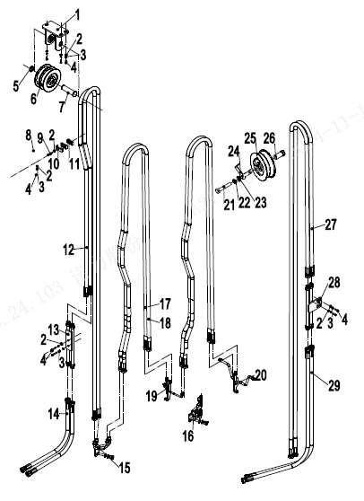
 | 2 | 910400100006 | Flat Washer | 平垫圈GB97.1-8-200HV | 3
 | 3 | 910400500006 | Spring Washer | 弹簧垫圈GB93-8 | 3
 | 4 | 910100300022 | Bolt | 螺栓GB5783-M8x20-8.8 | 3
 | 5 | 910401300011 | Circlip | 轴用弹性挡圈GB894.1-20 | 1
 | 6 | 255031020007 | Pulley Φ90x22 | 滑轮Φ90x22(单槽) | 2
 | 7 | 255031020004 | Axle Φ20x70 | 带耳轴Φ20x70 | 1
 | 8 | 253631020901 | Rubber hose fixing plate | 胶管固定板 | 1
 | 9 | 910100300025 | Bolt | 螺栓GB5783-M8x35-8.8 | 1
 | 10 | 255028520035 | Installation plate (pipe clamp) | 安装板(管夹) | 1
 | 11 | 255028520034 | Rubber hose fixing plate | 胶管固定块 | 2
 | 12 | 255031029651 | Hydraulic pipe assembly (straight) 10-L2380-1SC-24 ° | 液压管总成(直)10-L2380-1SC-24° | 2
 | 12 | 255031029652 | Hydraulic pipe assembly (straight) 10-L2630-1SC-24 ° | 液压管总成(直)10-L2630-1SC-24° | 2
 | 12 | 255031029653 | Hydraulic pipe assembly (straight) 10-L2880-1SC-24 ° | 液压管总成(直)10-L2880-1SC-24° | 2
 | 12 | 255031029654 | Hydraulic pipe assembly (straight) 10-L2980-1SC-24 ° | 液压管总成(直)10-L2980-1SC-24° | 2
 | 12 | 255031029655 | Hydraulic pipe assembly (straight) 10-L3110-1SC-24 ° | 液压管总成(直)10-L3110-1SC-24° | 2
 | 12 | 255031029656 | Hydraulic pipe assembly (straight) 10-L3180-1SC-24 ° | 液压管总成(直)10-L3180-1SC-24° | 2
 | 12 | 255031029657 | Hydraulic pipe assembly (straight) 10-L3460-1SC-24 ° | 液压管总成(直)10-L3460-1SC-24° | 2
 | 12 | 255031029658 | Hydraulic pipe assembly (straight) 10-L3360-1SC-24 ° | 液压管总成(直)10-L3360-1SC-24° | 2
 | 12 | 255031029659 | Hydraulic pipe assembly (straight) 10-L3400-1SC-24 ° | 液压管总成(直)10-L3400-1SC-24° | 2
 | 12 | 255031029660 | Hydraulic pipe assembly (straight) 10-L3850-1SC-24 ° | 液压管总成(直)10-L3850-1SC-24° | 2
 | 12 | 255031029661 | Hydraulic pipe assembly (straight) 10-L4000-1SC-24 ° | 液压管总成(直)10-L4000-1SC-24° | 2
 | 13 | 251331010002 | Transition steel pipe assembly (24 °) | 过渡钢管总成(24°） | 1
 | 14 | 255031029621 | Hydraulic pipe assembly (90°) 10-L1000-1SC-24 ° | 液压管总成(90°)10-L1000-1SC-24° | 2
 | 15 | 257631010002 | Hydraulic steel pipe welding | 液压钢管焊合 | 1
 | 16 | 257630510001 | Hydraulic steel pipe welding 1 | 液压钢管焊合1 | 1
 | 17 | 255031029631 | Hydraulic pipe assembly (straight) 10-L1890-1SC-24 ° | 液压管总成(直)10-L1890-1SC-24° | 2 | H=3600
 | 17 | 255031029632 | Hydraulic pipe assembly (straight) 10-L2010-1SC-24 ° | 液压管总成(直)10-L2010-1SC-24° | 2 | H=4000
 | 17 | 255031029633 | Hydraulic pipe assembly (straight) 10-L2140-1SC-24 ° | 液压管总成(直)10-L2140-1SC-24° | 2 | H=4350
 | 17 | 255031029634 | Hydraulic pipe assembly (straight) 10-L2190-1SC-24 ° | 液压管总成(直)10-L2190-1SC-24° | 2 | H=4500
 | 17 | 255031029635 | Hydraulic pipe assembly (straight) 10-L2260-1SC-24 ° | 液压管总成(直)10-L2260-1SC-24° | 2 | H=4700

双附加管路(三级全自由)/Double additional pipeline (three-stage full freedom)
 | 序号/NO | 编码/SN | Name | 名称 | 数量/QTY | 备注/Remarks
 | 17 | 255031029636 | Hydraulic pipe assembly (straight) 10-L2290-1SC-24 ° | 液压管总成(直)10-L2290-1SC-24° | 2 | H=4800
 | 17 | 255031029637 | Hydraulic pipe assembly (straight) 10-L2400-1SC-24 ° | 液压管总成(直)10-L2400-1SC-24° | 2 | H=5000
 | 17 | 255031029638 | Hydraulic pipe assembly (straight) 10-L2600-1SC-24 ° | 液压管总成(直)10-L2600-1SC-24° | 2 | H=5400
 | 17 | 255031029639 | Hydraulic pipe assembly (straight) 10-L2630-1SC-24 ° | 液压管总成(直)10-L2630-1SC-24° | 2 | H=5500
 | 17 | 255031029640 | Hydraulic pipe assembly (straight) 10-L2850-1SC-24 ° | 液压管总成(直)10-L2850-1SC-24° | 2 | H=6000
 | 17 | 255031029641 | Hydraulic pipe assembly (straight) 10-L3070-1SC-24 ° | 液压管总成(直)10-L3070-1SC-24° | 2 | H=6500
 | 18 | 255030529631 | Hydraulic pipe assembly (straight) 10-L1870-1SC-24 ° | 液压管总成(直)10-L1870-1SC-24° | 2 | H=3600
 | 18 | 255030529632 | Hydraulic pipe assembly (straight) 10-L1990-1SC-24 ° | 液压管总成(直)10-L1990-1SC-24° | 2 | H=4000
 | 18 | 255030529633 | Hydraulic pipe assembly (straight) 10-L2120-1SC-24 ° | 液压管总成(直)10-L2120-1SC-24° | 2 | H=4350
 | 18 | 255030529634 | Hydraulic pipe assembly (straight) 10-L2170-1SC-24 ° | 液压管总成(直)10-L2170-1SC-24° | 2 | H=4500
 | 18 | 255030529635 | Hydraulic pipe assembly (straight) 10-L2240-1SC-24 ° | 液压管总成(直)10-L2240-1SC-24° | 2 | H=4700
 | 18 | 255030529636 | Hydraulic pipe assembly (straight) 10-L2270-1SC-24 ° | 液压管总成(直)10-L2270-1SC-24° | 2 | H=4800
 | 18 | 255030529637 | Hydraulic pipe assembly (straight) 10-L2380-1SC-24 ° | 液压管总成(直)10-L2380-1SC-24° | 2 | H=5000
 | 18 | 255030529638 | Hydraulic pipe assembly (straight) 10-L2580-1SC-24 ° | 液压管总成(直)10-L2580-1SC-24° | 2 | H=5400
 | 18 | 255030529639 | Hydraulic pipe assembly (straight) 10-L2610-1SC-24 ° | 液压管总成(直)10-L2610-1SC-24° | 2 | H=5500
 | 18 | 255030529640 | Hydraulic pipe assembly (straight) 10-L2830-1SC-24 ° | 液压管总成(直)10-L2830-1SC-24° | 2 | H=6000
 | 18 | 255030529641 | Hydraulic pipe assembly (straight) 10-L3050-1SC-24 ° | 液压管总成(直)10-L3050-1SC-24° | 2 | H=6500
 | 19 | 253630510003 | Single attached rubber hose bracket (24 °) | 单附胶管支架(24°) | 1
 | 20 | 253631010002 | Double attached rubber hose bracket (24 °) | 双附胶管支架(24°) | 1
 | 21 | 910100100048 | Bolt GB5782-M12x50-8.8 | 螺栓GB5782-M12x50-8.8 | 1
 | 22 | 910400500008 | Washer GB93-12 | 弹簧垫圈GB93-12 | 1
 | 23 | 910400100008 | Flat Washer GB97.1-12-200HV | 平垫圈GB97.1-12-200HV | 1
 | 24 | 256844520021 | Rubber hose baffle | 胶管挡板 | 1
 | 25 | 255030520020 | Pulley Φ 120x42 (double groove) | 滑轮Φ120x42(双槽) | 1
 | 26 | 254130520016 | Lining Φ 20x Φ 13x43 | 衬套Φ20xΦ13x43 | 2
 | 27 | 255030529651 | Hydraulic pipe assembly (straight) 10-L2080-1SC-24 ° | 液压管总成(直)10-L2080-1SC-24° | 2 | H=3600
 | 27 | 255030529652 | Hydraulic pipe assembly (straight) 10-L2330-1SC-24 ° | 液压管总成(直)10-L2330-1SC-24° | 2 | H=4000
 | 27 | 255030529653 | Hydraulic pipe assembly (straight) 10-L2580-1SC-24 ° | 液压管总成(直)10-L2580-1SC-24° | 2 | H=4350
 | 27 | 255030529654 | Hydraulic pipe assembly (straight) 10-L2680-1SC-24 ° | 液压管总成(直)10-L2680-1SC-24° | 2 | H=4500
 | 27 | 255030529655 | Hydraulic pipe assembly (straight) 10-L2810-1SC-24 ° | 液压管总成(直)10-L2810-1SC-24° | 2 | H=4700
 | 27 | 255030529656 | Hydraulic pipe assembly (straight) 10-L2880-1SC-24 ° | 液压管总成(直)10-L2880-1SC-24° | 2 | H=4800

双附加管路(三级全自由)/Double additional pipeline (three-stage full freedom)
 | 序号/NO | 编码/SN | Name | 名称 | 数量/QTY | 备注/Remarks
 | 27 | 255030529657 | Hydraulic pipe assembly (straight) 10-L3150-1SC-24 ° | 液压管总成(直)10-L3150-1SC-24° | 2 | H=5000
 | 27 | 255030529658 | Hydraulic pipe assembly (straight) 10-L3550-1SC-24 ° | 液压管总成(直)10-L3550-1SC-24° | 2 | H=5400
 | 27 | 255030529659 | Hydraulic pipe assembly (straight) 10-L3600-1SC-24 ° | 液压管总成(直)10-L3600-1SC-24° | 2 | H=5500
 | 27 | 255030529660 | Hydraulic pipe assembly (straight) 10-L4050-1SC-24 ° | 液压管总成(直)10-L4050-1SC-24° | 2 | H=6000
 | 27 | 255030529661 | Hydraulic pipe assembly (straight) 10-L4500-1SC-24 ° | 液压管总成(直)10-L4500-1SC-24° | 2 | H=6500
 | 28 | 251330510004 | Hydraulic steel pipe welding (24 °) | 液压钢管焊合(24°) | 1
 | 29 | 255030529625 | Hydraulic pipe assembly (straight) 10-L1450-1SC-24 ° | 液压管总成(直)10-L1450-1SC-24° | 2

货叉/Fork
 | 序号/NO | 编码/SN | Name | 名称 | 数量/QTY | 备注/Remarks
 | A | 940100100008 | Fork 120x40x1070 | 挂钩ⅡA型货叉120x40x1070 | 2 | 包含/Inc.1-2
 |  | 940100100010 | Fork 120x40x1150 | 挂钩ⅡA型货叉120x40x1150 | 2
 |  | 940100100009 | Fork 120x40x1220 | 挂钩ⅡA型货叉120x40x1220 | 2
 |  | 940100100011 | Fork 120x40x1370 | 挂钩ⅡA型货叉120x40x1370 | 2
 |  | 940100100012 | Fork 120x40x1520 | 挂钩ⅡA型货叉120x40x1520 | 2
 |  | 940100100030 | Fork 120x40x1820 | 挂钩ⅡA型货叉120x40x1820 | 2
 |  | 940100100037 | Fork 120x40x1100 | 挂钩ⅡA型货叉120x40x1100 | 2
 |  | 940100100036 | Fork 120x40x920 | 挂钩ⅡA型货叉120x40x920 | 2
 |  | 940100100044 | Fork 120x40x1970 | 挂钩ⅡA型货叉120x40x1970 | 2
 |  | 940100100046 | Fork 120x40x1670 | 挂钩ⅡA型货叉120x40x1670 | 2
 |  | 940100100121 | Fork 120x40x1200 | 挂钩ⅡA型货叉120x40x1200 | 2
 |  | 940100100135 | Fork 120x40x1000 | 挂钩ⅡA型货叉120x40x1000 | 2
 |  | 940100100136 | Fork 120x40x1600 | 挂钩ⅡA型货叉120x40x1600 | 2
 | 1 | ▲ | Fork body | 货叉体 | 2 | 不单独提供
 | 2 | 253098514101 | Lift pin assembly | 提销总成 | 2

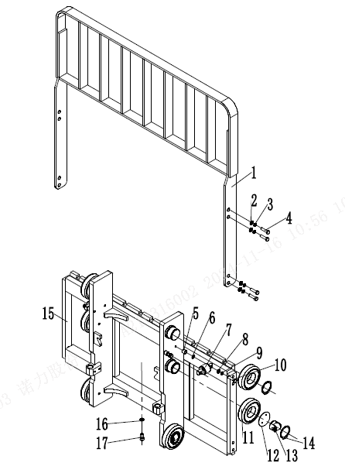
货叉架(标准门架)/carrier(standard mast)
 | 序号/NO | 编码/SN | Name | 名称 | 数量/QTY | 备注/Remarks
 | 1 | 255040510001 | Load backrest welding (1040x986) | 挡货架焊合(1040x986) | 1
 | 2 | 910400100009 | Washer GB97.1-14-200HV | 平垫圈GB97.1-14-200HV | 8
 | 3 | 910400500009 | Washer GB93-14 | 弹簧垫圈GB93-14 | 8
 | 4 | 910100300062 | Bolt GB5783-M14x30-8.8 | 螺栓GB5783-M14x30-8.8 | 8
 | 5 | 255038020008 | Adjusting sleeve | 调整套 | 4
 | 6 | 255038020009 | Adjustable pad | 调整垫 | 8
 | 7 | 940200200005 | Side rollerΦ42 - CD = 68 | 侧滚轮Φ42-CD=68 | 2
 | 8 | 910400100007 | Washer GB97.1-10-200HV | 平垫圈GB97.1-10-200HV | 8
 | 9 | 910400500007 | Spring washer GB93-10 | 弹簧垫圈GB93-10 | 8
 | 10 | 910100300039 | Bolt GB5783 M10x40-8.8 | 螺栓GB5783-M10x40-8.8 | 4
 | 11 | 940200100020 | Roller Φ119.2xΦ55x34 | 主滚轮Φ119.2xΦ55x34 | 6 | 选配
 | 11 | 940200100021 | Roller Φ119.6xΦ55x34 | 主滚轮Φ119.6xΦ55x34 | 6 | 选配
 | 11 | 940200100022 | Roller Φ120xΦ55x34 | 主滚轮Φ120xΦ55x34 | 6 | 选配
 | 12 | 257544024001 | Adjusting pad t=0.2 | 复合滚轮调整垫t=0.2 | 4
 | 12 | 257544024002 | Adjusting pad t=0.5 | 复合滚轮调整垫t=0.5 | 4
 | 12 | 257544024003 | Adjusting pad t=1 | 复合滚轮调整垫t=1 | 4
 | 13 | 257544010001 | Side roller | 侧滚轮 | 4
 | 14 | 910401300026 | Elastic retaining ring GB894.1-55 for shaft | 轴用弹性挡圈GB894.1-55 | 6
 | 15 | 255038011011 | Fork Rack weld-on (standard door frame 1040) | 货叉架焊合(二级标准门架1040) | 1
 | 16 | 910400500008 | WasherGB93-12 | 弹簧垫圈GB93-12 | 1
 | 17 | 910200200096 | Screw GB70.1-M12x20-8.8 | 螺钉GB70.1-M12x20-8.8 | 1

货叉架(二级全自由)/Fork carrier(two stage full free)
 | 序号/NO | 编码/SN | Name | 名称 | 数量/QTY | 备注/Remarks
 | 1 | 255040510001 | Load backrest welding (1040x986) | 挡货架焊合(1040x986) | 1
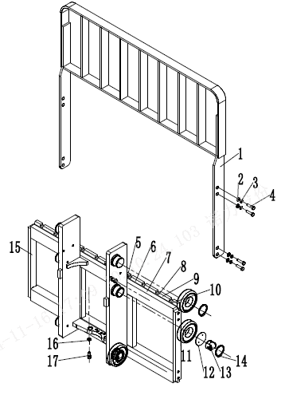
 | 2 | 910400100009 | Washer GB97.1-14-200HV | 平垫圈GB97.1-14-200HV | 8
 | 3 | 910400500009 | Washer GB93-14 | 弹簧垫圈GB93-14 | 8
 | 4 | 910100300062 | Bolt GB5783-M14x30-8.8 | 螺栓GB5783-M14x30-8.8 | 8
 | 5 | 255038020008 | Adjusting sleeve | 调整套 | 4
 | 6 | 255038020009 | Adjustable pad | 调整垫 | 8
 | 7 | 940200200005 | Side rollerΦ42 - CD = 68 | 侧滚轮Φ42-CD=68 | 2
 | 8 | 910400100007 | Washer GB97.1-10-200HV | 平垫圈GB97.1-10-200HV | 8
 | 9 | 910400500007 | Spring washer GB93-10 | 弹簧垫圈GB93-10 | 8
 | 10 | 910100300039 | Bolt GB5783 M10x40-8.8 | 螺栓GB5783-M10x40-8.8 | 4
 | 11 | 940200100020 | Roller Φ119.2xΦ55x34 | 主滚轮Φ119.2xΦ55x34 | 6 | Optional selection
 | 11 | 940200100021 | Roller Φ119.6xΦ55x34 | 主滚轮Φ119.6xΦ55x34 | 6 | Optional selection
 | 11 | 940200100022 | Roller Φ120xΦ55x34 | 主滚轮Φ120xΦ55x34 | 6 | Optional selection
 | 12 | 257544024001 | Adjusting pad t=0.2 | 复合滚轮调整垫t=0.2 | 4
 | 12 | 257544024002 | Adjusting pad t=0.5 | 复合滚轮调整垫t=0.5 | 4
 | 12 | 257544024003 | Adjusting pad t=1 | 复合滚轮调整垫t=1 | 4
 | 13 | 257544010001 | Side roller | 侧滚轮 | 4
 | 14 | 910401300026 | Elastic retaining ring GB894.1-55 for shaft | 轴用弹性挡圈GB894.1-55 | 6
 | 15 | 255038012011 | Fork Rack weld-on (Class 2, full freeboard 1040) | 货叉架焊合(二级全自由门架1040） | 1
 | 16 | 910400500008 | WasherGB93-12 | 弹簧垫圈GB93-12 | 1
 | 17 | 910200200096 | Screw GB70.1-M12x20-8.8 | 螺钉GB70.1-M12x20-8.8 | 1

货叉架（三级全自由）/Fork carrier(three stage full free)
 | 序号/NO | 编码/SN | Name | 名称 | 数量/QTY | 备注/Remarks
 | 1 | 255040510001 | Load backrest welding (1040x986) | 挡货架焊合(1040x986) | 1
 | 2 | 910400100009 | Washer GB97.1-14-200HV | 平垫圈GB97.1-14-200HV | 8
 | 3 | 910400500009 | Washer GB93-14 | 弹簧垫圈GB93-14 | 8
 | 4 | 910100300062 | Bolt GB5783-M14x30-8.8 | 螺栓GB5783-M14x30-8.8 | 8
 | 5 | 255038020008 | Adjusting sleeve | 调整套 | 4
 | 6 | 255038020009 | Adjustable pad | 调整垫 | 8
 | 7 | 940200200005 | Side rollerΦ42 - CD = 68 | 侧滚轮Φ42-CD=68 | 2
 | 8 | 910400100007 | Washer GB97.1-10-200HV | 平垫圈GB97.1-10-200HV | 8
 | 9 | 910400500007 | Spring washer GB93-10 | 弹簧垫圈GB93-10 | 8
 | 10 | 910100300039 | Bolt GB5783 M10x40-8.8 | 螺栓GB5783-M10x40-8.8 | 4
 | 11 | 940200100020 | Roller Φ119.2xΦ55x34 | 主滚轮Φ119.2xΦ55x34 | 6 | Optional selection
 | 11 | 940200100021 | Roller Φ119.6xΦ55x34 | 主滚轮Φ119.6xΦ55x34 | 6 | Optional selection
 | 11 | 940200100022 | Roller Φ120xΦ55x34 | 主滚轮Φ120xΦ55x34 | 6 | Optional selection
 | 12 | 257544024001 | Adjusting pad t=0.2 | 复合滚轮调整垫t=0.2 | 4
 | 12 | 257544024002 | Adjusting pad t=0.5 | 复合滚轮调整垫t=0.5 | 4
 | 12 | 257544024003 | Adjusting pad t=1 | 复合滚轮调整垫t=1 | 4
 | 13 | 257544010001 | Side roller | 侧滚轮 | 4
 | 14 | 910401300026 | Elastic retaining ring GB894.1-55 for shaft | 轴用弹性挡圈GB894.1-55 | 6
 | 15 | 255038013011 | Fork Rack weld-on (Level 3 free standing door rack 1040) | 货叉架焊合(三级全自由门架1040) | 1
 | 16 | 910400500008 | WasherGB93-12 | 弹簧垫圈GB93-12 | 1
 | 17 | 910200200096 | Screw GB70.1-M12x20-8.8 | 螺钉GB70.1-M12x20-8.8 | 1

门架(标准门架)/Mast(standard mast)
 | 序号/NO | 编码/SN | Name | 名称 | 数量/QTY | 备注/Remarks
 | 1 | 910401300026 | Elastic retaining ring GB894.1-55 for shaft | 轴用弹性挡圈GB894.1-55 | 4
 | 2 | 257544010001 | Side roller | 侧滚轮 | 4
 | 3 | 257544024001 | Adjusting pad t=0.2 | 复合滚轮调整垫t=0.2 | 4
 | 3 | 257544024002 | Adjusting pad t=0.5 | 复合滚轮调整垫t=0.5 | 4
 | 3 | 257544024003 | Adjusting pad t=1 | 复合滚轮调整垫t=1 | 4
 | 4 | 940200100020 | Roller Φ119.2xΦ55x34 | 主滚轮Φ119.2xΦ55x34 | 4 | Optional selection
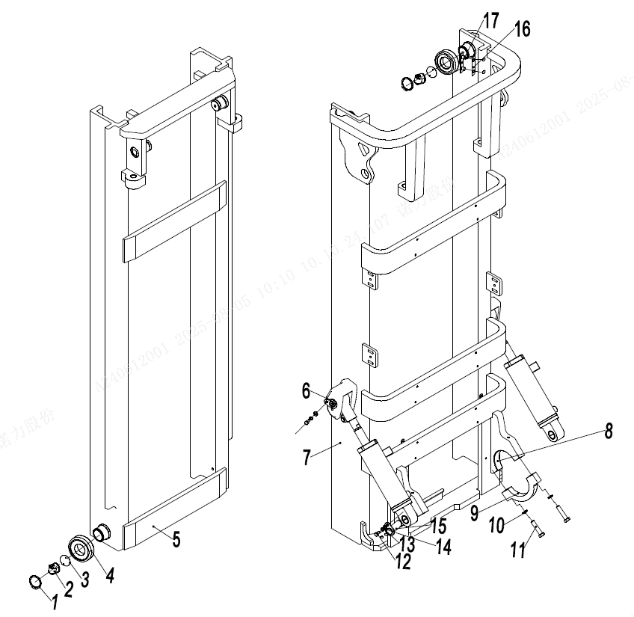
 | 4 | 940200100021 | Roller Φ119.6xΦ55x34 | 主滚轮Φ119.6xΦ55x34 | 4 | Optional selection
 | 4 | 940200100022 | Roller Φ120xΦ55x34 | 主滚轮Φ120xΦ55x34 | 4 | Optional selection
 | 5 | 257444012001 | Inner gantry welded together (2000) | 内门架焊合(2000) | 1 | H=2000
 | 5 | 257444012002 | Inner gantry welded together (2500) | 内门架焊合(2500) | 1 | H=2500
 | 5 | 257444012003 | Inner gantry welded together (3000) | 内门架焊合(3000) | 1 | H=3000
 | 5 | 257444012004 | Inner gantry welded together (3300) | 内门架焊合(3300) | 1 | H=3300
 | 5 | 257444012005 | Inner gantry welded together (3500) | 内门架焊合(3500) | 1 | H=3500
 | 5 | 257444012006 | Inner gantry welded together (3600) | 内门架焊合(3600) | 1 | H=3600
 | 5 | 257444012007 | Inner gantry welded together (3700) | 内门架焊合(3700) | 1 | H=3700
 | 5 | 257444012008 | Inner gantry welded together (4000) | 内门架焊合(4000) | 1 | H=4000
 | 5 | 257444012009 | Inner gantry welded together (4300) | 内门架焊合(4300) | 1 | H=4300
 | 5 | 257444012010 | Inner gantry welded together (4500) | 内门架焊合(4500) | 1 | H=4500
 | 5 | 257444012011 | Inner gantry welded together (5000) | 内门架焊合(5000) | 1 | H=5000
 | 6 | 255044010057 | With ear shaft Φ 30x82 | 带耳轴Φ30x82 | 2
 | 7 | 255044011001 | Outer gantry welding (2000) | 外门架焊合(2000) | 1 | H=2000
 | 7 | 255044011002 | Outer gantry welding (2500) | 外门架焊合(2500) | 1 | H=2500
 | 7 | 255044011003 | Outer gantry welding (3000) | 外门架焊合(3000) | 1 | H=3000
 | 7 | 255044011004 | Outer gantry welding (3300) | 外门架焊合(3300) | 1 | H=3300
 | 7 | 255044011005 | Outer gantry welding (3500) | 外门架焊合(3500) | 1 | H=3500
 | 7 | 255044011006 | Outer gantry welding (3600) | 外门架焊合(3600) | 1 | H=3600
 | 7 | 255044011007 | Outer gantry welding (3700) | 外门架焊合(3700) | 1 | H=3700
 | 7 | 255044011008 | Outer gantry welding (4000) | 外门架焊合(4000) | 1 | H=4000
 | 7 | 255044011009 | Outer gantry welding (4300) | 外门架焊合(4300) | 1 | H=4300
 | 7 | 255044011010 | Outer gantry welding (4500) | 外门架焊合(4500) | 1 | H=4500
 | 7 | 255044011011 | Outer gantry welding (5000) | 外门架焊合(5000) | 1 | H=5000

门架(标准门架)/Mast(standard mast)
 | 序号/NO | 编码/SN | Name | 名称 | 数量/QTY | 备注/Remarks
 | 8 | 255044020006 | bearing bush | 轴瓦 | 2
 | 9 | 255044020005 | Support cover | 支座盖 | 2
 | 10 | 910400500010 | Washer GB93-16 | 弹簧垫圈GB93-16 | 4
 | 11 | 910100200016 | Bolt GB5785-M16x1.5x70-8.8 | 螺栓GB5785-M16x1.5x70-8.8 | 4
 | 12 | 910100300035 | Bolt GB5783-M10x20-8.8 | 螺栓GB5783-M10x20-8.8 | 4
 | 13 | 910400100007 | Washer GB97.1-10-200HV | 平垫圈GB97.1-10-200HV | 4
 | 14 | 910400500007 | Washer GB93-10 | 弹簧垫圈GB93-10 | 4
 | 15 | 255044010057 | AxleΦ30x82 | 带耳轴Φ30x82 | 2
 | 16 | 255044020132 | Adjusting pad t=0.8 | 调整垫片t=0.8 | 2
 | 16 | 255044020133 | Adjusting pad t=0.5 | 调整垫片t=0.5 | 2
 | 16 | 255044020134 | Adjusting pad t=0.2 | 调整垫片t=0.2 | 2
 | 17 | 255044020131 | Base plate | 垫板 | 2

门架（二级全自由）/Mast (two stage full free)
 | 序号/NO | 编码/SN | Name | 名称 | 数量/QTY | 备注/Remarks
 | 1 | 910401300026 | Elastic retaining ring GB894.1-55 for shaft | 轴用弹性挡圈GB894.1-55 | 4
 | 2 | 257544010001 | Side roller | 侧滚轮 | 4
 | 3 | 257544024001 | Adjusting pad t=0.2 | 复合滚轮调整垫t=0.2 | 4
 | 3 | 257544024002 | Adjusting pad t=0.5 | 复合滚轮调整垫t=0.5 | 4
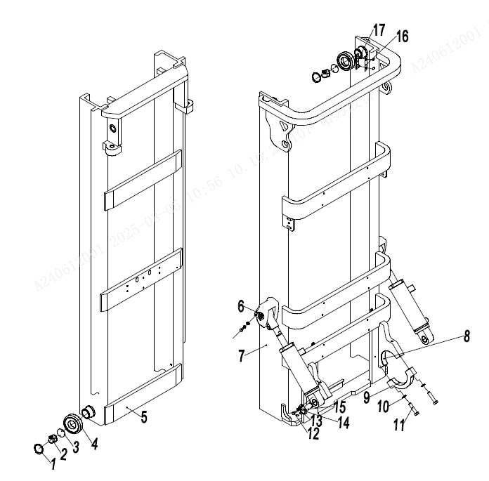
 | 3 | 257544024003 | Adjusting pad t=1 | 复合滚轮调整垫t=1 | 4
 | 4 | 940200100020 | Roller Φ119.2xΦ55x34 | 主滚轮Φ119.2xΦ55x34 | 4 | Optional selection
 | 4 | 940200100021 | Roller Φ119.6xΦ55x34 | 主滚轮Φ119.6xΦ55x34 | 4 | Optional selection
 | 4 | 940200100022 | Roller Φ120xΦ55x34 | 主滚轮Φ120xΦ55x34 | 4 | Optional selection
 | 5 | 257443512001 | Inner gantry welded together (2000) | 内门架焊合(2000) | 1 | H=2000
 | 5 | 257443512002 | Inner gantry welded together (2500) | 内门架焊合(2500) | 1 | H=2500
 | 5 | 257443512003 | Inner gantry welded together (3000) | 内门架焊合(3000) | 1 | H=3000
 | 5 | 257443512004 | Inner gantry welded together (3300) | 内门架焊合(3300) | 1 | H=3300
 | 5 | 257443512005 | Inner gantry welded together (3500) | 内门架焊合(3500) | 1 | H=3500
 | 5 | 257443512006 | Inner gantry welded together (3600) | 内门架焊合(3600) | 1 | H=3600
 | 5 | 257443512007 | Inner gantry welded together (3700) | 内门架焊合(3700) | 1 | H=3700
 | 5 | 257443512008 | Inner gantry welded together (4000) | 内门架焊合(4000) | 1 | H=4000
 | 6 | 255044010057 | With ear shaft Φ 30x82 | 带耳轴Φ30x82 | 2 | H=4000
 | 7 | 255043511001 | Outer gantry welding (2000) | 外门架焊合(2000) | 1 | H=2000
 | 7 | 255043511002 | Outer gantry welding (2500) | 外门架焊合(2500) | 1 | H=2500
 | 7 | 255043511003 | Outer gantry welding (3000) | 外门架焊合(3000) | 1 | H=3000
 | 7 | 255043511004 | Outer gantry welding (3300) | 外门架焊合(3300) | 1 | H=3300
 | 7 | 255043511005 | Outer gantry welding (3500) | 外门架焊合(3500) | 1 | H=3500
 | 7 | 255043511006 | Outer gantry welding (3600) | 外门架焊合(3600) | 1 | H=3600
 | 7 | 255043511007 | Outer gantry welding (3700) | 外门架焊合(3700) | 1 | H=3700
 | 7 | 255043511008 | Outer gantry welding (4000) | 外门架焊合(4000) | 1 | H=4000
 | 8 | 255044020006 | bearing bush | 轴瓦 | 2
 | 9 | 255044020005 | Support cover | 支座盖 | 2
 | 10 | 910400500010 | Washer GB93-16 | 弹簧垫圈GB93-16 | 4
 | 11 | 910100200016 | Bolt GB5785-M16x1.5x70-8.8 | 螺栓GB5785-M16x1.5x70-8.8 | 4
 | 12 | 910100300035 | Bolt GB5783-M10x20-8.8 | 螺栓GB5783-M10x20-8.8 | 4
 | 13 | 910400100007 | Washer GB97.1-10-200HV | 平垫圈GB97.1-10-200HV | 4

门架（二级全自由）/Mast (two stage full free)
 | 序号/NO | 编码/SN | Name | 名称 | 数量/QTY | 备注/Remarks
 | 14 | 910400500007 | Washer GB93-10 | 弹簧垫圈GB93-10 | 4
 | 15 | 255044010057 | AxleΦ30x82 | 带耳轴Φ30x82 | 2
 | 16 | 255044020132 | Adjusting pad t=0.8 | 调整垫片t=0.8 | 2
 | 16 | 255044020133 | Adjusting pad t=0.5 | 调整垫片t=0.5 | 2
 | 16 | 255044020134 | Adjusting pad t=0.2 | 调整垫片t=0.2 | 2
 | 17 | 255044020131 | Base plate | 垫板 | 2

门架(三级全自由)/Mast (three stage full free)
 | 序号/NO | 编码/SN | Name | 名称 | 数量/QTY | 备注/Remarks
 | 1 | 257544512001 | Mast (3600) | 内门架焊合(3600) | 1 | H=3600
 | 1 | 257544512002 | Mast (4000) | 内门架焊合(4000) | 1 | H=4000
 | 1 | 257544512003 | Mast (4350) | 内门架焊合(4350) | 1 | H=4350
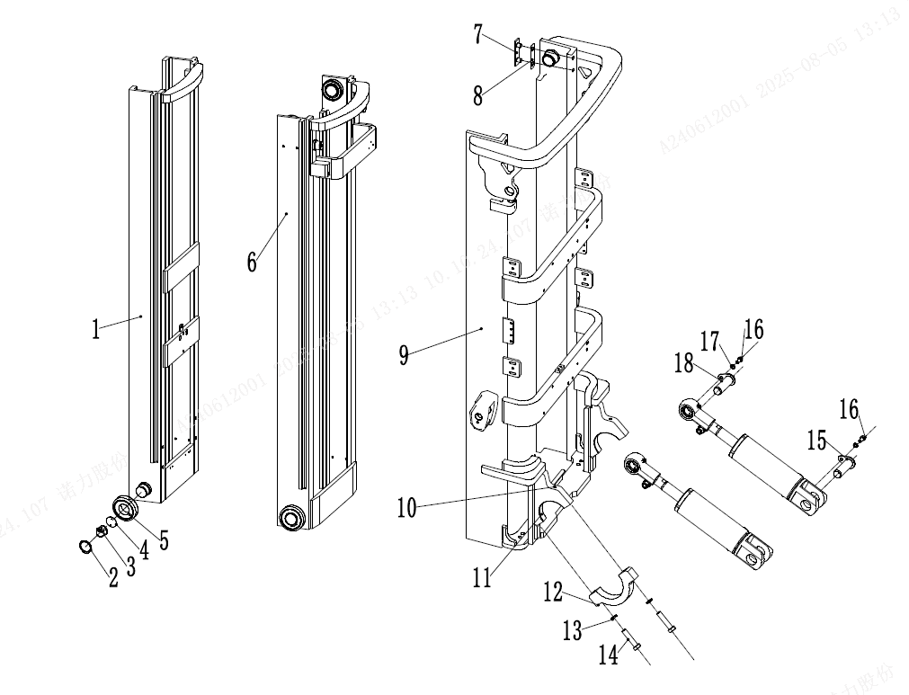
 | 1 | 257544512004 | Mast (4500) | 内门架焊合(4500) | 1 | H=4500
 | 1 | 257544512005 | Mast (4700) | 内门架焊合(4700) | 1 | H=4700
 | 1 | 257544512006 | Mast (4800) | 内门架焊合(4800) | 1 | H=4800
 | 1 | 257544512007 | Mast (5000) | 内门架焊合(5000) | 1 | H=5000
 | 1 | 257544512008 | Mast (5400) | 内门架焊合(5400) | 1 | H=5400
 | 1 | 257544512009 | Mast (5500) | 内门架焊合(5500) | 1 | H=5500
 | 1 | 257544512010 | Mast (6000) | 内门架焊合(6000) | 1 | H=6000
 | 1 | 257544512011 | Mast (6500) | 内门架焊合(6500) | 1 | H=6500
 | 2 | 910401300026 | Elastic retaining ring GB894.1-55 for shaft | 轴用弹性挡圈GB894.1-55 | 8
 | 3 | 257544010001 | Side roller | 侧滚轮 | 8
 | 4 | 257544024001 | Adjusting pad t=0.2 | 复合滚轮调整垫t=0.2 | 8
 | 4 | 257544024002 | Adjusting pad t=0.5 | 复合滚轮调整垫t=0.5 | 8
 | 4 | 257544024003 | Adjusting pad t=1 | 复合滚轮调整垫t=1 | 8
 | 5 | 940200100020 | Roller Φ119.2xΦ55x34 | 主滚轮Φ119.2xΦ55x34 | 8 | Optional selection
 | 5 | 940200100021 | Roller Φ119.6xΦ55x34 | 主滚轮Φ119.6xΦ55x34 | 8 | Optional selection
 | 5 | 940200100022 | Roller Φ120xΦ55x34 | 主滚轮Φ120xΦ55x34 | 8 | Optional selection
 | 6 | 257544513001 | Mast (3600) | 中门架焊合(3600) | 1 | H=3600
 | 6 | 257544513002 | Mast (4000) | 中门架焊合(4000) | 1 | H=4000
 | 6 | 257544513003 | Mast (4350) | 中门架焊合(4350) | 1 | H=4350
 | 6 | 257544513004 | Mast (4500) | 中门架焊合(4500) | 1 | H=4500
 | 6 | 257544513005 | Mast (4700) | 中门架焊合(4700) | 1 | H=4700
 | 6 | 257544513006 | Mast (4800) | 中门架焊合(4800) | 1 | H=4800
 | 6 | 257544513007 | Mast (5000) | 中门架焊合(5000) | 1 | H=5000
 | 6 | 257544513008 | Mast (5400) | 中门架焊合(5400) | 1 | H=5400
 | 6 | 257544513009 | Mast (5500) | 中门架焊合(5500) | 1 | H=5500
 | 6 | 257544513010 | Mast (6000) | 中门架焊合(6000) | 1 | H=6000
 | 6 | 257544513011 | Mast (6500) | 中门架焊合(6500) | 1 | H=6500
 | 7 | 255044020132 | Adjusting pad t=0.8 | 调整垫片t=0.8 | 4

门架(三级全自由)/Mast (three stage full free)
 | 序号/NO | 编码/SN | Name | 名称 | 数量/QTY | 备注/Remarks
 | 7 | 255044020133 | Adjusting pad t=0.5 | 调整垫片t=0.5 | 4
 | 7 | 255044020134 | Adjusting pad t=0.2 | 调整垫片t=0.2 | 4
 | 8 | 255044020131 | Base plate | 垫板 | 4
 | 9 | 255044511001 | Outer gantry welded together (3600) | 外门架焊合(3600) | 1 | H=3600
 | 9 | 255044511002 | Outer gantry welded together (4000) | 外门架焊合(4000) | 1 | H=4000
 | 9 | 255044511003 | Outer gantry welded together (4350) | 外门架焊合(4350) | 1 | H=4350
 | 9 | 255044511004 | Outer gantry welded together (4500) | 外门架焊合(4500) | 1 | H=4500
 | 9 | 255044511005 | Outer gantry welded together (4700) | 外门架焊合(4700) | 1 | H=4700
 | 9 | 255044511006 | Outer gantry welded together (4800) | 外门架焊合(4800) | 1 | H=4800
 | 9 | 255044511007 | Outer gantry welded together (5000) | 外门架焊合(5000) | 1 | H=5000
 | 9 | 255044511008 | Outer gantry welded together (5400) | 外门架焊合(5400) | 1 | H=5400
 | 9 | 255044511009 | Outer gantry welded together (5500) | 外门架焊合(5500) | 1 | H=5500
 | 9 | 255044511010 | Outer gantry welded together (6000) | 外门架焊合(6000) | 1 | H=6000
 | 9 | 255044511011 | Outer gantry welded together (6500) | 外门架焊合(6500) | 1 | H=6500
 | 10 | 911200100004 | Oil Cup | 油杯JB7940.1-M10x1 | 2
 | 11 | 255044020006 | bearing bush | 轴瓦 | 2
 | 12 | 255044020005 | Support cover | 支座盖 | 2
 | 13 | 910400500010 | Washer GB93-16 | 弹簧垫圈GB93-16 | 4
 | 14 | 910100200016 | Bolt GB5785-M16x1.5x70-8.8 | 螺栓GB5785-M16x1.5x70-8.8 | 4
 | 15 | 255044010057 | AxleΦ30x82 | 带耳轴Φ30x82 | 2
 | 16 | 910400100007 | Washer GB97.1-10-200HV | 平垫圈GB97.1-10-200HV | 8
 | 17 | 910400500007 | Washer GB93-10 | 弹簧垫圈GB93-10 | 2
 | 18 | 255044010057 | AxleΦ30x82 | 带耳轴Φ30x82 | 2

起升油缸（标准门架）/Lifting cylinder(standard mast)
 | 序号/NO | 编码/SN | Name | 名称 | 数量/QTY | 备注/Remarks
 | A | 255044010060 | Lifting chainLH1623-55 | 起升链条LH1623-55 | 2 | H=2000
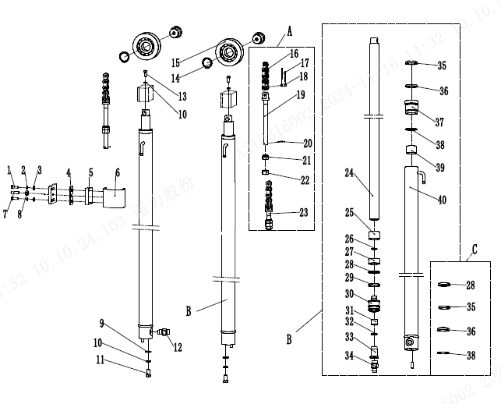
 | A | 256844014002 | Lifting chainLH1623-65 | 起升链条LH1623-65 | 2 | H=2500
 | A | 255044510047 | Lifting chainLH1623-75 | 起升链条LH1623-75 | 2 | H=3000
 | A | 255044510137 | Lifting chainLH1623-81 | 起升链条LH1623-81 | 2 | H=3300
 | A | 255044510140 | Lifting chainLH1623-85 | 起升链条LH1623-85 | 2 | H=3500
 | A | 255044010105 | Lifting chainLH1623-87 | 起升链条LH1623-87 | 2 | H=3600
 | A | 255044010106 | Lifting chainLH1623-89 | 起升链条LH1623-89 | 2 | H=3700
 | A | 256844014006 | Lifting chainLH1623-97 | 起升链条LH1623-97 | 2 | H=4000
 | A | 255044510049 | Lifting chainLH1623-103 | 起升链条LH1623-103 | 2 | H=4300
 | A | 253544510027 | Lifting chainLH1623-107 | 起升链条LH1623-107 | 2 | H=4500
 | A | 256844014008 | Lifting chainLH1623-115 | 起升链条LH1623-115 | 2 | H=5000
 | B | 255044010043 | Right lifting cylinder Φ50xΦ40x995 | 油缸Φ50xΦ40x995 | 2 | H=2000
 | B | 255044010044 | Right lifting cylinder Φ50xΦ40x1245 | 油缸Φ50xΦ40x1245 | 2 | H=2500
 | B | 255044010055 | Right lifting cylinder Φ50xΦ40x1495 | 油缸Φ50xΦ40x1495 | 2 | H=3000
 | B | 255044010045 | Right lifting cylinder Φ50xΦ40x1645 | 油缸Φ50xΦ40x1645 | 2 | H=3300
 | B | 255044010046 | Right lifting cylinder Φ50xΦ40x1745 | 油缸Φ50xΦ40x1745 | 2 | H=3500
 | B | 255044010047 | Right lifting cylinder Φ50xΦ40x1795 | 油缸Φ50xΦ40x1795 | 2 | H=3600
 | B | 255044010048 | Right lifting cylinder Φ50xΦ40x1845 | 油缸Φ50xΦ40x1845 | 2 | H=3700
 | B | 255044010049 | Right lifting cylinder Φ50xΦ40x1995 | 油缸Φ50xΦ40x1995 | 2 | H=4000
 | B | 255044010050 | Right lifting cylinder Φ50xΦ40x2145 | 油缸Φ50xΦ40x2145 | 2 | H=4300
 | B | 255044010051 | Right lifting cylinder Φ50xΦ40x2245 | 油缸Φ50xΦ40x2245 | 2 | H=4500
 | B | 255044010052 | Right lifting cylinder Φ50xΦ40x2545 | 油缸Φ50xΦ40x2545 | 2 | H=5000
 | C | 255098510001 | Seal repair kit (standard gantry lift cylinder) | 密封件修理包(标准门架起升缸)-2.5t | 1 | 2.5T
 | 1 | 910100300023 | BoltGB5783-M8x25-8.8 | 螺栓GB5783-M8x25-8.8 | 4
 | 2 | 910400500006 | Spring WasherGB93-8 | 弹簧垫圈GB93-8 | 4
 | 3 | 910400100006 | Flat WasherGB97.1-8-200HV | 平垫圈GB97.1-8-200HV | 4
 | 4 | 255044520099 | shim | 垫片 | 2
 | 5 | 255044520100 | Support block | 支撑块 | 2
 | 6 | 255044520098 | Bending board | 弯板 | 2
 | 7 | 910100300041 | Bolt GB5783-M10x50-8.8 | 螺栓GB5783-M10x50-8.8 | 2
 | 8 | 910300100007 | Nut GB6170-M10-10 | 螺母GB6170-M10-10 | 2

起升油缸（标准门架）/Lifting cylinder(standard mast)
 | 序号/NO | 编码/SN | Name | 名称 | 数量/QTY | 备注/Remarks
 | 9 | 910400100008 | Washer GB97.1-12-200HV | 平垫圈GB97.1-12-200HV | 2
 | 10 | 910400500008 | Washer GB93-12 | 弹簧垫圈GB93-12 | 4
 | 11 | 910100400009 | Bolt GB5786-M12x1.25x25-8.8 | 螺栓GB5786-M12x1.25x25-8.8 | 2
 | 12 | 253644020101 | Explosion proof valve -2T-24 ° | 防爆阀-2T-24° | 1
 | 13 | 910100400029 | Bolt GB5786-M16x1.5x40-8.8 | 螺栓GB5786-M16x1.5x40-8.8 | 2
 | 14 | 910401300020 | Circlip GB894.1-40 | 轴用弹性挡圈GB894.1-40 | 2
 | 15 | 940200500003 | Chain wheel bearing 780708K-Φ72xΦ30x21 | 链轮轴承780708K1-Φ72xΦ30x21 | 2
 | 16 | 910900400014 | LH1623 chain | 板式链GB6074-LH1623 | 1
 | 18 | 255044020146 | Pin axis Φ 9.5x25 | 销轴Φ9.5x25 | 2
 | 19 | 255044020157 | Chain bolt M18x1.5x217 | 链条螺栓M18x1.5x217 | 2
 | 19 | 256544020707 | Chain bolts M22x1.5x214 | 链条螺栓M22x1.5x242.3 | 2 | 3.5-3.8T
 | 20 | 910600600030 | Split pin 3.2x30 | 开口销GB91-3.2x30 | 2 | 2.5-3.0T
 | 20 | 910600600023 | Split pin 3.2x40 | 开口销GB91-3x40 | 2 | 3.5-3.8T
 | 21 | 255044020158 | Nut M18x1.5 | 球面螺母M18x1.5 | 2 | 2.5-3.0T
 | 21 | 910300200007-D02 | Nut M22x1.5-10 | 螺母GB6171-M22x1.5-10(黑) | 2 | 3.5-3.8T
 | 22 | 910300200012-D02 | Nut M18x1.5 | 螺母GB6171-M18x1.5-10(黑) | 2 | 2.5-3.0T
 | 22 | 910300200007-D02 | Nut M22x1.5-10 | 螺母GB6171-M22x1.5-10(黑) | 2 | 3.5-3.8T
 | 23 | 255044020156 | Chain bolt M18x1.5x102 | 链条螺栓M18x1.5x102 | 2 | 2.5-3.0T
 | 23 | 256544020705 | Chain boltM22x1.5x112.3 | 链条螺栓M22x1.5x112.3 | 2 | 3.5-3.8T
 | 24 | ▲ | Piston rod | 活塞杆 | 1 | Not available separately
 | 25 | ▲ | Adjusting bushing 35.5x44xL1 | 调整套35.5x44xL1 | 1 | Not available separately
 | 26 | ▲ | Circlip | 钢丝挡圈 | 1 | Not available separately
 | 27 | ▲ | 41 x45x8 bearing ring | 支承环41x45x8 | 1 | Not available separately
 | 28 | ▲ | Seal ring 45x35x6 | 孔用密封圈 | 1 | Not available separately
 | 29 | ▲ | 35 x45x3 block slice | 挡片35x45x3 | 1 | Not available separately
 | 30 | ▲ | Piston | 活塞 | 1 | Not available separately
 | 31 | ▲ | Copper bushing | 铜套 | 1 | Not available separately
 | 32 | ▲ | Circlip | 钢丝挡圈 | 1 | Not available separately
 | 33 | ▲ | Buffer ring | 缓冲环 | 1 | Not available separately
 | 34 | ▲ | Anti-explosion valve | 防爆阀 | 1 | Not available separately
 | 35 | ▲ | Dust ring | 防尘圈DH35X43X6.5 | 1 | Not available separately

起升油缸（标准门架）/Lifting cylinder(standard mast)
 | 序号/NO | 编码/SN | Name | 名称 | 数量/QTY | 备注/Remarks
 | 36 | ▲ | Seal ring | 轴用密封圈35X45X6 | 1 | Not available separately
 | 37 | ▲ | Guide bushing | 导向套 | 1 | Not available separately
 | 38 | ▲ | O seal ring | O型密封圈 | 1 | Not available separately
 | 39 | ▲ | Bearing 3530 | 钢背轴承3530 | 1 | Not available separately
 | 40 | ▲ | Cylinder | 缸体 | 1 | Not available separately

短升降油缸(二级全自由)/Short lifting cylinder (two stage full free)
 | 序号/NO | 编码/SN | Name | 名称 | 数量/QTY | 备注/Remarks
 | A | 255043510068 | Cylinder (M)Φ85xΦ60x772(H=3000) | 油缸(M)Φ85xΦ60x772(H=3000) | 1
 | A | 255043510066 | Cylinder (M)Φ85xΦ60x522(H=2000) | 油缸(M)Φ85xΦ60x522(H=2000) | 1
 | A | 255043510067 | Cylinder (M)Φ85xΦ60x647(H=2500) | 油缸(M)Φ85xΦ60x647(H=2500) | 1
 | A | 255043510069 | Cylinder (M)Φ85xΦ60x847(H=3300) | 油缸(M)Φ85xΦ60x847(H=3300) | 1
 | A | 255043510070 | Cylinder (M)Φ85xΦ60x897(H=3500) | 油缸(M)Φ85xΦ60x897(H=3500) | 1
 | A | 255043510071 | Cylinder (M)Φ85xΦ60x922(H=3600) | 油缸(M)Φ85xΦ60x922(H=3600) | 1
 | A | 255043510072 | Cylinder (M)Φ85xΦ60x947(H=3700) | 油缸(M)Φ85xΦ60x947(H=3700) | 1
 | A | 255043510073 | Cylinder (M)Φ85xΦ60x1047(H=4000) | 油缸(M)Φ85xΦ60x1047(H=4000) | 1
 | B | 255098510004 | Seal kits (two stage full free middle cylinder) | 密封件修理包(二级全自由中间缸) | 1 | 包含/Inc.1.3.5.6.13.18
 | C | 255043510079 | Lifting chain LH1623-37 | 起升链条LH1623-37 | 2 | H=2000
 | C | 255043510080 | Lifting chain LH1623-47 | 起升链条LH1623-47 | 2 | H=2500
 | C | 255044510045 | Lifting chain LH1623-53 | 起升链条LH1623-53 | 2 | H=3000
 | C | 255044510127 | Lifting chain LH1623-59 | 起升链条LH1623-59 | 2 | H=3300
 | C | 255044510134 | Lifting chain LH1623-63 | 起升链条LH1623-63 | 2 | H=3500
 | C | 255044010059 | Lifting chain LH1623-57 | 起升链条LH1623-57 | 2 | H=3600/3700
 | C | 256844014002 | Lifting chain LH1623-65 | 起升链条LH1623-65 | 2 | H=4000
 | 1 | ▲ | Dust ring 60x74x8/11 | 防尘圈 | 1 | Not available separately
 | 2 | ▲ | Catch 60×70×3 | 挡片60×70×3 | 1 | Not available separately
 | 3 | ▲ | Seal ring 60×70×6 | 轴用密封圈 | 1 | Not available separately
 | 4 | ▲ | Guide sleeve | 导向套 | 1 | Not available separately
 | 5 | ▲ | O ring 84.4x3.1 | O型密封圈 | 1 | Not available separately
 | 6 | ▲ | O ring 77.5×3.55 | O型密封圈 | 1 | Not available separately
 | 7 | ▲ | Bearing 6035 | 钢背轴承6035 | 1 | Not available separately
 | 8 | ▲ | Piston rod | 活塞杆 | 1 | Not available separately
 | 9 | ▲ | Circlip | 钢丝挡圈 | 1 | Not available separately
 | 10 | ▲ | Piston assembly | 活塞总成 | 1 | Not available separately
 | 11 | ▲ | Back up ring D85x20x2.5 | 支承环D85x20x2.5 | 1 | Not available separately
...
起升油缸（三级全自由）/Lifting cylinder(three stage full free)
 | 序号/NO | 编码/SN | Name | 名称 | 数量/QTY | 备注/Remarks
 | A | 256844014002 | Lifting chainLH1623-65 | 起升链条LH1623-65 | 2 | H=3600
 | A | 255044510046 | Lifting chainLH1623-69 | 起升链条LH1623-69 | 2 | H=4000
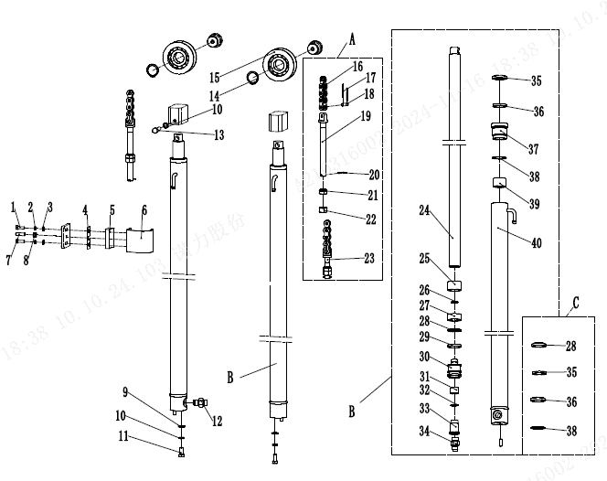
 | A | 255044510138 | Lifting chainLH1623-73 | 起升链条LH1623-73 | 2 | H=4300
 | A | 255044510047 | Lifting chainLH1623-75 | 起升链条LH1623-75 | 2 | H=4500
 | A | 255043510139 | Lifting chainLH1623-79 | 起升链条LH1623-79 | 2 | H=4700/4800
 | A | 255044510140 | Lifting chainLH1623-85 | 起升链条LH1623-85 | 2 | H=5000
 | A | 255044510048 | Lifting chainLH1623-95 | 起升链条LH1623-95 | 2 | H=5400/5500
 | A | 255044510049 | Lifting chainLH1623-103 | 起升链条LH1623-103 | 2 | H=6000
 | A | 255044510125 | Lifting chainLH1623-113 | 起升链条LH1623-113 | 2 | H=6500
 | B | 255044510104 | Cylinder (L)Φ50xΦ40x1174(H=3600) | 油缸(L)Φ50xΦ40x1174(H=3600) | 1 | H=3600
 | B | 255044510004 | Cylinder (L)Φ50xΦ40x1312(H=4000) | 油缸(L)Φ50xΦ40x1312(H=4000) | 1 | H=4000
 | B | 255044510005 | Cylinder (L)Φ50xΦ40x1424(H=4300) | 油缸(L)Φ50xΦ40x1424(H=4300) | 1 | H=4300
 | B | 255044510006 | Cylinder (L)Φ50xΦ40x1474(H=4500) | 油缸(L)Φ50xΦ40x1474(H=4500) | 1 | H=4500
 | B | 255044510105 | Cylinder (L)Φ50xΦ40x1539(H=4700) | 油缸(L)Φ50xΦ40x1539(H=4700) | 1 | H=4700
 | B | 255044510007 | Cylinder (L)Φ50xΦ40x1574(H=4800) | 油缸(L)Φ50xΦ40x1574(H=4800) | 1 | H=4800
 | B | 255044510008 | Cylinder (L)Φ50xΦ40x1617(H=5000) | 油缸(L)Φ50xΦ40x1617(H=5000) | 1 | H=5000
 | B | 255044510106 | Cylinder (L)Φ50xΦ40x1717(H=5400) | 油缸(L)Φ50xΦ40x1717(H=5400) | 1 | H=5400
 | B | 255044510009 | Cylinder (L)Φ50xΦ40x1751(H=5500) | 油缸(L)Φ50xΦ40x1751(H=5500) | 1 | H=5500
 | B | 255044510010 | Cylinder (L)Φ50xΦ40x1884(H=6000) | 油缸(L)Φ50xΦ40x1884(H=6000) | 1 | H=6000
 | B | 255044510107 | Cylinder (L)Φ50xΦ40x2017(H=6500) | 油缸(L)Φ50xΦ40x2017(H=6500) | 1 | H=6500
 | B | 255044510108 | Cylinder (R)Φ50xΦ40x1174(H=3600) | 油缸(R)Φ50xΦ40x1174(H=3600) | 1 | H=3600
 | B | 255044510011 | Cylinder (R)Φ50xΦ40x1312(H=4000) | 油缸(R)Φ50xΦ40x1312(H=4000) | 1 | H=4000
 | B | 255044510012 | Cylinder (R)Φ50xΦ40x1424(H=4300) | 油缸(R)Φ50xΦ40x1424(H=4300) | 1 | H=4300
 | B | 255044510013 | Cylinder (R)Φ50xΦ40x1474(H=4500) | 油缸(R)Φ50xΦ40x1474(H=4500) | 1 | H=4500
 | B | 255044510109 | Cylinder (R)Φ50xΦ40x1539(H=4700) | 油缸(R)Φ50xΦ40x1539(H=4700) | 1 | H=4700
 | B | 255044510014 | Cylinder (R)Φ50xΦ40x1574(H=4800) | 油缸(R)Φ50xΦ40x1574(H=4800) | 1 | H=4800
 | B | 255044510015 | Cylinder (R)Φ50xΦ40x1617(H=5000) | 油缸(R)Φ50xΦ40x1617(H=5000) | 1 | H=5000
 | B | 255044510110 | Cylinder (R)Φ50xΦ40x1717(H=5400) | 油缸(R)Φ50xΦ40x1717(H=5400) | 1 | H=5400
 | B | 255044510016 | Cylinder (R)Φ50xΦ40x1751(H=5500) | 油缸(R)Φ50xΦ40x1751(H=5500) | 1 | H=5500
 | B | 255044510017 | Cylinder (R)Φ50xΦ40x1884(H=6000) | 油缸(R)Φ50xΦ40x1884(H=6000) | 1 | H=6000
 | B | 255044510111 | Cylinder (R)Φ50xΦ40x2017(H=6500) | 油缸(R)Φ50xΦ40x2017(H=6500) | 1 | H=6500

起升油缸（三级全自由）/Lifting cylinder(three stage full free)
 | 序号/NO | 编码/SN | Name | 名称 | 数量/QTY | 备注/Remarks
 | C | 255098510003 | Seal kits(three stage full free lifting cylinder) | 2.5T密封件修理包(三级全自由起升缸) | 2 | 包含/Inc 27.29.34.35.37
...
255098501058 电器系统/Electric system
 |  | 254533220001 | Electronic Control Assembly (20N-Songzheng-PV). | 电控总成(20N-松正-PV) | 1 | 松正比例阀配置
 | 21 | 255033010001 | Body wire harness (Curtis-4P25N) | 车身线束(Curtis-4P25N) | 1 | 配置取消
 |  | 255033010018 | Body wire harness (Curtis-F-4P25N) | 车身线束(Curtis-F系列-4P25N) | 1 | Curtis F配置
 |  | 255033010020 | Body wire harness (Curtis-F-4P25N BLF | 车身线束(Curtis-F系列-4P25N比例阀) | 1 | Curtis F比例阀配置
 |  | 255033010011 | Body wire harness (Inmotion-4P25N) | 车身线束(Inmotion-4P25N) | 1 | Inmotion配24V继电器
 |  | 255033010029 | Body wire harness (Inmotion-4P25N) | 车身线束(Inmotion-4P25N) | 1 | Inmotion配集成电器盒
 |  | 255033020001 | Body wire harness (Songzheng-4P25N) | 车身线束(松正-4P25N) | 1 | 松正配置
 |  | 254533020001 | Body wire harness (Songzheng-4P20N-PV) | 车身线束(松正-4P20N-PV) | 1 | 松正比例阀配置

255098501058 电器系统/Electric system
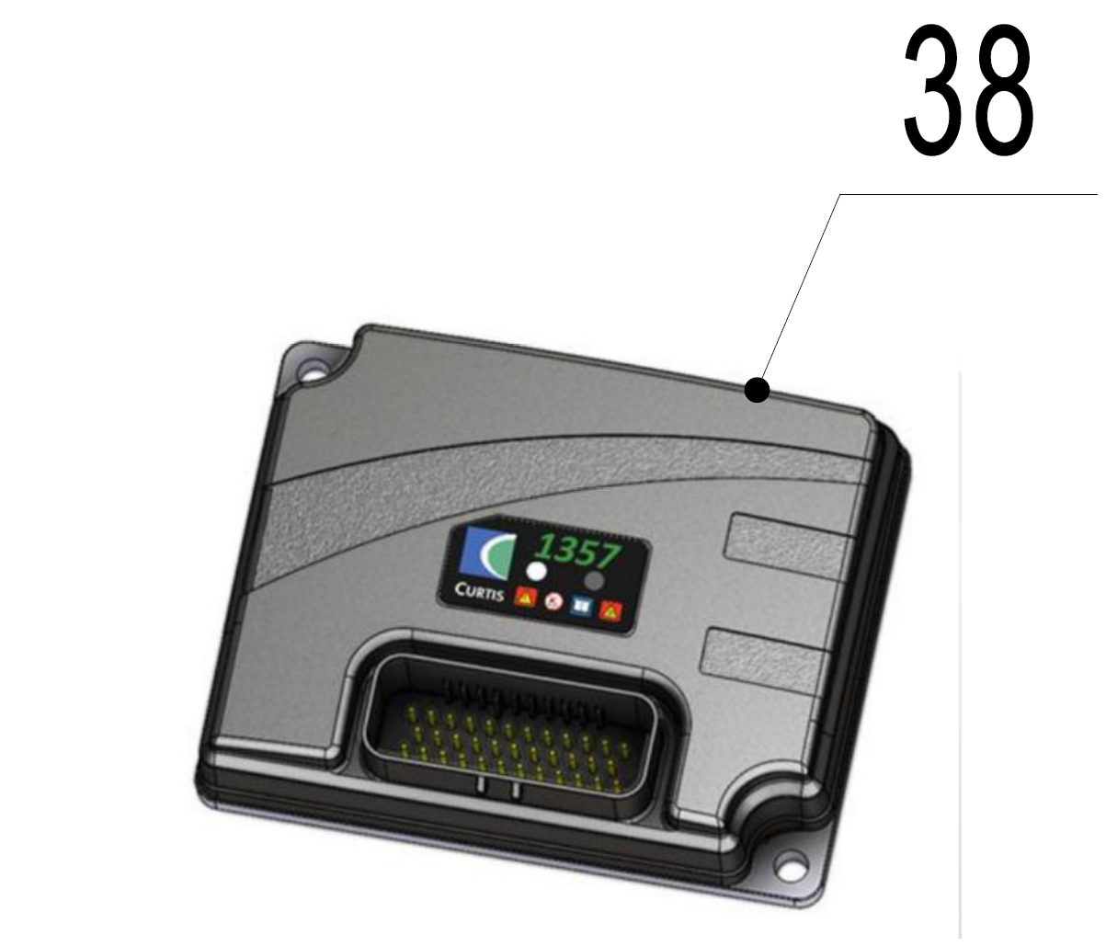 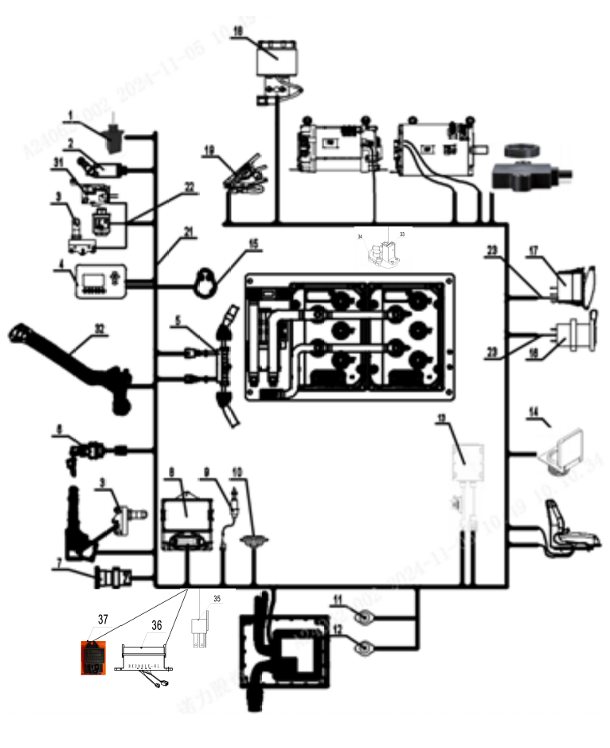 | 序号/NO | 编码/SN | Name | 名称 | 数量/QTY | 备注/Remarks
 | 22 | 253633010007 | Quadruple multiway valve harness | 四联多路阀线束 | 1
 | 23 | 256933010066 | USB and rear headlamp extension cable | USB和后大灯延长线 | 1
 | 24-29 | 255033014001 | Connecting cable assembly4P20-25N(Inmotion) | 连接线缆总成4P20-25N(Inmotion) | 1 | 吊装
 |  | 255033014002 | Connecting cable assembly4P25N(Curtis) | 连接线缆总成4P25N(Curtis) | 1 | 吊装
 |  | 255033014003 | Connecting cable assembly4P25N(Curtis) | 连接线缆总成4P25N(Curtis-侧) | 1 | 侧出
 |  | 255033014004 | Connecting cable assembly4P25N(Inmotion) | 连接线缆总成4P25N(Inmotion-侧) | 1 | 侧出
 |  | 255033020002 | Cable Assembly 4P25N (Songzheng)-Side Outlet | 线缆总成4P25N(松正)-侧出 | 1 | 侧出
 |  | 254533020002 | Cable Assembly 4P20N (Songzheng)- Lifting | 线缆总成4P20N(松正)-吊装 | 1 | 吊装
 | 30 | 255033013001 | Power plug-in cable assembly4P25N(Curtis) | 电源插件线缆总成4P25N(吊-Curtis) | 1 | 吊装
 |  | 255033013002 | Power plug-in cable assembly4P25N(Inmotion) | 电源插件线缆总成4P25N(吊-Inmotion) | 1 | 吊装
...
255098501058 电器系统/Electric system
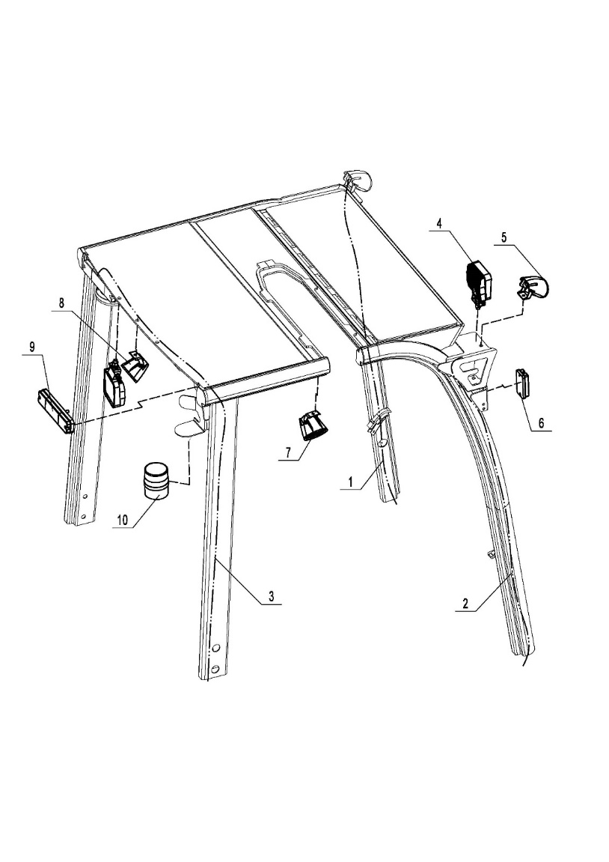 | 序号/NO | 编码/SN | Name | 名称 | 数量/QTY | 备注/Remarks
 | 1 | 255034510002 | Left front roof guard frame light harness | 左前车顶护架灯束 | 1
 | 2 | 255034510003 | Right front roof guard frame light harness | 右前车顶护架灯束 | 1
 | 3 | 255034510004 | Rear combination light harness | 后组合灯线束 | 1
 | 4 | 922000100001 | Lamp PDL-LXZM-1 | 灯PDL-LXZM-1 | 3
 | 5 | 922000100014 | Lamp A-LJD-A1 | 灯A-LJD-A1 | 2 | 点状蓝光灯
 | 6 | 922000100059 | Lamp FLDJ-JSD-002 | 灯FLDJ-JSD-002 | 2 | 示宽灯
 | 7 | 922000100028 | Lamp RB-L590-1 | 灯RB-L590-1 | 2 | 直线红光界灯
 |  | 922000100027 | Lamp RB-L590 | 灯RB-L590 | 2 | 直线蓝光界灯
 | 8 | 922000100014 | Lamp A-LJD-A1 | 灯A-LJD-A1 | 1 | 点状蓝光灯
 |  | 922000100028 | Lamp RB-L590-1 | 灯RB-L590-1 | 1 | 直线红光界灯
...
255098501059 电控组件(CURTIS-F)/Electronic control element (CURTIS-F)
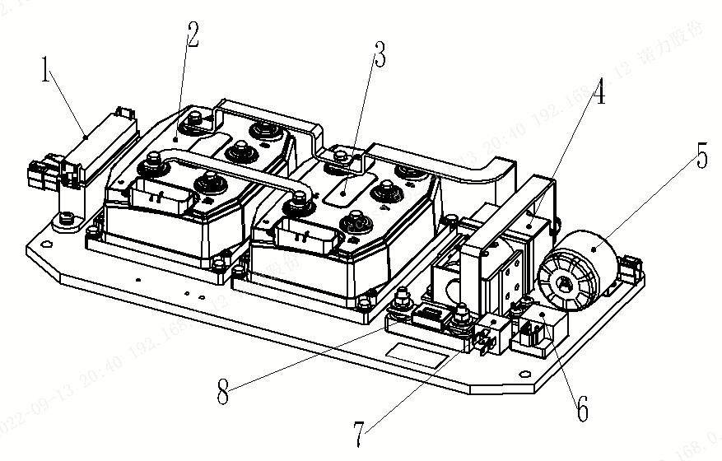 | 序号/NO | 编码/SN | Name | 名称 | 数量/QTY | 备注/Remarks
 | 1 | 920100400008 | Fuse box BX2081X | 保险盒BX2081X | 1
 | 2 | 255098519002-S00 | F4-A-48-375-4P25N-P | F4-A-48-375-4P25N-P | 1 | 泵控软硬件总成(配继电器)
 | 2.1 | 921400100156 | Controller AC-F4-A-48-375-001 | 控制器AC-F4-A-48-375-001 | 1 | 硬件需导入软件
 | 3 | 255098519001-S00 | F4-A-48-450-4P25N-T | F4-A-48-450-4P25N-T | 1 | 牵引软硬件总成(配继电器)
 | 3.1 | 921400100157 | Controller AC-F4-A-48-450-001 | 控制器AC-F4-A-48-450-001 | 1 | 硬件需导入软件
 | 4 | 920700100005 | Contactor DC48C-SW200-262 | 接触器DC48C-SW200-262 | 1
 | 5 | 920500100002 | Buzzer DJB-24B | 喇叭蜂鸣器DJB-24B | 1
 | 6 | 922000100005 | Light SG252-24V | 灯SG252-24V | 1
 | 7 | 920800100002 | Relay DC24V-HFV4 | 继电器DC24V-HFV4 | 1
 | 8 | 920100100014 | Fuse 500A | 保险丝500A | 1

255098501060 电控组件(CURTIS-F)/Electronic control element (CURTIS-F)
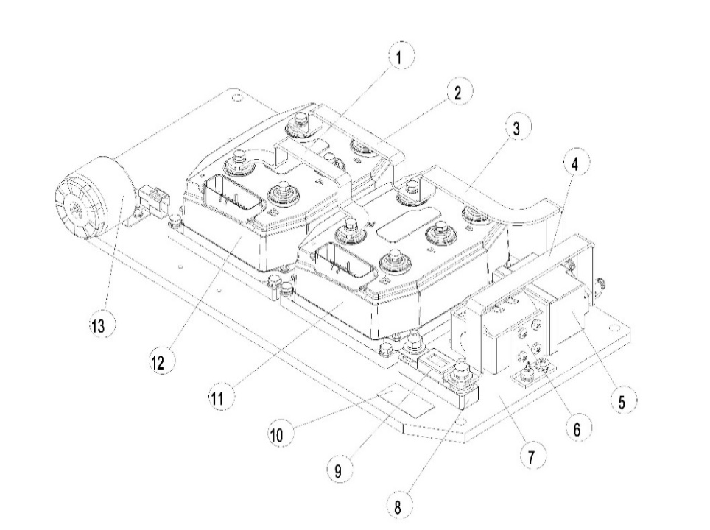 | 序号/NO | 编码/SN | Name | 名称 | 数量/QTY | 备注/Remarks
 | 1 | 281333020005 | COPPER BAR(WX17750301-0029) | 铜排(WX17750301-0029) | 1
 | 2 | 281333020004 | COPPER BAR(WX17750301-0030) | 铜排(WX17750301-0030) | 1
 | 3 | 281333020003 | COPPER BAR(WX17750301-0074) | 铜排(WX17750301-0074) | 1
 | 4 | 281333020002 | COPPER BAR(17750326-022) | 铜排(17750326-022) | 1
 | 5 | 254198518000 | CONTACTOR(13220469) | 接触器(13220469) | 1
 | 6 | 257598537040 | Support(17750302) | 支架(17750302) | 1
 | 7 | 251233020002 | BASE PLATE(WX17750300-544) | 铝板(WX17750300-544) | 1
 | 8 | 257598537038 | FUSE HOLDER(WX10077FH02) | 保险丝座(WX10077FH02) | 1
 | 9 | 257598537015 | FUSE(10077FZ4VE500.0) | 保险丝(10077FZ4VE500.0) | 1
 | 10 | ▲ | ASM LABEL 404（18201014-404） | 总成标签（18201014-404） | 1
...
255098501060 电控组件(Inmotion)/Electronic control element (Inmotion)
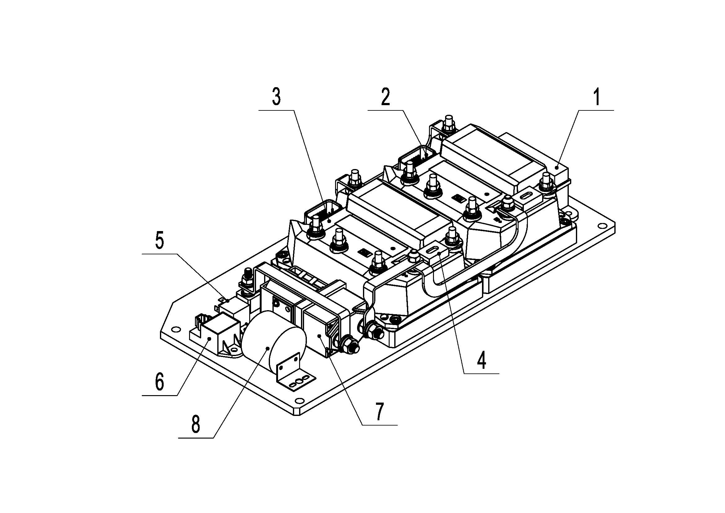 | 序号/NO | 编码/SN | Name | 名称 | 数量/QTY | 备注/Remarks
 | 1 | 920100400008 | Fuse box BX2081X | 保险盒BX2081X | 1
 | 2 | 255098519010-S00 | ACS48S-350C-23P-4P25N-P | ACS48S-350C-23P-4P25N-P | 1 | 泵控软硬件总成(配继电器)
 | 2.1 | 921400100070 | Controller ACS48S-350C-23P | 控制器ACS48S-350C-23P | 1 | 硬件需导入软件
 | 3 | 255098519009-S00 | ACS48S-450C-35P-4P25N-T | ACS48S-450C-35P-4P25N-T | 1 | 牵引软硬件总成(配继电器)
 | 3.1 | 921400100071 | Controller ACS48S-450C-35P | 控制器ACS48S-450C-35P | 1 | 硬件需导入软件
 | 4 | 920500100002 | Buzzer DJB-24B | 喇叭蜂鸣器DJB-24B | 1
 | 5 | 922000100005 | Light SG252-24V | 灯SG252-24V | 1
 | 6 | 920800100002 | Relay DC24V-HFV4 | 继电器DC24V-HFV4 | 1
 | 7 | 920100100014 | Fuse 500A | 保险丝500A | 1
 | 8 | 920700100005 | Contactor DC48C-SW200-262 | 接触器DC48C-SW200-262 | 1

255098501061 电控组件(Inmotion)/Electronic control element (Inmotion)
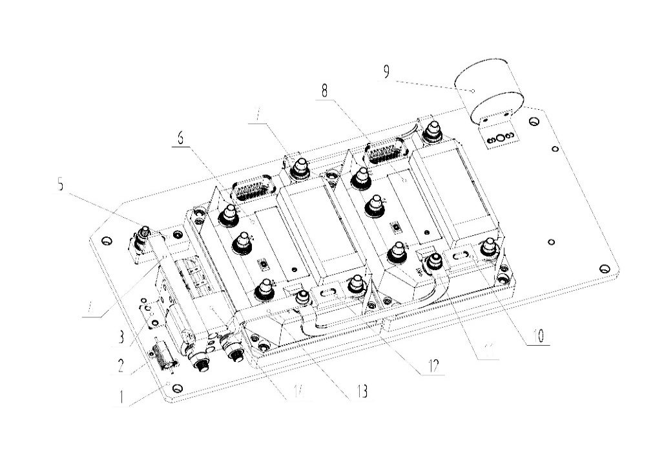 | 序号/NO | 编码/SN | Name | 名称 | 数量/QTY | 备注/Remarks
 | 1 | 255098518000 | BASE PLATE(7101124500-02) | 铝板(7101124500-02) | 1
 | 2 | 255098518001 | Resistor(999666-76565BAA) | 电阻(999666-76565BAA) | 1
 | 3 | 257598537037 | Support(999666-93036AAB) | 支架(999666-93036AAB) | 1
 | 4 | 254598520000 | Copper Bar (999666-65092BAA) | 铜排(999666-65092BAA) | 1
 | 5 | 257598537033 | Terminal base(001027-93221AAA) | 接线座(001027-93221AAA) | 1 | 泵控软硬件总成(配集成电器盒)
 | 6 | 255098519012-V000 | ACS48S-350C-23P-4P25N-P | ACS48S-350C-23P-4P25N-P | 1 | 硬件需导入软件
 | 6.1 | 921400100070 | Controller ACS48S-350C-23P | 控制器ACS48S-350C-23P | 1
 | 7 | 251298520001 | COPPER BAR(999666-65649BAA) | 铜排(999666-65649BAA) | 1
 | 8 | 255098519011-V000 | ACS48S-450C-35P-4P25N-T | ACS48S-450C-35P-4P25N-T | 1 | 牵引软硬件总成(配集成电器盒)
 | 8.1 | 921400100071 | Controller ACS48S-450C-35P | 控制器ACS48S-450C-35P | 1 | 硬件需导入软件
...
255098501066 锂电池/Lithium Cell
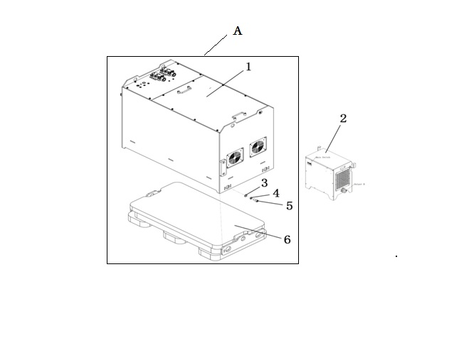 | 序号/NO | 编码/SN | Name | 名称 | 数量/QTY | 备注/Remarks
 | A | 255037011003 | 4P25N Li Battery (400) | 4P25N锂电池(400) | 1 | 选装/optional
 |  | 255037011001 | 4P25N Li Battery (500) | 4P25N锂电池(500) | 1 | 选装/optional
 |  | 255037011004 | 4P25N Li Battery -H(400) | 4P25N锂电池-加热版(400) | 1 | 选装/optional
 |  | 255037011004 | 4P25N Li Battery -H(554) | 4P25N锂电池-加热版(554) | 1 | 选装/optional
 | 1 | 255137012120 | Li Battery 48V-400(GF1) | 锂电池 48V-400Ah | 1 | 选装/Optional
 |  | 255137012121 | Li Battery 48V-554(GF1) | 锂电池 48V-554Ah | 1 | 选装/Optional
 |  | 255137012114 | Li Battery 48V-400-H(GF1) | 锂电池 48V-400Ah-加热 | 1 | 选装/Optional
 |  | 255137012115 | Li Battery 48V-554-H(GF1) | 锂电池 48V-554Ah-加热 | 1 | 选装/Optional
 | 2 | 255136512102 | Charger ADY48V200A(380V) | 锂电充电器 ADY48V200A(380V) | 1 | 国内
 |  | 255136512103 | Charger ADY48V200A(380-418V) | 锂电充电器 ADY48V200A(380-415V) | 1 | 亚/欧
...
255033214000电控组件(松正_4P25N)/Electronic control element (Songzheng_4P25N).
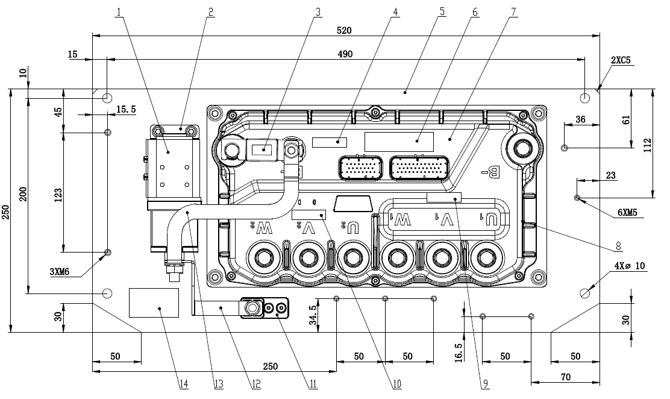 | 序号/NO | 编码/SN | Name | 名称 | 数量/QTY | 备注/Remarks
 | 1 | 256898518005 | Contactor(RW200-5068-48V-ALBRIGHT) | 接触器(RW200-5068-48V-ALBRIGHT) | 1
 | 2 | 256898518006 | ContactorBracket(SZ7733-350A-DDNLZN-ZC02-Z02) | 接触器支架(SZ7733-350A-DDNLZN-ZC02-Z02) | 1
 | 3 | 256898518012 | 400A Fuse(ADL-C400-B1) | 400A熔断器(ADL-C400-B1) | 1
 | 4 | 255098020083 | Controller Torque Label(35mm*10mm) | 控制器扭矩贴(35mm*10mm) | 1
 | 5 | 255098020084 | Assembly Base Plate(SZ7544-DDNLZN-ZC02-Z01) | 总成底板(SZ7544-DDNLZN-ZC02-Z01) | 1
 | 6 | 255098020085 | Software VersionLabel(20mm*70mm) | 软件版本贴(20mm*70mm) | 1
 | 7 | 255098020086 | Dual Drive Controller(SZ7544-DDNLZN-ZC02) | 双驱控制器(SZ7544-DDNLZN-ZC02) | 1 | 软件版本号DD_ST_25N_NuoLi_IM_80_V1.0_50
 | 8 | 255098020087 | Controller Label(53mm*35mm) | 控制器标贴(53mm*35mm) | 1
 | 9 | 255098020088 | Controller Traction Adhesive(35mm*10mm) | 控制器牵引贴(35mm*10mm) | 1
 | 10 | 255098020089 | Controller Pump Control Labe(35mm*10mm) | 控制器泵控贴(35mm*10mm) | 1
...

驾驶室
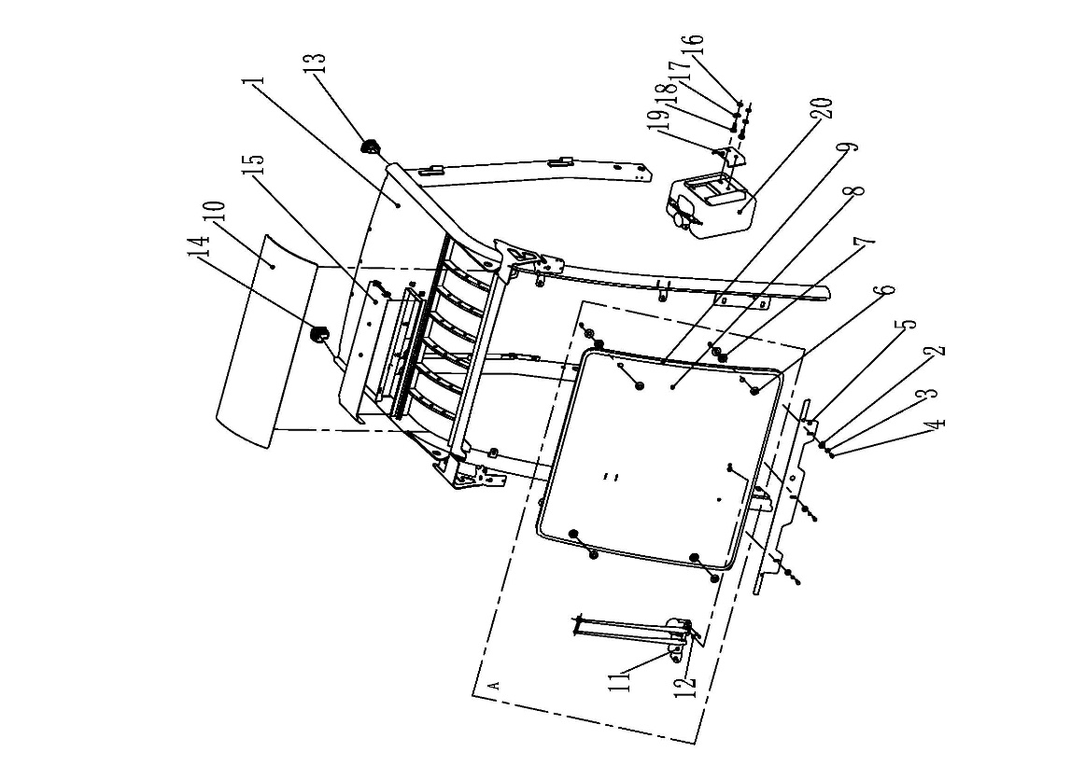
驾驶室(无后窗无侧门)/Cab (no rear window, no side door)
序号/NO | 编码/SN | Name | 名称 | 数量/QTY | 备注/Remarks
B | 255022512001 | Welding of bridge roof guard frame (lifting) | 驾驶室总成(无侧门无后窗)(侧出) | 1 | 侧出
 | 255022512004 | Welding of roof guard frame of cab (side out) | 驾驶室总成(无侧门无后窗)(起吊) | 1 | 吊装
1 | 255022511003 | Welding of bridge roof guard frame (lifting) | 驾驶室护顶架焊合(吊装) | 1
 | 255022511002 | Welding of roof guard frame of cab (side out) | 驾驶室护顶架焊合(侧出) | 1
2 | 910400500006 | Spring washer GB93-8 | 弹簧垫圈GB93-8 | 7
3 | 910400200003 | Big washer GB96.1-8-200 hv | 大垫圈GB96.1-8-200HV | 7
4 | 910100300022 | Bolt GB5783 M8x20-8.8 | 螺栓GB5783-M8x20-8.8 | 7
A | 255098511001 | Front window assy | 前窗总成 | 1 | include 2-9,11-12,16-20
5 | 255022520101 | plate | 托板 | 1
6 | 255022520104 | Fixed wire seat | 固定丝座 | 1
7 | 255022520105 | Rubber mat | 橡胶垫 | 4
8 | 255022520103 | Before the glass | 前玻璃 | 1
9 | 255022520106 | Sealing strip (90 degrees) | 密封条(90度) | 1
10 | 255022520102 | Glass ceiling | 顶棚玻璃 | 1
11 | 255022511012 | Wiper motor assembly | 雨刮电机总成 | 1
12 | 255022520113 | Damping set | 减震套 | 4
13 | 255022020001 | Protective cover 1 (Shaped Tube) | 防护罩一(异型管) | 1
14 | 255022020002 | Shield 2 (Shaped Pipe) | 防护罩二(异型管) | 1
15 | 251122021081 | Lift the notch cover plate | 起吊槽口盖板 | 1
16 | 910100300009 | Bolt GB5783 M6x12-8.8 | 螺栓GB5783-M6x12-8.8 | 1
17 | 910400500005 | Spring washer GB93-6 | 弹簧垫圈GB93-6 | 2
18 | 910400100005 | Flat washer GB97.1-6-200 hv | 平垫圈GB97.1-6-200HV | 2
19 | 255022520112 | Kettle fixing plate | 水壶固定板 | 1
20 | 999998020553 | Kettle | 水壶 | 1

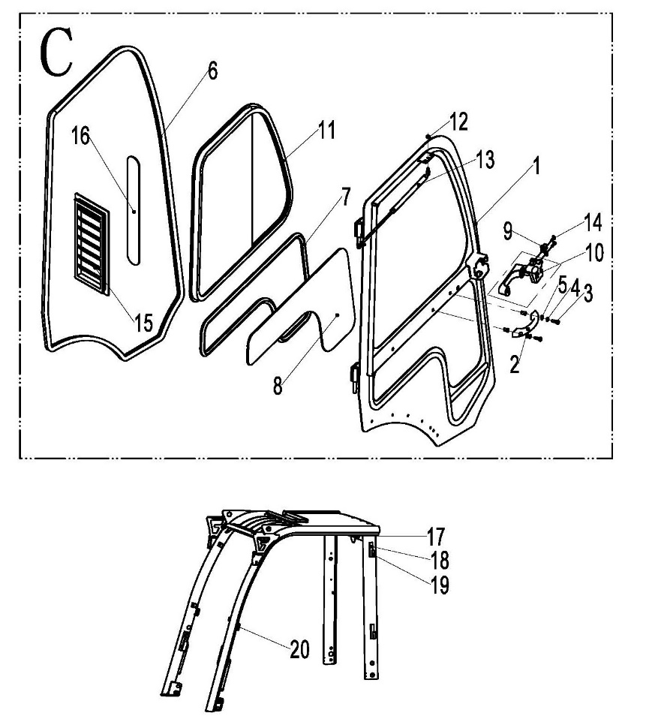
左侧门安装/Side door installation
序号/NO | 编码/SN | Name | 名称 | 数量/QTY | 备注/Remarks
C | 255098511002 | Left door assembly | 左侧门总成 | 1 | (include 1-14)
1 | 255022511005 | Left door welded | 左侧门焊合 | 1
2 | 255021020020 | Shake handshandle | 拉手 | 1
3 | 910100300023 | Bolt GB5783 M8x25-8.8 | 螺栓GB5783-M8x25-8.8 | 2
4 | 910400100006 | The flat washer GB97.1-8-200 hv | 平垫圈GB97.1-8-200HV | 2
5 | 910400500006 | Spring washer GB93-8 | 弹簧垫圈GB93-8 | 2
6 | 255022520106 | Sealing strip (90 degrees) | 密封条(90度) | 5
7 | 255022520111 | Sealing strip | 密封条 | 1
8 | 255022521073 | The side of the glass | 下侧玻璃 | 1
9 | 255022521078 | Door lock fixing plate | 门锁固定板 | 1
10 | 255022511051 | Left door lock assembly | 左侧门锁总成 | 1
11 | 255022521074 | Sliding window assembly (left) | 推拉窗总成(左) | 1
12 | 910300100006 | Nut GB6170 M8-10 | 螺母GB6170-M8-10 | 1
13 | 940400100025 | Gas spring 400 n (D515) | 气弹簧400N(D515) | 1
14 | 910100300012 | Bolt GB5783 M6x25-8.8 | 螺栓GB5783-M6x25-8.8 | 2
15 | 256022521056 | Rear glass (side door) | 后玻璃(侧门) | 1 | use for 30N/35N
16 | 256022521057 | The shutters | 百叶窗 | 1 | use for 30N/35N
17 | 255022521021 | Support (air spring) | 支座(气弹簧) | 2
18 | 255022521014 | Fixed plate (bushing) | 固定板(轴套) | 4
19 | 255022521013 | Shaft sleeve | 轴套 | 2
20 | 255022521019 | Fixing plate (locking tongue) | 固定板(锁舌) | 2

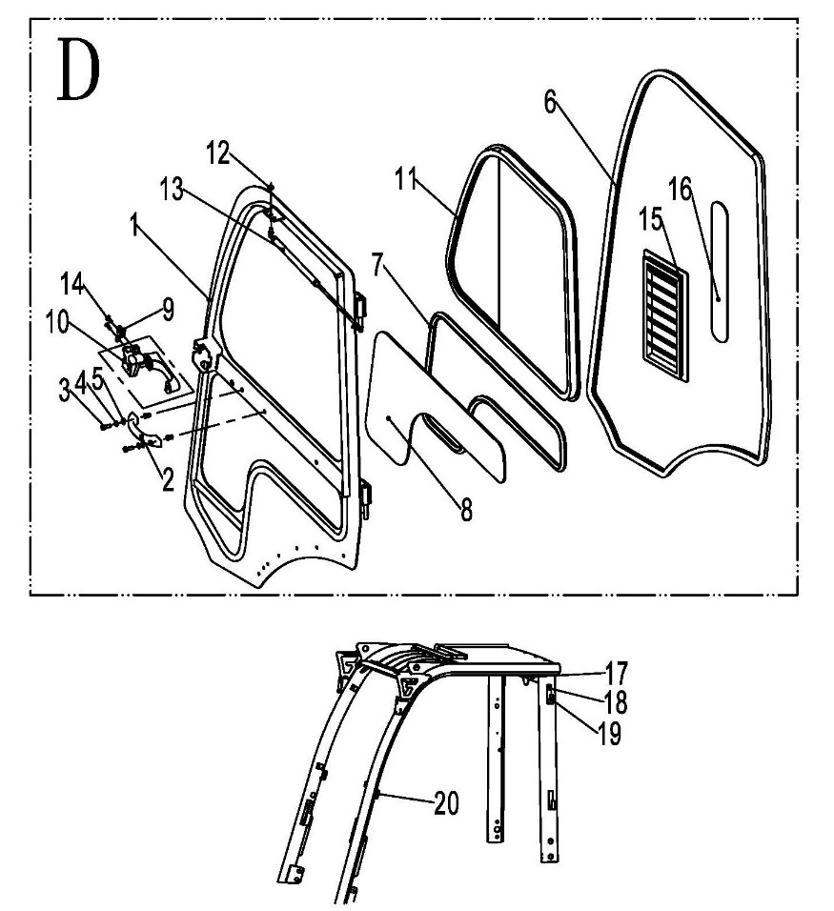
右侧门安装/Side door installation
序号/NO | 编码/SN | Name | 名称 | 数量/QTY | 备注/Remarks
D | 255098511003 | Right door assy | 右侧门总成 | 1 | (include 1-14)
1 | 255022511011 | Right side door welded | 右侧门焊合 | 1
2 | 255021020020 | Shake handshandle | 拉手 | 1
3 | 910100300023 | Bolt GB5783 M8x25-8.8 | 螺栓GB5783-M8x25-8.8 | 2
4 | 910400100006 | The flat washer GB97.1-8-200 hv | 平垫圈GB97.1-8-200HV | 2
5 | 910400500006 | Spring washer GB93-8 | 弹簧垫圈GB93-8 | 2
6 | 255022520106 | Sealing strip (90 degrees) | 密封条(90度) | 5
7 | 255022520111 | Sealing strip | 密封条 | 1
8 | 255022521073 | The side of the glass | 下侧玻璃 | 1
9 | 255022521078 | Door lock fixing plate | 门锁固定板 | 1
10 | 255022511052 | Right door lock assembly | 右侧门锁总成 | 1
11 | 255022521075 | Sliding window assembly (right) | 推拉窗总成(右) | 1
12 | 910300100006 | Nut GB6170 M8-10 | 螺母GB6170-M8-10 | 1
13 | 940400100025 | Gas spring 400 n (D515) | 气弹簧400N(D515) | 1
14 | 910100300012 | Bolt GB5783 M6x25-8.8 | 螺栓GB5783-M6x25-8.8 | 2
15 | 256022521056 | Rear glass (side door) | 后玻璃(侧门) | 1 | use for 30N/35N
16 | 256022521057 | The shutters | 百叶窗 | 1 | use for 30N/35N
17 | 255022521021 | Support (air spring) | 支座(气弹簧) | 2 | Welding fittings on roof protection frame
18 | 255022521014 | Fixed plate (bushing) | 固定板(轴套) | 4
19 | 255022521013 | Shaft sleeve | 轴套 | 2
20 | 255022521019 | Fixing plate (locking tongue) | 固定板(锁舌) | 2

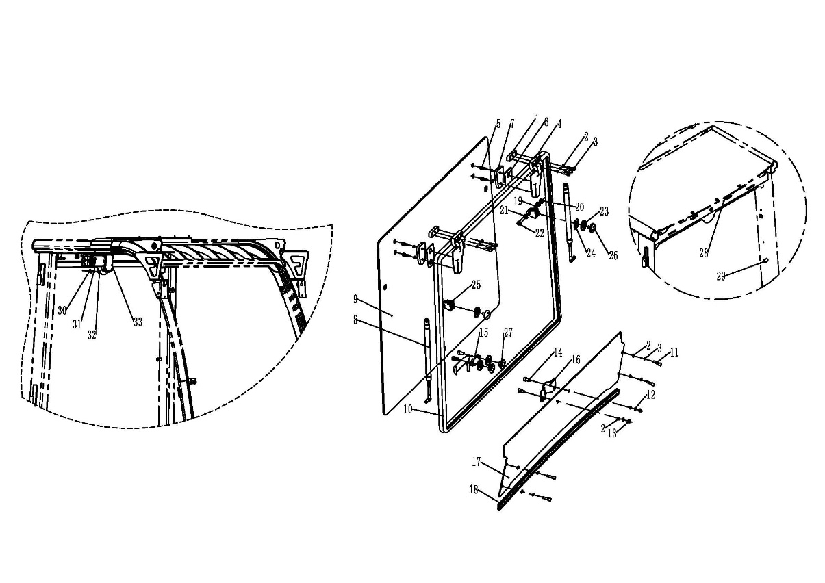
后窗安装/Rear window installation
序号/NO | 编码/SN | Name | 名称 | 数量/QTY | 备注/Remarks
E | 255098511004 | Rear window assembly | 后窗总成 | 1 | (include 1-27)
1 | 255022521018 | Silk base plate (rear window) | 丝座板(后窗) | 2
2 | 910400500005 | Spring washer GB93-6 | 弹簧垫圈GB93-6 | 16
3 | 910200200038 | Screw GB70.1 M6x25-8.8 | 螺钉GB70.1-M6x25-8.8 | 6
4 | 255022511016 | The hinge assembly | 铰链总成 | 2
5 | 910200200036 | Screw GB70.1 M6x20-8.8 | 螺钉GB70.1-M6x20-8.8 | 4
6 | 255022521087 | Hinged rubber pad | 铰链橡胶垫 | 2
7 | 255022520201 | clamp | 压板 | 2
8 | 255022511007 | Gas spring 150N (D375) | 气弹簧150N（D375) | 2
9 | 255022521072 | Rear window | 后窗玻璃 | 1
10 | 255022520106 | Sealing strip (90°) | 密封条（90°） | 1
11 | 910200200035 | Screw GB70.1 M6x16-8.8 | 螺钉GB70.1-M6x16-8.8 | 4
12 | 910400200002 | Big washer GB96.1-6-200 hv | 大垫圈GB96.1-6-200HV | 2
13 | 910300100005 | Nut GB6170 - M6-10 | 螺母GB6170-M6-10 | 2
14 | 910200200036 | Screw GB70.1 M6x20-8.8 | 螺钉GB70.1-M6x20-8.8 | 2
15 | 255022511060 | Rear window handle | 后窗把手 | 1
16 | 256622521002 | Latch buffle | 锁舌挡板 | 1
17 | 255022521016 | Sealing plate (under rear window) | 封板(后窗下) | 1
18 | 255022521093 | Sealing strip (180°) | 密封条（180°） | 1
19 | 910400500006 | Spring washer GB93-8 | 弹簧垫圈GB93-8 | 2
20 | 910300100006 | Nut GB6170 M8-10 | 螺母GB6170-M8-10 | 2
21 | 910400100006 | The flat washer GB97.1-8-200 hv | 平垫圈GB97.1-8-200HV | 4
22 | 910100300025 | Bolt GB5783 M8x35-8.8 | 螺栓GB5783-M8x35-8.8 | 2
23 | 255022520105 | Rubber mat | 橡胶垫 | 4
24 | 255022521084 | Bearing rubber pad | 支座橡胶垫 | 2
25 | 255022521083 | Air spring fork | 气弹簧卜叉 | 2
26 | 255022521092 | Fixed link | 固定杆 | 2
27 | 255022520104 | Fixed wire seat | 固定丝座 | 2
28 | 255022521015 | Upper sealing plate (rear window) | 上封板(后窗) | 1 | Welding fittings on roof protection frame
29 | 255022521021 | Support (air spring) | 支座(气弹簧) | 2
30 | 910400100006 | Flat washer GB97.1-8-200HV | 平垫圈GB97.1-8-200HV | 1

后窗安装/Rear window installation
序号/NO | 编码/SN | Name | 名称 | 数量/QTY | 备注/Remarks
31 | 910400500006 | Spring washer GB93-8 | 弹簧垫圈GB93-8 | 1
32 | 910200500061 | Screw GB818-M8x12-4.8 | 螺钉GB818-M8x12-4.8 | 1
33 | 255022511017 | Wiper Motor Assembly (rear) | 雨刮电机总成（后） | 1
34 | 255035520101 | Support(alarm light) | 支架(警灯) | 1
...

比例阀控制
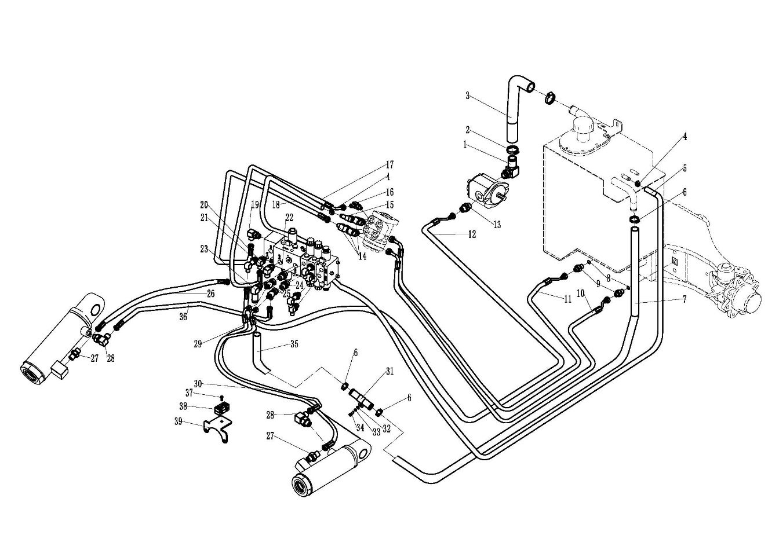
液压系统/Hydraulic system
序号/NO | 编码/SN | Name | 名称 | 数量/QTY | 备注/Remarks
1 | 255023510005 | Joint 25-G1-φ32 | 接头(转向弯)25-G1-φ32 | 1
2 | 911000600006 | Hose clamp QC/T390-(40-45) | 喉箍QC/T390-(40-45) | 2
3 | 255023520008 | Rubber hose | 胶管(吸油) | 1
4 | 911000600003 | Hose clamp QC/T390-(22-26) | 喉箍QC/T390-(22-26) | 2
5 | 255023520006 | Oil return hose φ23xφ13x3600 | 回油管φ23xφ13x3600 | 1
6 | 911000600004 | Hose clamp QC/T390-(34-38) | 喉箍QC/T390-(34-38) | 4
7 | 255023520013 | Oil return hose φ35xφ25x1900 | 回油管φ35xφ25x1900 | 1
8 | 910800100002 | Oring 13.2x2.65 | O形圈-内13.2x2.65 | 2
9 | 251223520034 | Joint (straight) 8-2xM16x1.5-24 ° | 接头(直)8-2xM16x1.5-24° | 2
10 | 255023529601 | Hydraulic hose assembly (different) 10-L2700-1SC-24° | 液压管总成(异)10-L2700-1SC-24° | 1
11 | 255023529602 | Hydraulic hose assembly (different) 10-L3000-1SC-24° | 液压管总成(异)10-L3000-1SC-24° | 1
12 | 255023529609 | Hydraulic Hose Assembly (90°) 15-L2750-2SC-24° | 液压管总成(90°)15-L2750-2SC-24° | 1
13 | 251223520035 | Joint (locking bend) 12-G1/2-M22x1.5-24 ° | 接头(锁定弯)12-G1/2-M22x1.5-24° | 1
14 | 282323520008 | Connector (locking bend) 10-M20x1.5-M16x1.5-24 ° | 接头(锁定弯)10-M20x1.5-M16x1.5-24° | 3
15 | 255023520033 | Joint 11-M18x1.5-0 | 接头(锁定弯)11-M20x1.5-0 | 1
16 | 251223510003 | Joint (locking bend) 6-G1/4-M14x1.5-24 ° | 接头(锁定弯)6-G1/4-M14x1.5-24° | 1
17 | 255023529608 | Hydraulic Hose Assembly (90°) 8-L1420-1SC-24° | 液压管总成(90°)8-L1420-1SC-24° | 1
18 | 255023529605 | Hydraulic Hose Assembly (90°) 10-L1420-1SC-24° | 液压管总成(90°)10-L1420-1SC-24° | 1
19 | 281823521011 | Joint (locking bend) 8-G1/2-M16x1.5-24 ° | 接头(锁定弯)8-G1/2-M16x1.5-24° | 1
20 | 256623521021 | Fitting (locking bend) 6-G1/4-M14x1.5-24° | 接头(锁定弯)6-G1/4-M14x1.5-24° | 1
21 | 281823521010 | Joint (locking bend) 12-G3/4-M22x1.5-24 ° | 接头(锁定弯)12-G3/4-M22x1.5-24° | 2
22 | 255023521006 | Connector (straight)6-G3/8-M14x1.5-60° | 接头(直)6-G3/8-M14x1.5-60° | 1
23 | 281223521026 | Joint (steering bend)12-G1/2-φ25 | 接头(转向弯)12-G1/2-φ25 | 1
24 | 281823521014 | Joint (straight) 8-G3/8-M16x1.5-24 ° | 接头(直)8-G3/8-M16x1.5-24° | 5
25 | 251223510012 | Connector (three-way) 7-2XM14x1.5-M16x1.5-24 ° | 接头(三通)7-2xM14x1.5-M16x1.5-24° | 2
26 | 255023529606 | Hydraulic Hose Assembly (90°) 8-L340-1SC-24° | 液压管总成(90°)8-L340-1SC-24° | 1
27 | 251223520007 | Joint (straight) 6-G1/4-M14x1.5-24 ° | 接头(直)6-G1/4－M14x1.5-24° | 3
28 | 254123520005 | Joint (straight) 8-G1/4-M16x1.5-24 ° | 接头(直)8-G1/4-M16x1.5-24° | 1
29 | 255023529604 | Hydraulic Hose Assembly (90°) 8-L1050-1SC-24° | 液压管总成(90°)8-L1050-1SC-24° | 1
30 | 255023529603 | Hydraulic hose assembly (different) 8-L800-1SC-24° | 液压管总成(异)8-L800-1SC-24° | 1
31 | 255023520022 | Transition steel pipe | 过渡钢管 | 1

液压系统/Hydraulic system
序号/NO | 编码/SN | Name | 名称 | 数量/QTY | 备注/Remarks
32 | 910400100005 | Washer GB97.1-6-200HV | 平垫圈GB97.1-6-200HV | 2
33 | 910400500005 | Washer GB93-6 | 弹簧垫圈GB93-6 | 2
34 | 910200200036 | Screw GB70.1-M6x20-8.8 | 螺钉GB70.1-M6x20-8.8 | 2
35 | 255023520021 | Rubber tube | 胶管(回油) | 1
...

